OutOfBox
contactSimulation.js:4160 exit covidSim
contactSimulation.js:23 getAsText File {name: "HundredAgentsU0mF1.csv", lastModified: 1608077990000, lastModifiedDate: Tue Dec 15 2020 16:19:50 GMT-0800 (Pacific Standard Time), webkitRelativePath: "", size: 2140, …}
contactSimulation.js:32 File {name: "HundredAgentsU0mF1.csv", lastModified: 1608077990000, lastModifiedDate: Tue Dec 15 2020 16:19:50 GMT-0800 (Pacific Standard Time), webkitRelativePath: "", size: 2140, …}
contactSimulation.js:23 getAsText File {name: "VL1.csv", lastModified: 1608081530000, lastModifiedDate: Tue Dec 15 2020 17:18:50 GMT-0800 (Pacific Standard Time), webkitRelativePath: "", size: 65, …}
contactSimulation.js:32 File {name: "VL1.csv", lastModified: 1608081530000, lastModifiedDate: Tue Dec 15 2020 17:18:50 GMT-0800 (Pacific Standard Time), webkitRelativePath: "", size: 65, …}
contactSimulation.js:2000 1I j:famKey 48:-1 infected by red i:famKey 5:-1 at gen 51 in Univ0
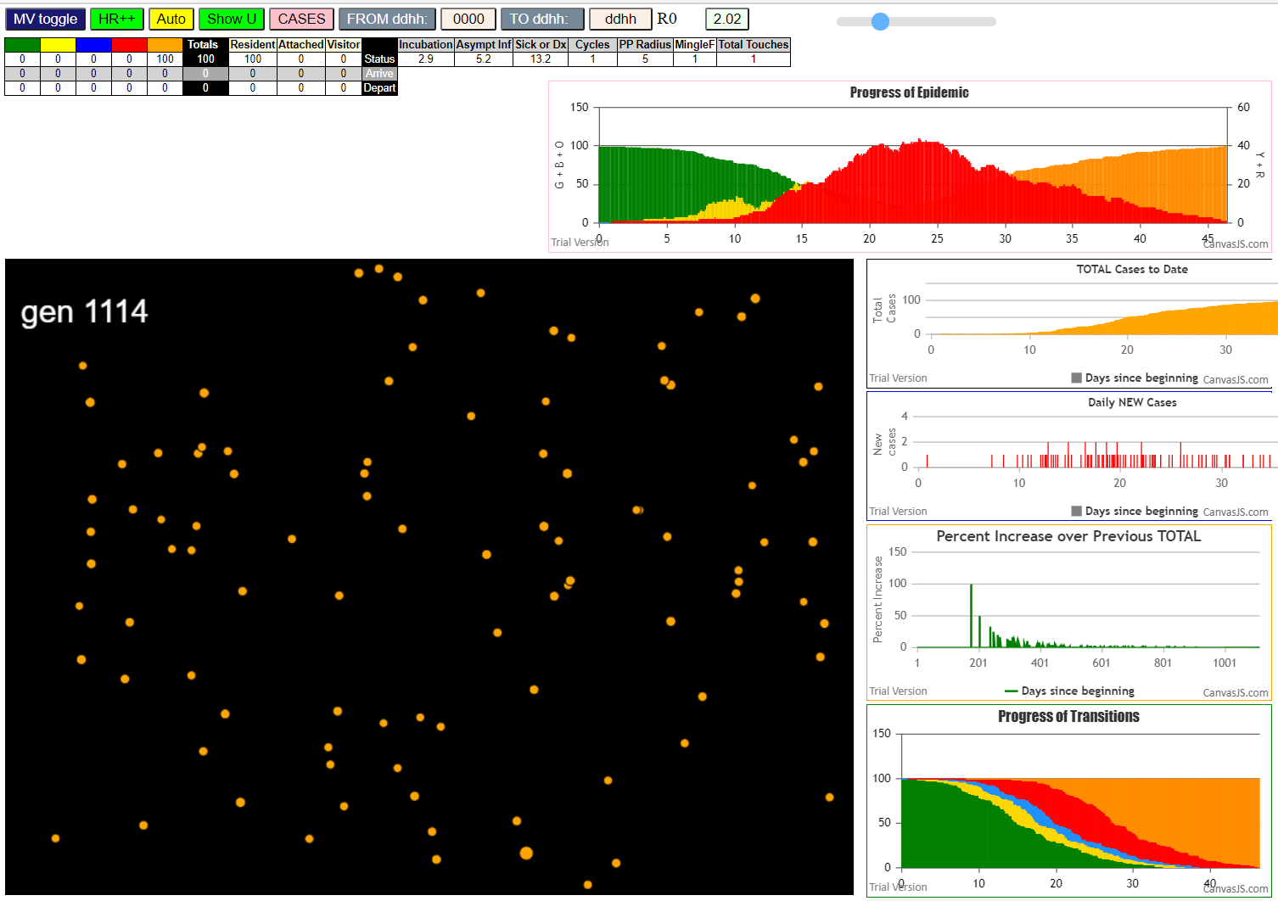
contactSimulation.js:2000 2I j:famKey 58:-1 infected by red i:famKey 5:-1 at gen 78 in Univ0
contactSimulation.js:2000 3I j:famKey 24:-1 infected by red i:famKey 5:-1 at gen 114 in Univ0
contactSimulation.js:2000 4I j:famKey 62:-1 infected by blue i:famKey 48:-1 at gen 133 in Univ0
contactSimulation.js:2016 5I i:famKey 28:-1 infected by blue j:famKey 48:-1 at gen 147 in U0
contactSimulation.js:2000 6I j:famKey 83:-1 infected by blue i:famKey 48:-1 at gen 157 in Univ0
contactSimulation.js:2016 7I i:famKey 42:-1 infected by blue j:famKey 58:-1 at gen 173 in U0
contactSimulation.js:2000 8I j:famKey 36:-1 infected by red i:famKey 5:-1 at gen 177 in Univ0
contactSimulation.js:2016 9I i:famKey 4:-1 infected by blue j:famKey 58:-1 at gen 180 in U0
contactSimulation.js:2016 10I i:famKey 3:-1 infected by blue j:famKey 24:-1 at gen 187 in U0
contactSimulation.js:2016 11I i:famKey 0:-1 infected by red j:famKey 5:-1 at gen 189 in U0
contactSimulation.js:2000 11I j:famKey 53:-1 infected by red i:famKey 5:-1 at gen 189 in Univ0
contactSimulation.js:2016 13I i:famKey 21:-1 infected by blue j:famKey 58:-1 at gen 192 in U0
contactSimulation.js:2016 14I i:famKey 39:-1 infected by blue j:famKey 58:-1 at gen 200 in U0
contactSimulation.js:2000 15I j:famKey 90:-1 infected by red i:famKey 48:-1 at gen 208 in Univ0
contactSimulation.js:2000 16I j:famKey 54:-1 infected by blue i:famKey 24:-1 at gen 210 in Univ0
contactSimulation.js:2000 17I j:famKey 56:-1 infected by red i:famKey 48:-1 at gen 218 in Univ0
contactSimulation.js:2000 18I j:famKey 96:-1 infected by red i:famKey 48:-1 at gen 228 in Univ0
contactSimulation.js:2000 19I j:famKey 72:-1 infected by blue i:famKey 62:-1 at gen 241 in Univ0
contactSimulation.js:2016 19I i:famKey 10:-1 infected by blue j:famKey 62:-1 at gen 242 in U0
contactSimulation.js:2016 19I i:famKey 46:-1 infected by red j:famKey 48:-1 at gen 242 in U0
contactSimulation.js:2000 22I j:famKey 80:-1 infected by red i:famKey 48:-1 at gen 249 in Univ0
contactSimulation.js:2016 23I i:famKey 71:-1 infected by blue j:famKey 83:-1 at gen 263 in U0
contactSimulation.js:2000 24I j:famKey 78:-1 infected by red i:famKey 48:-1 at gen 278 in Univ0
contactSimulation.js:2016 25I i:famKey 43:-1 infected by red j:famKey 58:-1 at gen 283 in U0
contactSimulation.js:2000 25I j:famKey 35:-1 infected by blue i:famKey 0:-1 at gen 284 in Univ0
contactSimulation.js:2000 27I j:famKey 25:-1 infected by blue i:famKey 0:-1 at gen 287 in Univ0
contactSimulation.js:2016 27I i:famKey 15:-1 infected by blue j:famKey 53:-1 at gen 287 in U0
contactSimulation.js:2000 29I j:famKey 74:-1 infected by red i:famKey 24:-1 at gen 294 in Univ0
contactSimulation.js:2016 30I i:famKey 14:-1 infected by blue j:famKey 39:-1 at gen 306 in U0
contactSimulation.js:2000 31I j:famKey 68:-1 infected by blue i:famKey 0:-1 at gen 308 in Univ0
contactSimulation.js:2000 32I j:famKey 77:-1 infected by blue i:famKey 0:-1 at gen 310 in Univ0
contactSimulation.js:2000 32I j:famKey 95:-1 infected by red i:famKey 36:-1 at gen 311 in Univ0
contactSimulation.js:2016 34I i:famKey 11:-1 infected by red j:famKey 36:-1 at gen 322 in U0
contactSimulation.js:2000 34I j:famKey 32:-1 infected by red i:famKey 24:-1 at gen 322 in Univ0
contactSimulation.js:2016 36I i:famKey 19:-1 infected by blue j:famKey 56:-1 at gen 325 in U0
contactSimulation.js:2000 36I j:famKey 69:-1 infected by red i:famKey 3:-1 at gen 326 in Univ0
contactSimulation.js:2000 36I j:famKey 22:-1 infected by red i:famKey 4:-1 at gen 326 in Univ0
contactSimulation.js:2000 39I j:famKey 97:-1 infected by red i:famKey 58:-1 at gen 334 in Univ0
contactSimulation.js:2016 40I i:famKey 41:-1 infected by red j:famKey 58:-1 at gen 336 in U0
contactSimulation.js:2000 40I j:famKey 75:-1 infected by red i:famKey 24:-1 at gen 337 in Univ0
contactSimulation.js:2016 42I i:famKey 8:-1 infected by red j:famKey 90:-1 at gen 344 in U0
contactSimulation.js:2016 42I i:famKey 20:-1 infected by red j:famKey 21:-1 at gen 344 in U0
contactSimulation.js:2016 42I i:famKey 9:-1 infected by red j:famKey 90:-1 at gen 345 in U0
contactSimulation.js:2000 44I j:famKey 89:-1 infected by red i:famKey 36:-1 at gen 346 in Univ0
contactSimulation.js:2016 46I i:famKey 17:-1 infected by red j:famKey 24:-1 at gen 351 in U0
contactSimulation.js:2016 46I i:famKey 34:-1 infected by red j:famKey 90:-1 at gen 352 in U0
contactSimulation.js:2016 48I i:famKey 1:-1 infected by red j:famKey 83:-1 at gen 357 in U0
contactSimulation.js:2000 49I j:famKey 64:-1 infected by red i:famKey 46:-1 at gen 360 in Univ0
contactSimulation.js:2000 50I j:famKey 60:-1 infected by blue i:famKey 15:-1 at gen 362 in Univ0
contactSimulation.js:2016 51I i:famKey 70:-1 infected by red j:famKey 83:-1 at gen 367 in U0
contactSimulation.js:2016 52I i:famKey 6:-1 infected by red j:famKey 83:-1 at gen 375 in U0
contactSimulation.js:2000 53I j:famKey 47:-1 infected by red i:famKey 4:-1 at gen 385 in Univ0
contactSimulation.js:2000 54I j:famKey 66:-1 infected by red i:famKey 39:-1 at gen 389 in Univ0
contactSimulation.js:2000 55I j:famKey 86:-1 infected by blue i:famKey 22:-1 at gen 405 in Univ0
contactSimulation.js:2000 56I j:famKey 76:-1 infected by blue i:famKey 11:-1 at gen 411 in Univ0
contactSimulation.js:2000 57I j:famKey 44:-1 infected by blue i:famKey 19:-1 at gen 416 in Univ0
contactSimulation.js:2016 57I i:famKey 18:-1 infected by red j:famKey 35:-1 at gen 417 in U0
contactSimulation.js:2000 59I j:famKey 98:-1 infected by red i:famKey 4:-1 at gen 420 in Univ0
contactSimulation.js:2000 59I j:famKey 61:-1 infected by blue i:famKey 11:-1 at gen 420 in Univ0
contactSimulation.js:2000 61I j:famKey 40:-1 infected by blue i:famKey 11:-1 at gen 422 in Univ0
contactSimulation.js:2000 62I j:famKey 93:-1 infected by red i:famKey 77:-1 at gen 437 in Univ0
contactSimulation.js:2000 63I j:famKey 45:-1 infected by blue i:famKey 41:-1 at gen 442 in Univ0
contactSimulation.js:2000 64I j:famKey 82:-1 infected by blue i:famKey 34:-1 at gen 445 in Univ0
contactSimulation.js:2000 64I j:famKey 52:-1 infected by red i:famKey 25:-1 at gen 446 in Univ0
contactSimulation.js:2000 66I j:famKey 65:-1 infected by blue i:famKey 8:-1 at gen 451 in Univ0
contactSimulation.js:2016 66I i:famKey 49:-1 infected by red j:famKey 71:-1 at gen 451 in U0
contactSimulation.js:2016 68I i:famKey 12:-1 infected by blue j:famKey 20:-1 at gen 455 in U0
contactSimulation.js:2000 69I j:famKey 84:-1 infected by red i:famKey 43:-1 at gen 462 in Univ0
contactSimulation.js:2000 70I j:famKey 92:-1 infected by red i:famKey 60:-1 at gen 482 in Univ0
contactSimulation.js:2000 71I j:famKey 51:-1 infected by red i:famKey 43:-1 at gen 485 in Univ0
contactSimulation.js:2000 72I j:famKey 59:-1 infected by red i:famKey 15:-1 at gen 505 in Univ0
contactSimulation.js:2016 73I i:famKey 38:-1 infected by red j:famKey 64:-1 at gen 509 in U0
contactSimulation.js:2016 74I i:famKey 29:-1 infected by red j:famKey 95:-1 at gen 511 in U0
contactSimulation.js:2000 75I j:famKey 87:-1 infected by red i:famKey 46:-1 at gen 517 in Univ0
contactSimulation.js:2000 76I j:famKey 99:-1 infected by red i:famKey 75:-1 at gen 527 in Univ0
contactSimulation.js:2000 77I j:famKey 26:-1 infected by red i:famKey 22:-1 at gen 535 in Univ0
contactSimulation.js:2016 78I i:famKey 23:-1 infected by red j:famKey 60:-1 at gen 554 in U0
contactSimulation.js:2000 78I j:famKey 63:-1 infected by blue i:famKey 49:-1 at gen 554 in Univ0
contactSimulation.js:2016 80I i:famKey 37:-1 infected by red j:famKey 45:-1 at gen 561 in U0
contactSimulation.js:2000 80I j:famKey 81:-1 infected by red i:famKey 61:-1 at gen 562 in Univ0
contactSimulation.js:2016 81I i:famKey 57:-1 infected by blue j:famKey 65:-1 at gen 563 in U0
contactSimulation.js:2000 83I j:famKey 91:-1 infected by red i:famKey 52:-1 at gen 580 in Univ0
contactSimulation.js:2000 84I j:famKey 79:-1 infected by red i:famKey 22:-1 at gen 588 in Univ0
contactSimulation.js:2016 85I i:famKey 31:-1 infected by red j:famKey 65:-1 at gen 594 in U0
contactSimulation.js:2000 86I j:famKey 88:-1 infected by red i:famKey 61:-1 at gen 611 in Univ0
contactSimulation.js:2016 87I i:famKey 30:-1 infected by red j:famKey 47:-1 at gen 613 in U0
contactSimulation.js:2016 88I i:famKey 50:-1 infected by red j:famKey 82:-1 at gen 616 in U0
contactSimulation.js:2016 89I i:famKey 7:-1 infected by red j:famKey 93:-1 at gen 626 in U0
contactSimulation.js:2016 90I i:famKey 33:-1 infected by red j:famKey 51:-1 at gen 649 in U0
contactSimulation.js:2016 91I i:famKey 67:-1 infected by red j:famKey 86:-1 at gen 661 in U0
contactSimulation.js:2000 92I j:famKey 85:-1 infected by red i:famKey 45:-1 at gen 672 in Univ0
contactSimulation.js:2000 93I j:famKey 73:-1 infected by blue i:famKey 31:-1 at gen 691 in Univ0
contactSimulation.js:2016 94I i:famKey 2:-1 infected by red j:famKey 81:-1 at gen 699 in U0
contactSimulation.js:2000 95I j:famKey 94:-1 infected by red i:famKey 82:-1 at gen 722 in Univ0
contactSimulation.js:2016 96I i:famKey 27:-1 infected by red j:famKey 91:-1 at gen 754 in U0
contactSimulation.js:2016 97I i:famKey 55:-1 infected by blue j:famKey 73:-1 at gen 789 in U0
contactSimulation.js:2016 97I i:famKey 16:-1 infected by blue j:famKey 85:-1 at gen 790 in U0
contactSimulation.js:2016 99I i:famKey 13:-1 infected by red j:famKey 37:-1 at gen 815 in U0

tInert12
contactSimulation.js:4155 exit covidSim
contactSimulation.js:23 getAsText File
contactSimulation.js:32 File
contactSimulation.js:23 getAsText File
contactSimulation.js:32 File
contactSimulation.js:2011 1I i:famKey 2:-1 infected by red j:famKey 5:-1 at gen 15 in U0
contactSimulation.js:1995 2I j:famKey 45:-1 infected by red i:famKey 5:-1 at gen 17 in Univ0
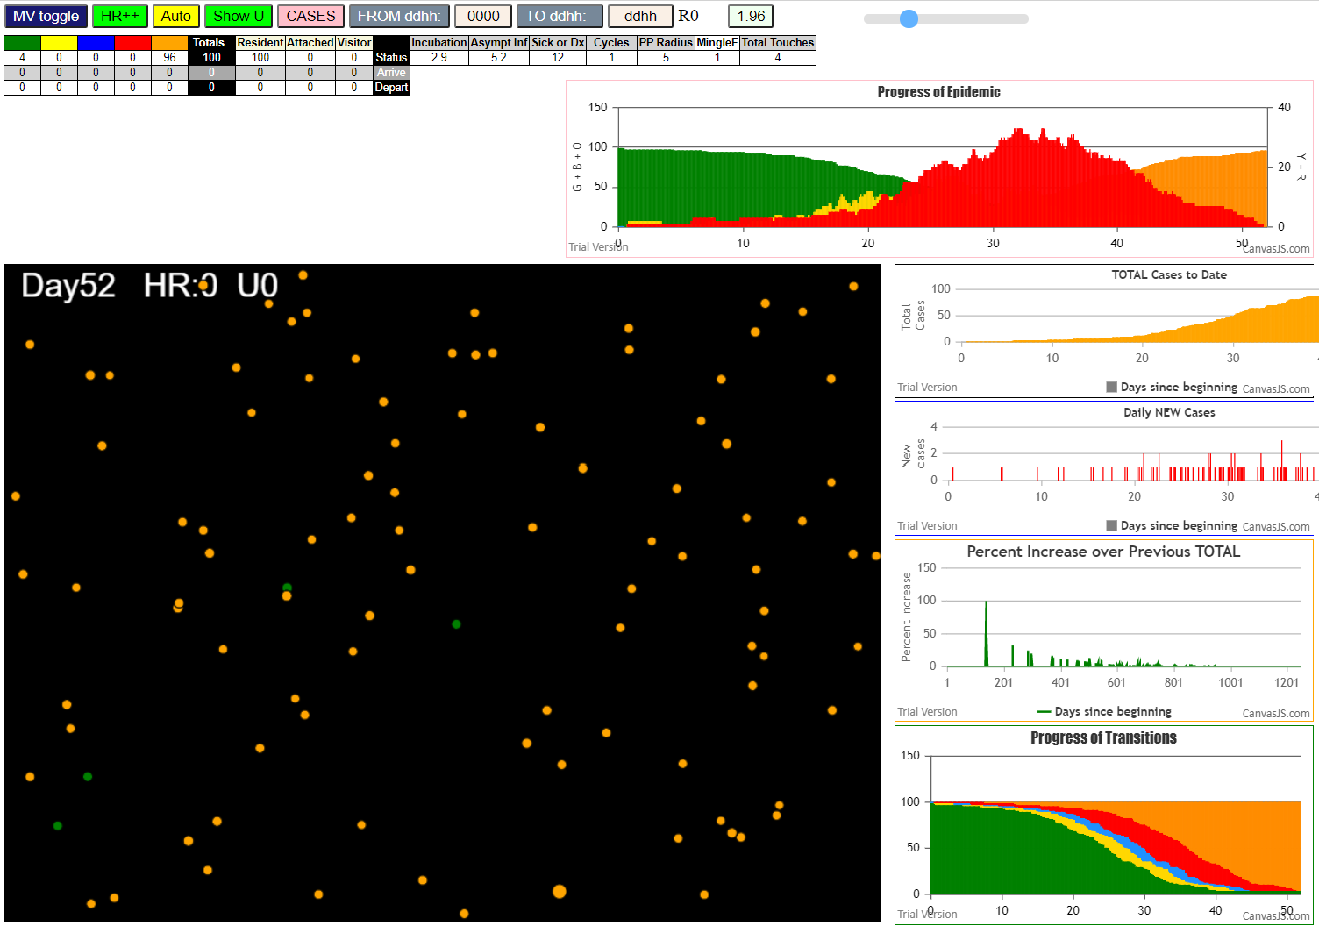
contactSimulation.js:1995 3I j:famKey 42:-1 infected by blue i:famKey 2:-1 at gen 111 in Univ0
contactSimulation.js:2011 4I i:famKey 4:-1 infected by red j:famKey 5:-1 at gen 167 in U0
contactSimulation.js:1995 5I j:famKey 38:-1 infected by red i:famKey 5:-1 at gen 176 in Univ0
contactSimulation.js:1995 6I j:famKey 77:-1 infected by red i:famKey 2:-1 at gen 247 in Univ0
contactSimulation.js:1995 7I j:famKey 65:-1 infected by red i:famKey 42:-1 at gen 253 in Univ0
contactSimulation.js:1995 8I j:famKey 57:-1 infected by red i:famKey 4:-1 at gen 288 in Univ0
contactSimulation.js:1995 9I j:famKey 89:-1 infected by red i:famKey 4:-1 at gen 300 in Univ0
contactSimulation.js:2011 10I i:famKey 7:-1 infected by blue j:famKey 65:-1 at gen 343 in U0
contactSimulation.js:1995 10I j:famKey 98:-1 infected by red i:famKey 38:-1 at gen 343 in Univ0
contactSimulation.js:1995 12I j:famKey 75:-1 infected by red i:famKey 4:-1 at gen 363 in Univ0
contactSimulation.js:1995 13I j:famKey 99:-1 infected by red i:famKey 4:-1 at gen 371 in Univ0
contactSimulation.js:1995 14I j:famKey 73:-1 infected by red i:famKey 65:-1 at gen 375 in Univ0
contactSimulation.js:2011 15I i:famKey 67:-1 infected by red j:famKey 77:-1 at gen 379 in U0
contactSimulation.js:2011 16I i:famKey 84:-1 infected by blue j:famKey 89:-1 at gen 390 in U0
contactSimulation.js:1995 17I j:famKey 85:-1 infected by red i:famKey 4:-1 at gen 403 in Univ0
contactSimulation.js:2011 18I i:famKey 29:-1 infected by red j:famKey 57:-1 at gen 417 in U0
contactSimulation.js:2011 19I i:famKey 16:-1 infected by blue j:famKey 98:-1 at gen 423 in U0
contactSimulation.js:1995 19I j:famKey 90:-1 infected by red i:famKey 38:-1 at gen 423 in Univ0
contactSimulation.js:2011 21I i:famKey 68:-1 infected by red j:famKey 89:-1 at gen 425 in U0
contactSimulation.js:2011 22I i:famKey 11:-1 infected by red j:famKey 77:-1 at gen 427 in U0
contactSimulation.js:2011 23I i:famKey 8:-1 infected by red j:famKey 89:-1 at gen 447 in U0
contactSimulation.js:1995 24I j:famKey 94:-1 infected by blue i:famKey 75:-1 at gen 451 in Univ0
contactSimulation.js:2011 25I i:famKey 64:-1 infected by red j:famKey 65:-1 at gen 462 in U0
contactSimulation.js:1995 25I j:famKey 54:-1 infected by red i:famKey 7:-1 at gen 463 in Univ0
contactSimulation.js:2011 26I i:famKey 66:-1 infected by blue j:famKey 75:-1 at gen 464 in U0
contactSimulation.js:1995 28I j:famKey 96:-1 infected by red i:famKey 65:-1 at gen 471 in Univ0
contactSimulation.js:2011 29I i:famKey 10:-1 infected by blue j:famKey 99:-1 at gen 476 in U0
contactSimulation.js:2011 30I i:famKey 56:-1 infected by red j:famKey 57:-1 at gen 484 in U0
contactSimulation.js:2011 31I i:famKey 20:-1 infected by red j:famKey 89:-1 at gen 495 in U0
contactSimulation.js:2011 32I i:famKey 3:-1 infected by red j:famKey 7:-1 at gen 497 in U0
contactSimulation.js:2011 33I i:famKey 97:-1 infected by red j:famKey 99:-1 at gen 501 in U0
contactSimulation.js:1995 34I j:famKey 23:-1 infected by blue i:famKey 16:-1 at gen 519 in Univ0
contactSimulation.js:1995 35I j:famKey 86:-1 infected by red i:famKey 7:-1 at gen 527 in Univ0
contactSimulation.js:2011 36I i:famKey 21:-1 infected by red j:famKey 89:-1 at gen 537 in U0
contactSimulation.js:1995 37I j:famKey 92:-1 infected by blue i:famKey 90:-1 at gen 543 in Univ0
contactSimulation.js:2011 38I i:famKey 17:-1 infected by blue j:famKey 94:-1 at gen 553 in U0
contactSimulation.js:1995 38I j:famKey 27:-1 infected by blue i:famKey 8:-1 at gen 554 in Univ0
contactSimulation.js:1995 40I j:famKey 55:-1 infected by red i:famKey 29:-1 at gen 556 in Univ0
contactSimulation.js:2011 41I i:famKey 24:-1 infected by red j:famKey 29:-1 at gen 561 in U0
contactSimulation.js:2011 42I i:famKey 32:-1 infected by red j:famKey 98:-1 at gen 566 in U0
contactSimulation.js:2011 42I i:famKey 15:-1 infected by red j:famKey 84:-1 at gen 567 in U0
contactSimulation.js:1995 44I j:famKey 43:-1 infected by red i:famKey 7:-1 at gen 575 in Univ0
contactSimulation.js:2011 45I i:famKey 28:-1 infected by red j:famKey 73:-1 at gen 583 in U0
contactSimulation.js:2011 46I i:famKey 0:-1 infected by red j:famKey 8:-1 at gen 588 in U0
contactSimulation.js:1995 46I j:famKey 72:-1 infected by red i:famKey 7:-1 at gen 588 in Univ0
contactSimulation.js:1995 46I j:famKey 40:-1 infected by red i:famKey 11:-1 at gen 588 in Univ0
contactSimulation.js:1995 49I j:famKey 60:-1 infected by red i:famKey 16:-1 at gen 603 in Univ0
contactSimulation.js:1995 50I j:famKey 35:-1 infected by blue i:famKey 20:-1 at gen 606 in Univ0
contactSimulation.js:1995 50I j:famKey 95:-1 infected by blue i:famKey 20:-1 at gen 606 in Univ0
contactSimulation.js:1995 50I j:famKey 49:-1 infected by red i:famKey 8:-1 at gen 607 in Univ0
contactSimulation.js:2011 53I i:famKey 34:-1 infected by red j:famKey 66:-1 at gen 611 in U0
contactSimulation.js:1995 54I j:famKey 80:-1 infected by red i:famKey 67:-1 at gen 613 in Univ0
contactSimulation.js:2011 55I i:famKey 47:-1 infected by red j:famKey 68:-1 at gen 620 in U0
contactSimulation.js:2011 56I i:famKey 88:-1 infected by red j:famKey 90:-1 at gen 626 in U0
contactSimulation.js:2011 57I i:famKey 22:-1 infected by blue j:famKey 86:-1 at gen 628 in U0
contactSimulation.js:1995 58I j:famKey 26:-1 infected by red i:famKey 20:-1 at gen 630 in Univ0
contactSimulation.js:2011 59I i:famKey 39:-1 infected by red j:famKey 96:-1 at gen 633 in U0
contactSimulation.js:2011 60I i:famKey 1:-1 infected by red j:famKey 29:-1 at gen 636 in U0
contactSimulation.js:1995 61I j:famKey 81:-1 infected by blue i:famKey 32:-1 at gen 645 in Univ0
contactSimulation.js:2011 62I i:famKey 36:-1 infected by red j:famKey 90:-1 at gen 647 in U0
contactSimulation.js:1995 63I j:famKey 44:-1 infected by blue i:famKey 21:-1 at gen 649 in Univ0
contactSimulation.js:2011 64I i:famKey 48:-1 infected by red j:famKey 54:-1 at gen 678 in U0
contactSimulation.js:1995 65I j:famKey 79:-1 infected by red i:famKey 68:-1 at gen 682 in Univ0
contactSimulation.js:2011 66I i:famKey 13:-1 infected by red j:famKey 15:-1 at gen 690 in U0
contactSimulation.js:1995 67I j:famKey 82:-1 infected by red i:famKey 24:-1 at gen 692 in Univ0
contactSimulation.js:1995 68I j:famKey 58:-1 infected by red i:famKey 15:-1 at gen 695 in Univ0
contactSimulation.js:1995 68I j:famKey 69:-1 infected by red i:famKey 24:-1 at gen 695 in Univ0
contactSimulation.js:1995 70I j:famKey 61:-1 infected by red i:famKey 56:-1 at gen 720 in Univ0
contactSimulation.js:2011 71I i:famKey 19:-1 infected by blue j:famKey 80:-1 at gen 723 in U0
contactSimulation.js:2011 72I i:famKey 12:-1 infected by blue j:famKey 88:-1 at gen 735 in U0
contactSimulation.js:2011 73I i:famKey 25:-1 infected by red j:famKey 92:-1 at gen 740 in U0
contactSimulation.js:1995 73I j:famKey 51:-1 infected by red i:famKey 0:-1 at gen 741 in Univ0
contactSimulation.js:2011 73I i:famKey 37:-1 infected by blue j:famKey 39:-1 at gen 741 in U0
contactSimulation.js:1995 76I j:famKey 53:-1 infected by red i:famKey 24:-1 at gen 746 in Univ0
contactSimulation.js:1995 76I j:famKey 46:-1 infected by blue i:famKey 36:-1 at gen 747 in Univ0
contactSimulation.js:1995 78I j:famKey 93:-1 infected by red i:famKey 80:-1 at gen 753 in Univ0
contactSimulation.js:1995 79I j:famKey 83:-1 infected by blue i:famKey 36:-1 at gen 755 in Univ0
contactSimulation.js:2011 80I i:famKey 6:-1 infected by red j:famKey 80:-1 at gen 758 in U0
contactSimulation.js:1995 81I j:famKey 31:-1 infected by red i:famKey 15:-1 at gen 772 in Univ0
contactSimulation.js:1995 82I j:famKey 30:-1 infected by red i:famKey 0:-1 at gen 780 in Univ0
contactSimulation.js:2011 83I i:famKey 9:-1 infected by red j:famKey 88:-1 at gen 785 in U0
contactSimulation.js:1995 84I j:famKey 62:-1 infected by blue i:famKey 58:-1 at gen 795 in Univ0
contactSimulation.js:2011 84I i:famKey 14:-1 infected by red j:famKey 28:-1 at gen 796 in U0
contactSimulation.js:1995 86I j:famKey 59:-1 infected by red i:famKey 39:-1 at gen 806 in Univ0
contactSimulation.js:2011 86I i:famKey 59:-1 infected by blue j:famKey 69:-1 at gen 806 in U0
contactSimulation.js:2011 87I i:famKey 18:-1 infected by red j:famKey 80:-1 at gen 821 in U0
contactSimulation.js:2011 88I i:famKey 33:-1 infected by red j:famKey 80:-1 at gen 839 in U0
contactSimulation.js:1995 89I j:famKey 76:-1 infected by red i:famKey 13:-1 at gen 879 in Univ0
contactSimulation.js:1995 90I j:famKey 78:-1 infected by red i:famKey 37:-1 at gen 893 in Univ0
contactSimulation.js:1995 91I j:famKey 71:-1 infected by blue i:famKey 9:-1 at gen 905 in Univ0
contactSimulation.js:1995 92I j:famKey 41:-1 infected by red i:famKey 19:-1 at gen 935 in Univ0
contactSimulation.js:1995 93I j:famKey 87:-1 infected by red i:famKey 6:-1 at gen 941 in Univ0
contactSimulation.js:1995 93I j:famKey 52:-1 infected by blue i:famKey 33:-1 at gen 942 in Univ0
contactSimulation.js:2011 95I i:famKey 50:-1 infected by red j:famKey 51:-1 at gen 965 in U0

tInert11
contactSimulation.js:4155 exit covidSim
contactSimulation.js:23 getAsText File {name: "HundredAgentsU0mF1.csv", lastModified: 1608077990000, lastModifiedDate: Tue Dec 15 2020 16:19:50 GMT-0800 (Pacific Standard Time), webkitRelativePath: "", size: 2140, …}
contactSimulation.js:32 File {name: "HundredAgentsU0mF1.csv", lastModified: 1608077990000, lastModifiedDate: Tue Dec 15 2020 16:19:50 GMT-0800 (Pacific Standard Time), webkitRelativePath: "", size: 2140, …}
contactSimulation.js:23 getAsText File {name: "VL1.csv", lastModified: 1608081530000, lastModifiedDate: Tue Dec 15 2020 17:18:50 GMT-0800 (Pacific Standard Time), webkitRelativePath: "", size: 65, …}
contactSimulation.js:32 File {name: "VL1.csv", lastModified: 1608081530000, lastModifiedDate: Tue Dec 15 2020 17:18:50 GMT-0800 (Pacific Standard Time), webkitRelativePath: "", size: 65, …}
contactSimulation.js:1995 1I j:famKey 20:-1 infected by red i:famKey 5:-1 at gen 20 in Univ0
contactSimulation.js:1995 1I j:famKey 72:-1 infected by red i:famKey 5:-1 at gen 21 in Univ0
contactSimulation.js:1995 3I j:famKey 78:-1 infected by red i:famKey 5:-1 at gen 26 in Univ0
contactSimulation.js:1995 4I j:famKey 10:-1 infected by red i:famKey 5:-1 at gen 45 in Univ0
contactSimulation.js:1995 5I j:famKey 12:-1 infected by red i:famKey 5:-1 at gen 87 in Univ0
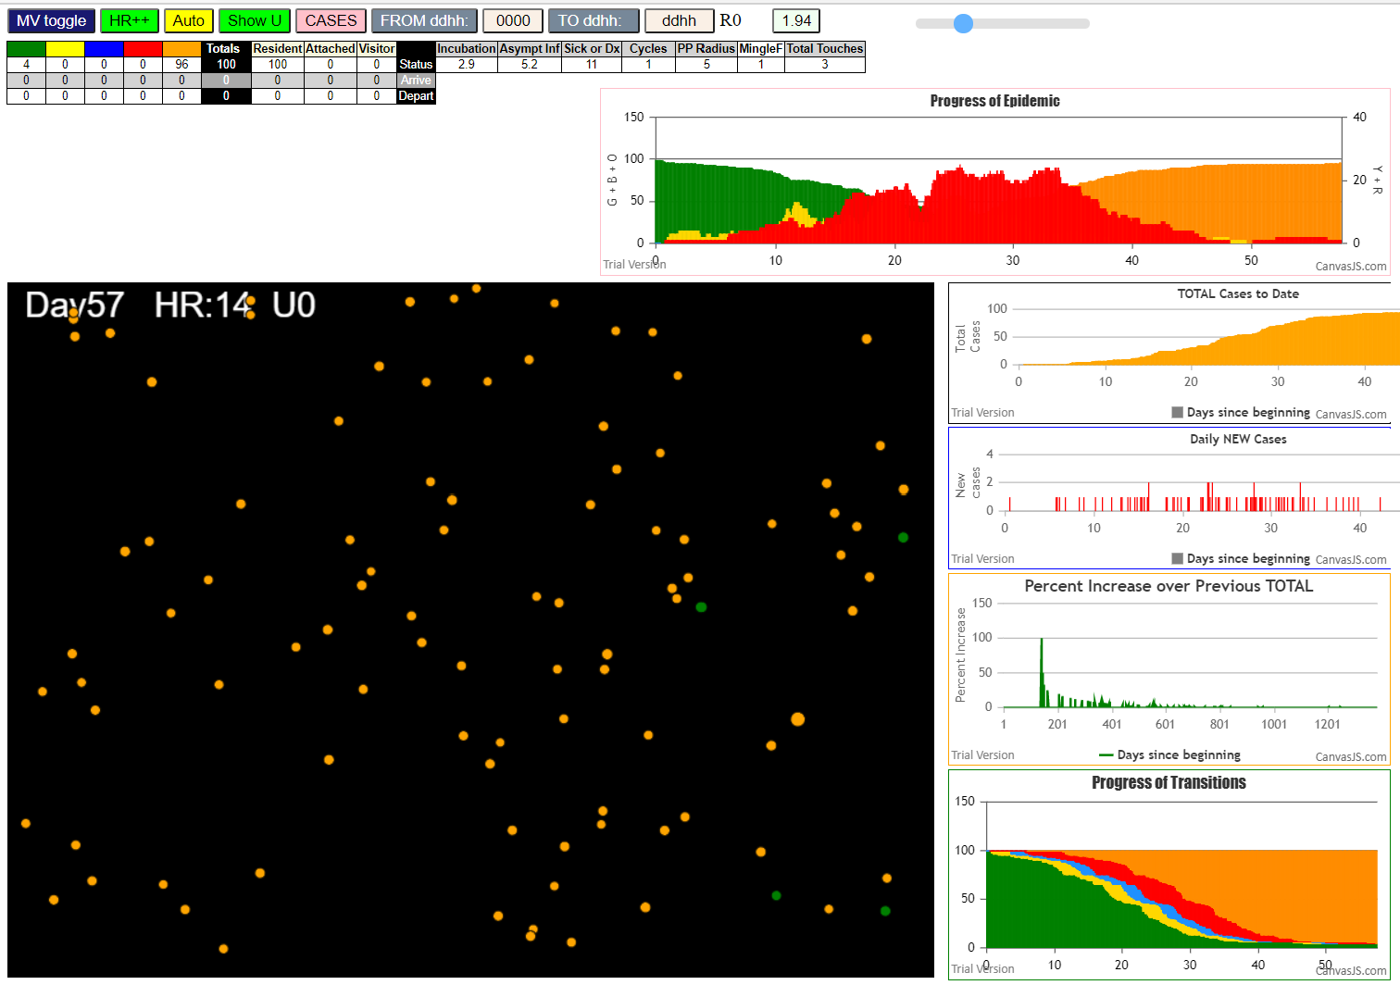
contactSimulation.js:1995 6I j:famKey 93:-1 infected by red i:famKey 5:-1 at gen 100 in Univ0
contactSimulation.js:1995 7I j:famKey 38:-1 infected by red i:famKey 5:-1 at gen 125 in Univ0
contactSimulation.js:2011 8I i:famKey 35:-1 infected by red j:famKey 72:-1 at gen 149 in U0
contactSimulation.js:1995 9I j:famKey 95:-1 infected by red i:famKey 72:-1 at gen 165 in Univ0
contactSimulation.js:1995 10I j:famKey 96:-1 infected by red i:famKey 20:-1 at gen 198 in Univ0
contactSimulation.js:1995 11I j:famKey 75:-1 infected by red i:famKey 20:-1 at gen 200 in Univ0
contactSimulation.js:1995 12I j:famKey 62:-1 infected by blue i:famKey 38:-1 at gen 218 in Univ0
contactSimulation.js:2011 13I i:famKey 48:-1 infected by red j:famKey 78:-1 at gen 225 in U0
contactSimulation.js:1995 14I j:famKey 90:-1 infected by blue i:famKey 35:-1 at gen 240 in Univ0
contactSimulation.js:2011 14I i:famKey 61:-1 infected by red j:famKey 78:-1 at gen 240 in U0
contactSimulation.js:1995 16I j:famKey 40:-1 infected by blue i:famKey 38:-1 at gen 245 in Univ0
contactSimulation.js:1995 17I j:famKey 69:-1 infected by red i:famKey 10:-1 at gen 254 in Univ0
contactSimulation.js:2011 18I i:famKey 18:-1 infected by red j:famKey 93:-1 at gen 257 in U0
contactSimulation.js:2011 19I i:famKey 68:-1 infected by red j:famKey 72:-1 at gen 260 in U0
contactSimulation.js:2011 19I i:famKey 2:-1 infected by blue j:famKey 95:-1 at gen 261 in U0
contactSimulation.js:1995 21I j:famKey 86:-1 infected by red i:famKey 10:-1 at gen 271 in Univ0
contactSimulation.js:1995 21I j:famKey 88:-1 infected by red i:famKey 10:-1 at gen 272 in Univ0
contactSimulation.js:2011 22I i:famKey 85:-1 infected by blue j:famKey 95:-1 at gen 273 in U0
contactSimulation.js:2011 24I i:famKey 34:-1 infected by red j:famKey 38:-1 at gen 276 in U0
contactSimulation.js:2011 25I i:famKey 11:-1 infected by red j:famKey 35:-1 at gen 316 in U0
contactSimulation.js:1995 26I j:famKey 97:-1 infected by red i:famKey 12:-1 at gen 324 in Univ0
contactSimulation.js:1995 27I j:famKey 94:-1 infected by blue i:famKey 62:-1 at gen 333 in Univ0
contactSimulation.js:2011 28I i:famKey 77:-1 infected by red j:famKey 93:-1 at gen 336 in U0
contactSimulation.js:2011 29I i:famKey 91:-1 infected by red j:famKey 96:-1 at gen 356 in U0
contactSimulation.js:1995 30I j:famKey 25:-1 infected by blue i:famKey 2:-1 at gen 359 in Univ0
contactSimulation.js:2011 31I i:famKey 6:-1 infected by red j:famKey 95:-1 at gen 377 in U0
contactSimulation.js:2011 32I i:famKey 1:-1 infected by red j:famKey 68:-1 at gen 380 in U0
contactSimulation.js:2011 32I i:famKey 26:-1 infected by red j:famKey 75:-1 at gen 380 in U0
contactSimulation.js:2011 34I i:famKey 60:-1 infected by blue j:famKey 88:-1 at gen 384 in U0
contactSimulation.js:2011 35I i:famKey 37:-1 infected by red j:famKey 88:-1 at gen 414 in U0
contactSimulation.js:1995 36I j:famKey 92:-1 infected by red i:famKey 69:-1 at gen 417 in Univ0
contactSimulation.js:2011 37I i:famKey 7:-1 infected by red j:famKey 48:-1 at gen 420 in U0
contactSimulation.js:2011 37I i:famKey 44:-1 infected by red j:famKey 86:-1 at gen 421 in U0
contactSimulation.js:2011 38I i:famKey 41:-1 infected by blue j:famKey 97:-1 at gen 422 in U0
contactSimulation.js:1995 40I j:famKey 81:-1 infected by red i:famKey 68:-1 at gen 426 in Univ0
contactSimulation.js:1995 41I j:famKey 50:-1 infected by red i:famKey 2:-1 at gen 428 in Univ0
contactSimulation.js:2011 42I i:famKey 49:-1 infected by red j:famKey 85:-1 at gen 434 in U0
contactSimulation.js:2011 43I i:famKey 24:-1 infected by red j:famKey 34:-1 at gen 436 in U0
contactSimulation.js:2011 44I i:famKey 4:-1 infected by red j:famKey 86:-1 at gen 439 in U0
contactSimulation.js:2011 44I i:famKey 23:-1 infected by red j:famKey 75:-1 at gen 439 in U0
contactSimulation.js:2011 46I i:famKey 29:-1 infected by red j:famKey 86:-1 at gen 443 in U0
contactSimulation.js:2011 47I i:famKey 63:-1 infected by blue j:famKey 77:-1 at gen 448 in U0
contactSimulation.js:2011 48I i:famKey 27:-1 infected by red j:famKey 88:-1 at gen 455 in U0
contactSimulation.js:2011 49I i:famKey 15:-1 infected by red j:famKey 40:-1 at gen 458 in U0
contactSimulation.js:2011 50I i:famKey 31:-1 infected by red j:famKey 88:-1 at gen 463 in U0
contactSimulation.js:1995 51I j:famKey 98:-1 infected by red i:famKey 2:-1 at gen 480 in Univ0
contactSimulation.js:2011 52I i:famKey 65:-1 infected by red j:famKey 69:-1 at gen 485 in U0
contactSimulation.js:1995 53I j:famKey 73:-1 infected by blue i:famKey 60:-1 at gen 490 in Univ0
contactSimulation.js:1995 54I j:famKey 54:-1 infected by red i:famKey 26:-1 at gen 514 in Univ0
contactSimulation.js:1995 55I j:famKey 84:-1 infected by blue i:famKey 23:-1 at gen 535 in Univ0
contactSimulation.js:2011 56I i:famKey 9:-1 infected by red j:famKey 44:-1 at gen 545 in U0
contactSimulation.js:1995 57I j:famKey 51:-1 infected by blue i:famKey 49:-1 at gen 552 in Univ0
contactSimulation.js:2011 58I i:famKey 3:-1 infected by red j:famKey 60:-1 at gen 554 in U0
contactSimulation.js:1995 58I j:famKey 82:-1 infected by red i:famKey 60:-1 at gen 554 in Univ0
contactSimulation.js:2011 58I i:famKey 70:-1 infected by red j:famKey 81:-1 at gen 554 in U0
contactSimulation.js:2011 58I i:famKey 22:-1 infected by blue j:famKey 27:-1 at gen 555 in U0
contactSimulation.js:1995 58I j:famKey 30:-1 infected by red i:famKey 26:-1 at gen 555 in Univ0
contactSimulation.js:2011 63I i:famKey 16:-1 infected by red j:famKey 49:-1 at gen 562 in U0
contactSimulation.js:1995 63I j:famKey 33:-1 infected by red i:famKey 26:-1 at gen 562 in Univ0
contactSimulation.js:1995 65I j:famKey 47:-1 infected by blue i:famKey 31:-1 at gen 573 in Univ0
contactSimulation.js:1995 65I j:famKey 76:-1 infected by red i:famKey 49:-1 at gen 573 in Univ0
contactSimulation.js:2011 67I i:famKey 8:-1 infected by blue j:famKey 27:-1 at gen 575 in U0
contactSimulation.js:2011 68I i:famKey 39:-1 infected by blue j:famKey 98:-1 at gen 577 in U0
contactSimulation.js:2011 69I i:famKey 21:-1 infected by red j:famKey 44:-1 at gen 590 in U0
contactSimulation.js:1995 70I j:famKey 17:-1 infected by red i:famKey 15:-1 at gen 604 in Univ0
contactSimulation.js:1995 71I j:famKey 46:-1 infected by red i:famKey 23:-1 at gen 616 in Univ0
contactSimulation.js:1995 71I j:famKey 45:-1 infected by red i:famKey 26:-1 at gen 616 in Univ0
contactSimulation.js:1995 73I j:famKey 64:-1 infected by blue i:famKey 54:-1 at gen 620 in Univ0
contactSimulation.js:2011 74I i:famKey 36:-1 infected by red j:famKey 73:-1 at gen 626 in U0
contactSimulation.js:1995 75I j:famKey 87:-1 infected by red i:famKey 27:-1 at gen 635 in Univ0
contactSimulation.js:2011 76I i:famKey 13:-1 infected by red j:famKey 73:-1 at gen 640 in U0
contactSimulation.js:1995 77I j:famKey 57:-1 infected by red i:famKey 27:-1 at gen 647 in Univ0
contactSimulation.js:1995 78I j:famKey 99:-1 infected by red i:famKey 7:-1 at gen 657 in Univ0
contactSimulation.js:2011 79I i:famKey 58:-1 infected by blue j:famKey 82:-1 at gen 666 in U0
contactSimulation.js:1995 80I j:famKey 83:-1 infected by blue i:famKey 16:-1 at gen 678 in Univ0
contactSimulation.js:1995 81I j:famKey 52:-1 infected by red i:famKey 15:-1 at gen 683 in Univ0
contactSimulation.js:1995 82I j:famKey 89:-1 infected by red i:famKey 84:-1 at gen 686 in Univ0
contactSimulation.js:1995 83I j:famKey 71:-1 infected by blue i:famKey 64:-1 at gen 693 in Univ0
contactSimulation.js:1995 84I j:famKey 74:-1 infected by red i:famKey 3:-1 at gen 697 in Univ0
contactSimulation.js:2011 85I i:famKey 43:-1 infected by red j:famKey 82:-1 at gen 709 in U0
contactSimulation.js:2011 86I i:famKey 55:-1 infected by red j:famKey 98:-1 at gen 717 in U0
contactSimulation.js:1995 87I j:famKey 80:-1 infected by red i:famKey 36:-1 at gen 759 in Univ0
contactSimulation.js:1995 88I j:famKey 32:-1 infected by red i:famKey 8:-1 at gen 775 in Univ0
contactSimulation.js:2011 89I i:famKey 66:-1 infected by red j:famKey 76:-1 at gen 790 in U0
contactSimulation.js:1995 90I j:famKey 53:-1 infected by red i:famKey 52:-1 at gen 819 in Univ0
contactSimulation.js:1995 91I j:famKey 59:-1 infected by red i:famKey 52:-1 at gen 830 in Univ0
contactSimulation.js:2011 92I i:famKey 42:-1 infected by red j:famKey 87:-1 at gen 843 in U0
contactSimulation.js:2011 93I i:famKey 79:-1 infected by red j:famKey 89:-1 at gen 895 in U0
contactSimulation.js:2011 94I i:famKey 0:-1 infected by red j:famKey 79:-1 at gen 1086 in U0
contactSimulation.js:2011 95I i:famKey 56:-1 infected by red j:famKey 79:-1 at gen 1123 in U0

tInert10
contactSimulation.js:4160 exit covidSim
contactSimulation.js:23 getAsText File {name: "HundredAgentsU0mF1.csv", lastModified: 1608077990000, lastModifiedDate: Tue Dec 15 2020 16:19:50 GMT-0800 (Pacific Standard Time), webkitRelativePath: "", size: 2140, …}
contactSimulation.js:32 File {name: "HundredAgentsU0mF1.csv", lastModified: 1608077990000, lastModifiedDate: Tue Dec 15 2020 16:19:50 GMT-0800 (Pacific Standard Time), webkitRelativePath: "", size: 2140, …}
contactSimulation.js:23 getAsText File {name: "VL1.csv", lastModified: 1608081530000, lastModifiedDate: Tue Dec 15 2020 17:18:50 GMT-0800 (Pacific Standard Time), webkitRelativePath: "", size: 65, …}
contactSimulation.js:32 File {name: "VL1.csv", lastModified: 1608081530000, lastModifiedDate: Tue Dec 15 2020 17:18:50 GMT-0800 (Pacific Standard Time), webkitRelativePath: "", size: 65, …}
contactSimulation.js:2000 1I j:famKey 24:-1 infected by blue i:famKey 5:-1 at gen 6 in Univ0
contactSimulation.js:2000 2I j:famKey 96:-1 infected by red i:famKey 5:-1 at gen 27 in Univ0
contactSimulation.js:2000 3I j:famKey 8:-1 infected by red i:famKey 5:-1 at gen 117 in Univ0
contactSimulation.js:2000 4I j:famKey 74:-1 infected by blue i:famKey 8:-1 at gen 190 in Univ0
contactSimulation.js:2000 5I j:famKey 80:-1 infected by blue i:famKey 8:-1 at gen 224 in Univ0
contactSimulation.js:2000 6I j:famKey 66:-1 infected by red i:famKey 8:-1 at gen 243 in Univ0
contactSimulation.js:2000 7I j:famKey 25:-1 infected by red i:famKey 8:-1 at gen 295 in Univ0
contactSimulation.js:2016 8I i:famKey 45:-1 infected by blue j:famKey 80:-1 at gen 337 in U0
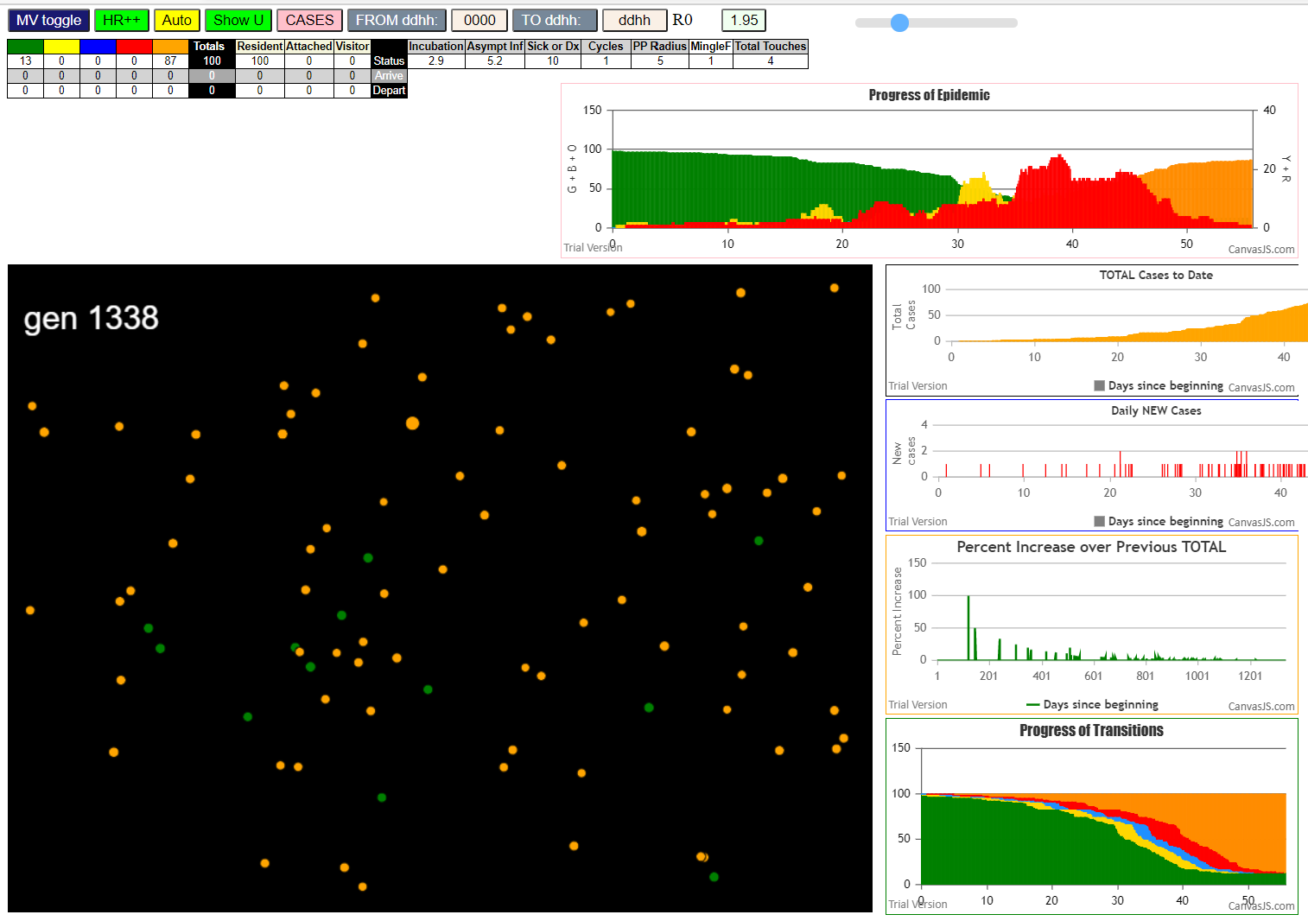
contactSimulation.js:2016 9I i:famKey 29:-1 infected by red j:famKey 74:-1 at gen 379 in U0
contactSimulation.js:2016 10I i:famKey 47:-1 infected by red j:famKey 80:-1 at gen 389 in U0
contactSimulation.js:2016 11I i:famKey 55:-1 infected by red j:famKey 80:-1 at gen 391 in U0
contactSimulation.js:2016 11I i:famKey 27:-1 infected by red j:famKey 66:-1 at gen 392 in U0
contactSimulation.js:2016 13I i:famKey 68:-1 infected by red j:famKey 74:-1 at gen 412 in U0
contactSimulation.js:2000 13I j:famKey 81:-1 infected by red i:famKey 74:-1 at gen 413 in Univ0
contactSimulation.js:2016 15I i:famKey 28:-1 infected by red j:famKey 80:-1 at gen 421 in U0
contactSimulation.js:2000 16I j:famKey 90:-1 infected by red i:famKey 80:-1 at gen 430 in Univ0
contactSimulation.js:2000 17I j:famKey 75:-1 infected by blue i:famKey 55:-1 at gen 511 in Univ0
contactSimulation.js:2000 18I j:famKey 84:-1 infected by blue i:famKey 81:-1 at gen 519 in Univ0
contactSimulation.js:2000 19I j:famKey 97:-1 infected by red i:famKey 27:-1 at gen 531 in Univ0
contactSimulation.js:2016 20I i:famKey 4:-1 infected by red j:famKey 55:-1 at gen 546 in U0
contactSimulation.js:2016 21I i:famKey 21:-1 infected by red j:famKey 28:-1 at gen 548 in U0
contactSimulation.js:2016 22I i:famKey 6:-1 infected by red j:famKey 55:-1 at gen 564 in U0
contactSimulation.js:2016 22I i:famKey 16:-1 infected by red j:famKey 55:-1 at gen 564 in U0
contactSimulation.js:2016 22I i:famKey 9:-1 infected by red j:famKey 29:-1 at gen 565 in U0
contactSimulation.js:2000 25I j:famKey 91:-1 infected by red i:famKey 55:-1 at gen 615 in Univ0
contactSimulation.js:2000 26I j:famKey 32:-1 infected by red i:famKey 28:-1 at gen 619 in Univ0
contactSimulation.js:2016 27I i:famKey 33:-1 infected by blue j:famKey 97:-1 at gen 637 in U0
contactSimulation.js:2016 28I i:famKey 30:-1 infected by blue j:famKey 97:-1 at gen 644 in U0
contactSimulation.js:2000 29I j:famKey 13:-1 infected by blue i:famKey 6:-1 at gen 648 in Univ0
contactSimulation.js:2000 30I j:famKey 23:-1 infected by blue i:famKey 4:-1 at gen 668 in Univ0
contactSimulation.js:2000 31I j:famKey 50:-1 infected by blue i:famKey 9:-1 at gen 677 in Univ0
contactSimulation.js:2000 32I j:famKey 99:-1 infected by red i:famKey 75:-1 at gen 686 in Univ0
contactSimulation.js:2016 33I i:famKey 44:-1 infected by red j:famKey 97:-1 at gen 712 in U0
contactSimulation.js:2016 33I i:famKey 61:-1 infected by red j:famKey 97:-1 at gen 713 in U0
contactSimulation.js:2016 34I i:famKey 15:-1 infected by red j:famKey 84:-1 at gen 714 in U0
contactSimulation.js:2000 36I j:famKey 88:-1 infected by red i:famKey 6:-1 at gen 716 in Univ0
contactSimulation.js:2000 36I j:famKey 46:-1 infected by red i:famKey 9:-1 at gen 717 in Univ0
contactSimulation.js:2016 38I i:famKey 0:-1 infected by red j:famKey 21:-1 at gen 721 in U0
contactSimulation.js:2016 38I i:famKey 22:-1 infected by red j:famKey 97:-1 at gen 722 in U0
contactSimulation.js:2000 39I j:famKey 65:-1 infected by blue i:famKey 30:-1 at gen 723 in Univ0
contactSimulation.js:2000 41I j:famKey 82:-1 infected by red i:famKey 16:-1 at gen 725 in Univ0
contactSimulation.js:2016 41I i:famKey 26:-1 infected by blue j:famKey 91:-1 at gen 725 in U0
contactSimulation.js:2016 41I i:famKey 1:-1 infected by red j:famKey 21:-1 at gen 726 in U0
contactSimulation.js:2000 44I j:famKey 60:-1 infected by red i:famKey 4:-1 at gen 731 in Univ0
contactSimulation.js:2000 44I j:famKey 37:-1 infected by red i:famKey 16:-1 at gen 732 in Univ0
contactSimulation.js:2000 46I j:famKey 78:-1 infected by red i:famKey 4:-1 at gen 745 in Univ0
contactSimulation.js:2016 46I i:famKey 20:-1 infected by blue j:famKey 30:-1 at gen 745 in U0
contactSimulation.js:2000 46I j:famKey 56:-1 infected by red i:famKey 4:-1 at gen 746 in Univ0
contactSimulation.js:2016 49I i:famKey 83:-1 infected by red j:famKey 97:-1 at gen 751 in U0
contactSimulation.js:2000 50I j:famKey 40:-1 infected by red i:famKey 6:-1 at gen 772 in Univ0
contactSimulation.js:2000 50I j:famKey 52:-1 infected by red i:famKey 32:-1 at gen 773 in Univ0
contactSimulation.js:2016 52I i:famKey 7:-1 infected by red j:famKey 30:-1 at gen 783 in U0
contactSimulation.js:2000 53I j:famKey 94:-1 infected by red i:famKey 9:-1 at gen 789 in Univ0
contactSimulation.js:2016 53I i:famKey 34:-1 infected by red j:famKey 50:-1 at gen 790 in U0
contactSimulation.js:2000 55I j:famKey 49:-1 infected by blue i:famKey 44:-1 at gen 793 in Univ0
contactSimulation.js:2000 56I j:famKey 38:-1 infected by red i:famKey 33:-1 at gen 800 in Univ0
contactSimulation.js:2000 57I j:famKey 31:-1 infected by red i:famKey 30:-1 at gen 807 in Univ0
contactSimulation.js:2016 58I i:famKey 10:-1 infected by red j:famKey 30:-1 at gen 819 in U0
contactSimulation.js:2000 59I j:famKey 92:-1 infected by blue i:famKey 26:-1 at gen 832 in Univ0
contactSimulation.js:2000 60I j:famKey 85:-1 infected by red i:famKey 23:-1 at gen 835 in Univ0
contactSimulation.js:2016 61I i:famKey 14:-1 infected by blue j:famKey 56:-1 at gen 844 in U0
contactSimulation.js:2000 62I j:famKey 71:-1 infected by blue i:famKey 1:-1 at gen 848 in Univ0
contactSimulation.js:2016 62I i:famKey 59:-1 infected by red j:famKey 60:-1 at gen 849 in U0
contactSimulation.js:2000 64I j:famKey 76:-1 infected by red i:famKey 30:-1 at gen 861 in Univ0
contactSimulation.js:2016 65I i:famKey 53:-1 infected by red j:famKey 99:-1 at gen 866 in U0
contactSimulation.js:2016 66I i:famKey 12:-1 infected by red j:famKey 78:-1 at gen 875 in U0
contactSimulation.js:2016 67I i:famKey 2:-1 infected by red j:famKey 44:-1 at gen 877 in U0
contactSimulation.js:2016 68I i:famKey 41:-1 infected by red j:famKey 88:-1 at gen 886 in U0
contactSimulation.js:2000 69I j:famKey 3:-1 infected by red i:famKey 0:-1 at gen 894 in Univ0
contactSimulation.js:2000 70I j:famKey 93:-1 infected by blue i:famKey 34:-1 at gen 896 in Univ0
contactSimulation.js:2016 70I i:famKey 63:-1 infected by blue j:famKey 94:-1 at gen 896 in U0
contactSimulation.js:2000 72I j:famKey 79:-1 infected by red i:famKey 40:-1 at gen 904 in Univ0
contactSimulation.js:2000 73I j:famKey 67:-1 infected by red i:famKey 56:-1 at gen 912 in Univ0
contactSimulation.js:2016 74I i:famKey 19:-1 infected by red j:famKey 56:-1 at gen 918 in U0
contactSimulation.js:2000 75I j:famKey 57:-1 infected by red i:famKey 37:-1 at gen 924 in Univ0
contactSimulation.js:2000 76I j:famKey 51:-1 infected by red i:famKey 7:-1 at gen 931 in Univ0
contactSimulation.js:2000 77I j:famKey 11:-1 infected by red i:famKey 1:-1 at gen 943 in Univ0
contactSimulation.js:2000 78I j:famKey 36:-1 infected by red i:famKey 34:-1 at gen 946 in Univ0
contactSimulation.js:2016 78I i:famKey 77:-1 infected by blue j:famKey 85:-1 at gen 946 in U0
contactSimulation.js:2016 80I i:famKey 17:-1 infected by red j:famKey 60:-1 at gen 951 in U0
contactSimulation.js:2000 81I j:famKey 64:-1 infected by red i:famKey 38:-1 at gen 959 in Univ0
contactSimulation.js:2016 82I i:famKey 73:-1 infected by red j:famKey 85:-1 at gen 969 in U0
contactSimulation.js:2000 83I j:famKey 86:-1 infected by red i:famKey 71:-1 at gen 1017 in Univ0
contactSimulation.js:2000 84I j:famKey 69:-1 infected by blue i:famKey 19:-1 at gen 1023 in Univ0
contactSimulation.js:2000 85I j:famKey 89:-1 infected by red i:famKey 2:-1 at gen 1065 in Univ0
contactSimulation.js:2016 86I i:famKey 72:-1 infected by red j:famKey 79:-1 at gen 1105 in U0

tInert9
contactSimulation.js:4160 exit covidSim
contactSimulation.js:23 getAsText File {name: "HundredAgentsU0mF1.csv", lastModified: 1608077990000, lastModifiedDate: Tue Dec 15 2020 16:19:50 GMT-0800 (Pacific Standard Time), webkitRelativePath: "", size: 2140, …}
contactSimulation.js:32 File {name: "HundredAgentsU0mF1.csv", lastModified: 1608077990000, lastModifiedDate: Tue Dec 15 2020 16:19:50 GMT-0800 (Pacific Standard Time), webkitRelativePath: "", size: 2140, …}
contactSimulation.js:23 getAsText File {name: "VL1.csv", lastModified: 1608081530000, lastModifiedDate: Tue Dec 15 2020 17:18:50 GMT-0800 (Pacific Standard Time), webkitRelativePath: "", size: 65, …}
contactSimulation.js:32 File {name: "VL1.csv", lastModified: 1608081530000, lastModifiedDate: Tue Dec 15 2020 17:18:50 GMT-0800 (Pacific Standard Time), webkitRelativePath: "", size: 65, …}
contactSimulation.js:2000 1I j:famKey 36:-1 infected by blue i:famKey 5:-1 at gen 11 in Univ0
contactSimulation.js:2000 2I j:famKey 86:-1 infected by red i:famKey 5:-1 at gen 76 in Univ0
contactSimulation.js:2000 3I j:famKey 99:-1 infected by red i:famKey 5:-1 at gen 88 in Univ0
contactSimulation.js:2000 4I j:famKey 57:-1 infected by red i:famKey 36:-1 at gen 177 in Univ0
contactSimulation.js:2016 5I i:famKey 46:-1 infected by red j:famKey 86:-1 at gen 241 in U0
contactSimulation.js:2016 6I i:famKey 20:-1 infected by red j:famKey 86:-1 at gen 243 in U0
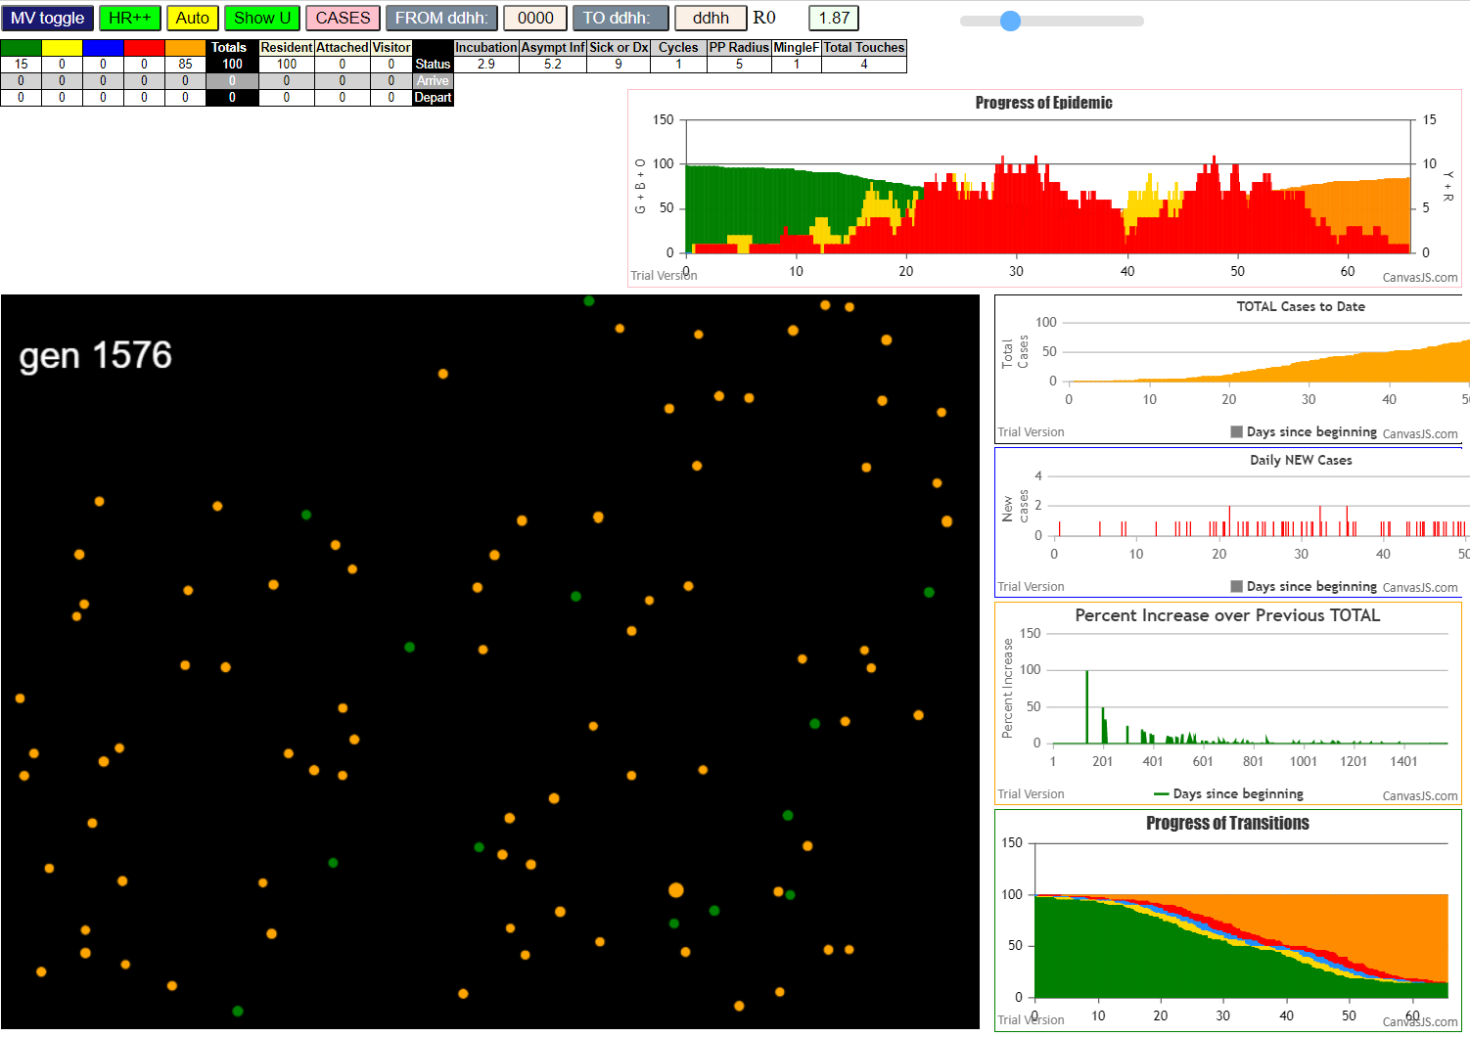
contactSimulation.js:2016 7I i:famKey 72:-1 infected by red j:famKey 99:-1 at gen 267 in U0
contactSimulation.js:2016 8I i:famKey 11:-1 infected by red j:famKey 99:-1 at gen 280 in U0
contactSimulation.js:2016 9I i:famKey 1:-1 infected by blue j:famKey 20:-1 at gen 341 in U0
contactSimulation.js:2000 10I j:famKey 55:-1 infected by blue i:famKey 20:-1 at gen 346 in Univ0
contactSimulation.js:2000 11I j:famKey 59:-1 infected by blue i:famKey 20:-1 at gen 354 in Univ0
contactSimulation.js:2016 12I i:famKey 58:-1 infected by blue j:famKey 72:-1 at gen 371 in U0
contactSimulation.js:2000 13I j:famKey 33:-1 infected by blue i:famKey 11:-1 at gen 381 in Univ0
contactSimulation.js:2016 14I i:famKey 9:-1 infected by red j:famKey 20:-1 at gen 384 in U0
contactSimulation.js:2000 15I j:famKey 91:-1 infected by red i:famKey 72:-1 at gen 391 in Univ0
contactSimulation.js:2016 16I i:famKey 67:-1 infected by red j:famKey 72:-1 at gen 401 in U0
contactSimulation.js:2000 17I j:famKey 88:-1 infected by red i:famKey 11:-1 at gen 414 in Univ0
contactSimulation.js:2000 18I j:famKey 65:-1 infected by blue i:famKey 1:-1 at gen 439 in Univ0
contactSimulation.js:2016 18I i:famKey 63:-1 infected by red j:famKey 72:-1 at gen 440 in U0
contactSimulation.js:2016 20I i:famKey 69:-1 infected by red j:famKey 72:-1 at gen 454 in U0
contactSimulation.js:2000 21I j:famKey 60:-1 infected by blue i:famKey 33:-1 at gen 477 in Univ0
contactSimulation.js:2016 22I i:famKey 31:-1 infected by blue j:famKey 58:-1 at gen 480 in U0
contactSimulation.js:2016 23I i:famKey 42:-1 infected by red j:famKey 59:-1 at gen 492 in U0
contactSimulation.js:2000 23I j:famKey 90:-1 infected by blue i:famKey 9:-1 at gen 493 in Univ0
contactSimulation.js:2000 25I j:famKey 61:-1 infected by red i:famKey 55:-1 at gen 516 in Univ0
contactSimulation.js:2000 26I j:famKey 95:-1 infected by red i:famKey 59:-1 at gen 524 in Univ0
contactSimulation.js:2016 27I i:famKey 26:-1 infected by red j:famKey 33:-1 at gen 543 in U0
contactSimulation.js:2000 28I j:famKey 44:-1 infected by red i:famKey 33:-1 at gen 548 in Univ0
contactSimulation.js:2016 29I i:famKey 40:-1 infected by red j:famKey 63:-1 at gen 554 in U0
contactSimulation.js:2000 29I j:famKey 50:-1 infected by red i:famKey 33:-1 at gen 555 in Univ0
contactSimulation.js:2000 31I j:famKey 71:-1 infected by red i:famKey 9:-1 at gen 565 in Univ0
contactSimulation.js:2000 32I j:famKey 48:-1 infected by red i:famKey 33:-1 at gen 572 in Univ0
contactSimulation.js:2016 33I i:famKey 8:-1 infected by red j:famKey 65:-1 at gen 578 in U0
contactSimulation.js:2016 34I i:famKey 15:-1 infected by red j:famKey 65:-1 at gen 598 in U0
contactSimulation.js:2016 35I i:famKey 21:-1 infected by blue j:famKey 90:-1 at gen 606 in U0
contactSimulation.js:2000 36I j:famKey 74:-1 infected by red i:famKey 31:-1 at gen 619 in Univ0
contactSimulation.js:2000 37I j:famKey 97:-1 infected by red i:famKey 63:-1 at gen 630 in Univ0
contactSimulation.js:2000 38I j:famKey 96:-1 infected by blue i:famKey 71:-1 at gen 642 in Univ0
contactSimulation.js:2016 39I i:famKey 18:-1 infected by blue j:famKey 71:-1 at gen 664 in U0
contactSimulation.js:2000 39I j:famKey 43:-1 infected by blue i:famKey 26:-1 at gen 664 in Univ0
contactSimulation.js:2000 39I j:famKey 82:-1 infected by red i:famKey 60:-1 at gen 664 in Univ0
contactSimulation.js:2016 42I i:famKey 68:-1 infected by red j:famKey 95:-1 at gen 679 in U0
contactSimulation.js:2016 43I i:famKey 19:-1 infected by red j:famKey 40:-1 at gen 711 in U0
contactSimulation.js:2016 44I i:famKey 4:-1 infected by blue j:famKey 97:-1 at gen 737 in U0
contactSimulation.js:2000 45I j:famKey 54:-1 infected by red i:famKey 40:-1 at gen 739 in Univ0
contactSimulation.js:2000 46I j:famKey 73:-1 infected by red i:famKey 48:-1 at gen 742 in Univ0
contactSimulation.js:2016 47I i:famKey 16:-1 infected by red j:famKey 50:-1 at gen 751 in U0
contactSimulation.js:2016 48I i:famKey 22:-1 infected by red j:famKey 48:-1 at gen 759 in U0
contactSimulation.js:2016 49I i:famKey 49:-1 infected by red j:famKey 82:-1 at gen 831 in U0
contactSimulation.js:2000 50I j:famKey 45:-1 infected by red i:famKey 19:-1 at gen 843 in Univ0
contactSimulation.js:2000 51I j:famKey 98:-1 infected by blue i:famKey 16:-1 at gen 858 in Univ0
contactSimulation.js:2016 52I i:famKey 14:-1 infected by red j:famKey 82:-1 at gen 861 in U0
contactSimulation.js:2000 53I j:famKey 87:-1 infected by red i:famKey 19:-1 at gen 915 in Univ0
contactSimulation.js:2016 54I i:famKey 32:-1 infected by blue j:famKey 45:-1 at gen 923 in U0
contactSimulation.js:2000 55I j:famKey 70:-1 infected by blue i:famKey 45:-1 at gen 945 in Univ0
contactSimulation.js:2000 55I j:famKey 25:-1 infected by blue i:famKey 14:-1 at gen 946 in Univ0
contactSimulation.js:2000 57I j:famKey 80:-1 infected by blue i:famKey 45:-1 at gen 951 in Univ0
contactSimulation.js:2000 58I j:famKey 66:-1 infected by blue i:famKey 14:-1 at gen 961 in Univ0
contactSimulation.js:2000 58I j:famKey 56:-1 infected by blue i:famKey 45:-1 at gen 962 in Univ0
contactSimulation.js:2016 60I i:famKey 3:-1 infected by red j:famKey 14:-1 at gen 985 in U0
contactSimulation.js:2000 61I j:famKey 30:-1 infected by red i:famKey 14:-1 at gen 993 in Univ0
contactSimulation.js:2016 62I i:famKey 27:-1 infected by red j:famKey 49:-1 at gen 1001 in U0
contactSimulation.js:2000 63I j:famKey 75:-1 infected by red i:famKey 45:-1 at gen 1005 in Univ0
contactSimulation.js:2016 64I i:famKey 7:-1 infected by red j:famKey 14:-1 at gen 1018 in U0
contactSimulation.js:2000 65I j:famKey 35:-1 infected by red i:famKey 14:-1 at gen 1023 in Univ0
contactSimulation.js:2016 66I i:famKey 39:-1 infected by blue j:famKey 70:-1 at gen 1049 in U0
contactSimulation.js:2016 67I i:famKey 6:-1 infected by red j:famKey 14:-1 at gen 1059 in U0
contactSimulation.js:2016 68I i:famKey 2:-1 infected by red j:famKey 87:-1 at gen 1063 in U0
contactSimulation.js:2016 68I i:famKey 62:-1 infected by blue j:famKey 80:-1 at gen 1063 in U0
contactSimulation.js:2016 70I i:famKey 53:-1 infected by blue j:famKey 66:-1 at gen 1074 in U0
contactSimulation.js:2016 71I i:famKey 13:-1 infected by blue j:famKey 27:-1 at gen 1099 in U0
contactSimulation.js:2016 72I i:famKey 17:-1 infected by blue j:famKey 30:-1 at gen 1106 in U0
contactSimulation.js:2000 73I j:famKey 77:-1 infected by red i:famKey 66:-1 at gen 1108 in Univ0
contactSimulation.js:2016 74I i:famKey 64:-1 infected by red j:famKey 70:-1 at gen 1138 in U0
contactSimulation.js:2000 75I j:famKey 79:-1 infected by red i:famKey 66:-1 at gen 1144 in Univ0
contactSimulation.js:2016 76I i:famKey 34:-1 infected by red j:famKey 70:-1 at gen 1152 in U0
contactSimulation.js:2000 77I j:famKey 81:-1 infected by blue i:famKey 53:-1 at gen 1156 in Univ0
contactSimulation.js:2000 78I j:famKey 92:-1 infected by blue i:famKey 17:-1 at gen 1182 in Univ0
contactSimulation.js:2000 79I j:famKey 52:-1 infected by red i:famKey 6:-1 at gen 1190 in Univ0
contactSimulation.js:2016 80I i:famKey 29:-1 infected by blue j:famKey 77:-1 at gen 1204 in U0
contactSimulation.js:2016 81I i:famKey 76:-1 infected by red j:famKey 79:-1 at gen 1263 in U0
contactSimulation.js:2016 82I i:famKey 41:-1 infected by red j:famKey 81:-1 at gen 1302 in U0
contactSimulation.js:2016 83I i:famKey 10:-1 infected by red j:famKey 64:-1 at gen 1321 in U0
contactSimulation.js:2016 84I i:famKey 37:-1 infected by red j:famKey 52:-1 at gen 1372 in U0

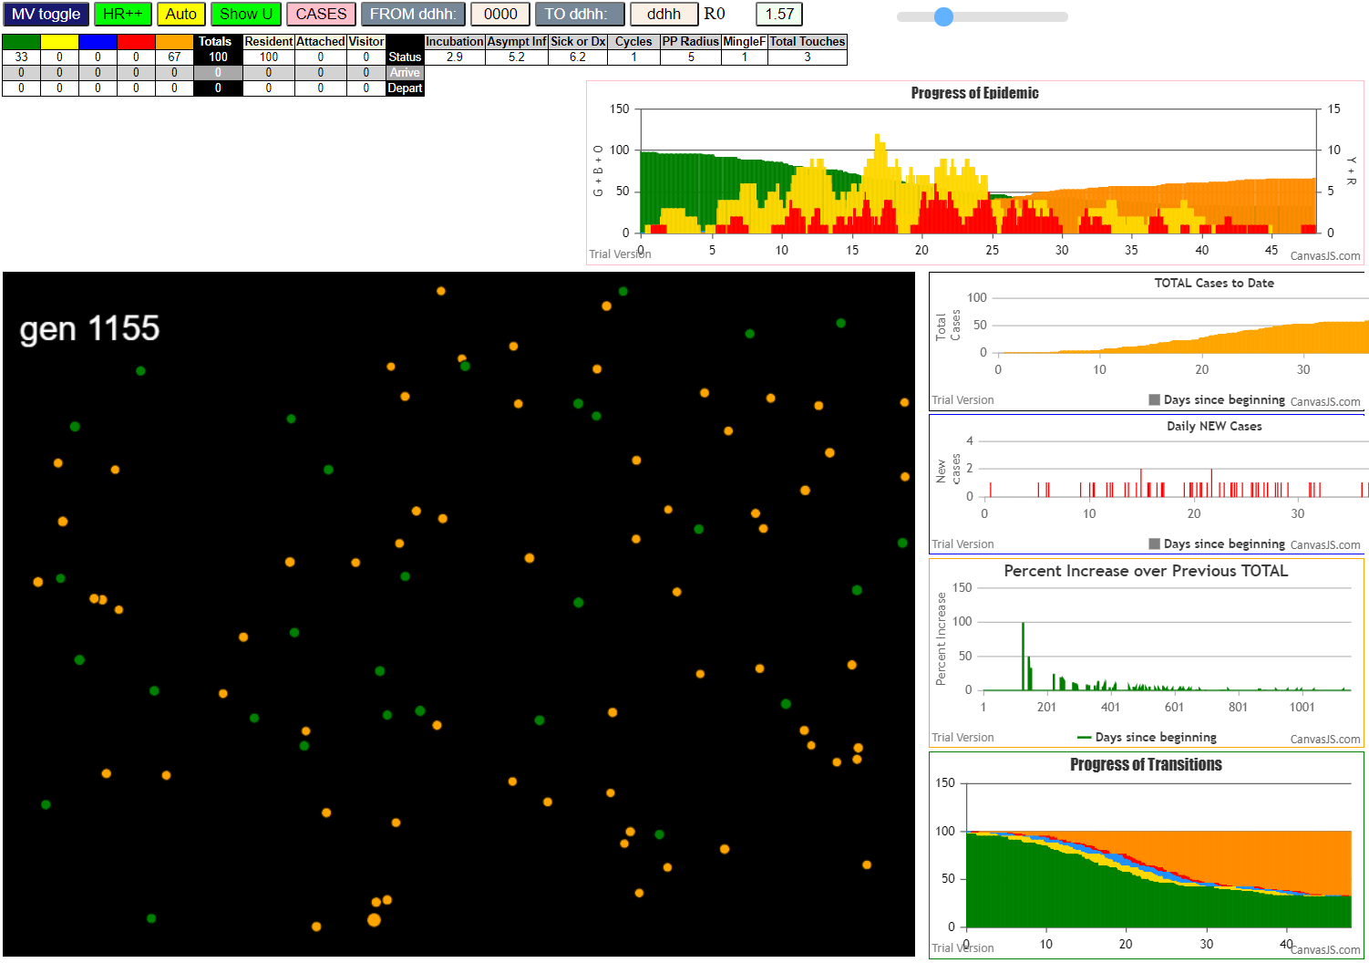
 | contactSimulation.js:4160 exit covidSim
 | contactSimulation.js:23 getAsText File {name: "HundredAgentsU0mF1.csv", lastModified: 1608077990000, lastModifiedDate: Tue Dec 15 2020 16:19:50 GMT-0800 (Pacific Standard Time), webkitRelativePath: "", size: 2140, …}
 | contactSimulation.js:32 File {name: "HundredAgentsU0mF1.csv", lastModified: 1608077990000, lastModifiedDate: Tue Dec 15 2020 16:19:50 GMT-0800 (Pacific Standard Time), webkitRelativePath: "", size: 2140, …}
 | contactSimulation.js:23 getAsText File {name: "VL1.csv", lastModified: 1608081530000, lastModifiedDate: Tue Dec 15 2020 17:18:50 GMT-0800 (Pacific Standard Time), webkitRelativePath: "", size: 65, …}
 | contactSimulation.js:32 File {name: "VL1.csv", lastModified: 1608081530000, lastModifiedDate: Tue Dec 15 2020 17:18:50 GMT-0800 (Pacific Standard Time), webkitRelativePath: "", size: 65, …}
 | contactSimulation.js:2000 1I j:famKey 13:-1 infected by blue i:famKey 5:-1 at gen 6 in Univ0
 | contactSimulation.js:2000 2I j:famKey 24:-1 infected by red i:famKey 5:-1 at gen 31 in Univ0
 | contactSimulation.js:2000 3I j:famKey 40:-1 infected by red i:famKey 5:-1 at gen 34 in Univ0
 | contactSimulation.js:2000 4I j:famKey 66:-1 infected by blue i:famKey 13:-1 at gen 108 in Univ0
 | contactSimulation.js:2000 5I j:famKey 61:-1 infected by red i:famKey 13:-1 at gen 128 in Univ0
 | contactSimulation.js:2000 5I j:famKey 79:-1 infected by red i:famKey 13:-1 at gen 128 in Univ0
 | contactSimulation.js:2000 7I j:famKey 67:-1 infected by red i:famKey 13:-1 at gen 130 in Univ0
 | contactSimulation.js:2000 8I j:famKey 98:-1 infected by red i:famKey 40:-1 at gen 167 in Univ0
 | contactSimulation.js:2000 8I j:famKey 90:-1 infected by red i:famKey 24:-1 at gen 168 in Univ0
 | contactSimulation.js:2000 10I j:famKey 73:-1 infected by red i:famKey 24:-1 at gen 174 in Univ0
 | contactSimulation.js:2016 11I i:famKey 56:-1 infected by blue j:famKey 66:-1 at gen 210 in U0
 | contactSimulation.js:2016 12I i:famKey 42:-1 infected by blue j:famKey 66:-1 at gen 215 in U0
 | contactSimulation.js:2016 13I i:famKey 44:-1 infected by red j:famKey 66:-1 at gen 229 in U0
 | contactSimulation.js:2016 14I i:famKey 6:-1 infected by blue j:famKey 79:-1 at gen 246 in U0
 | contactSimulation.js:2000 14I j:famKey 71:-1 infected by blue i:famKey 61:-1 at gen 247 in Univ0
 | contactSimulation.js:2016 16I i:famKey 64:-1 infected by blue j:famKey 90:-1 at gen 255 in U0
 | contactSimulation.js:2016 16I i:famKey 45:-1 infected by blue j:famKey 73:-1 at gen 256 in U0
 | contactSimulation.js:2016 18I i:famKey 84:-1 infected by blue j:famKey 98:-1 at gen 264 in U0
 | contactSimulation.js:2016 19I i:famKey 80:-1 infected by blue j:famKey 90:-1 at gen 280 in U0
 | contactSimulation.js:2016 20I i:famKey 68:-1 infected by blue j:famKey 98:-1 at gen 284 in U0
 | contactSimulation.js:2016 21I i:famKey 59:-1 infected by red j:famKey 90:-1 at gen 288 in U0
 | contactSimulation.js:2016 22I i:famKey 1:-1 infected by red j:famKey 98:-1 at gen 300 in U0
 | contactSimulation.js:2000 23I j:famKey 57:-1 infected by blue i:famKey 44:-1 at gen 340 in Univ0
 | contactSimulation.js:2000 24I j:famKey 29:-1 infected by blue i:famKey 6:-1 at gen 350 in Univ0
 | contactSimulation.js:2016 24I i:famKey 20:-1 infected by blue j:famKey 71:-1 at gen 350 in U0
 | contactSimulation.js:2000 26I j:famKey 96:-1 infected by red i:famKey 42:-1 at gen 356 in Univ0
 | contactSimulation.js:2000 27I j:famKey 37:-1 infected by blue i:famKey 6:-1 at gen 358 in Univ0
 | contactSimulation.js:2016 28I i:famKey 54:-1 infected by blue j:famKey 84:-1 at gen 372 in U0
 | contactSimulation.js:2016 29I i:famKey 27:-1 infected by red j:famKey 64:-1 at gen 376 in U0
 | contactSimulation.js:2016 30I i:famKey 10:-1 infected by blue j:famKey 68:-1 at gen 380 in U0
 | contactSimulation.js:2016 31I i:famKey 12:-1 infected by red j:famKey 84:-1 at gen 385 in U0
 | contactSimulation.js:2000 32I j:famKey 77:-1 infected by blue i:famKey 59:-1 at gen 397 in Univ0
 | contactSimulation.js:2016 33I i:famKey 36:-1 infected by blue j:famKey 59:-1 at gen 399 in U0
 | contactSimulation.js:2000 33I j:famKey 74:-1 infected by blue i:famKey 59:-1 at gen 399 in Univ0
 | contactSimulation.js:2000 35I j:famKey 35:-1 infected by red i:famKey 1:-1 at gen 427 in Univ0
 | contactSimulation.js:2000 36I j:famKey 94:-1 infected by blue i:famKey 20:-1 at gen 433 in Univ0
 | contactSimulation.js:2016 37I i:famKey 50:-1 infected by blue j:famKey 96:-1 at gen 452 in U0
 | contactSimulation.js:2000 38I j:famKey 87:-1 infected by blue i:famKey 37:-1 at gen 456 in Univ0
 | contactSimulation.js:2000 39I j:famKey 47:-1 infected by blue i:famKey 20:-1 at gen 458 in Univ0
 | contactSimulation.js:2016 40I i:famKey 7:-1 infected by blue j:famKey 10:-1 at gen 465 in U0
 | contactSimulation.js:2016 41I i:famKey 4:-1 infected by blue j:famKey 37:-1 at gen 469 in U0
 | contactSimulation.js:2000 42I j:famKey 53:-1 infected by blue i:famKey 36:-1 at gen 496 in Univ0
 | contactSimulation.js:2000 43I j:famKey 39:-1 infected by red i:famKey 27:-1 at gen 500 in Univ0
 | contactSimulation.js:2000 43I j:famKey 76:-1 infected by red i:famKey 27:-1 at gen 501 in Univ0
 | contactSimulation.js:2000 45I j:famKey 25:-1 infected by red i:famKey 10:-1 at gen 511 in Univ0
 | contactSimulation.js:2016 46I i:famKey 23:-1 infected by red j:famKey 77:-1 at gen 524 in U0
 | contactSimulation.js:2016 47I i:famKey 43:-1 infected by blue j:famKey 50:-1 at gen 527 in U0
 | contactSimulation.js:2000 48I j:famKey 60:-1 infected by red i:famKey 12:-1 at gen 529 in Univ0
 | contactSimulation.js:2000 49I j:famKey 58:-1 infected by red i:famKey 35:-1 at gen 548 in Univ0
 | contactSimulation.js:2016 50I i:famKey 88:-1 infected by red j:famKey 94:-1 at gen 553 in U0
 | contactSimulation.js:2016 51I i:famKey 38:-1 infected by red j:famKey 94:-1 at gen 564 in U0
 | contactSimulation.js:2000 52I j:famKey 97:-1 infected by red i:famKey 50:-1 at gen 580 in Univ0
 | contactSimulation.js:2000 53I j:famKey 72:-1 infected by blue i:famKey 60:-1 at gen 627 in Univ0
 | contactSimulation.js:2016 54I i:famKey 21:-1 infected by red j:famKey 53:-1 at gen 631 in U0
 | contactSimulation.js:2000 55I j:famKey 41:-1 infected by red i:famKey 39:-1 at gen 639 in Univ0
 | contactSimulation.js:2000 56I j:famKey 48:-1 infected by red i:famKey 25:-1 at gen 656 in Univ0
 | contactSimulation.js:2016 57I i:famKey 28:-1 infected by blue j:famKey 41:-1 at gen 747 in U0
 | contactSimulation.js:2000 57I j:famKey 91:-1 infected by blue i:famKey 41:-1 at gen 747 in Univ0
 | contactSimulation.js:2000 59I j:famKey 69:-1 infected by red i:famKey 21:-1 at gen 761 in Univ0
 | contactSimulation.js:2000 60I j:famKey 78:-1 infected by red i:famKey 48:-1 at gen 796 in Univ0
 | contactSimulation.js:2016 61I i:famKey 18:-1 infected by blue j:famKey 28:-1 at gen 830 in U0
 | contactSimulation.js:2016 62I i:famKey 81:-1 infected by blue j:famKey 91:-1 at gen 865 in U0
 | contactSimulation.js:2016 63I i:famKey 34:-1 infected by blue j:famKey 69:-1 at gen 881 in U0
 | contactSimulation.js:2016 64I i:famKey 32:-1 infected by blue j:famKey 78:-1 at gen 899 in U0
 | contactSimulation.js:2016 65I i:famKey 17:-1 infected by red j:famKey 78:-1 at gen 923 in U0
 | contactSimulation.js:2016 66I i:famKey 3:-1 infected by blue j:famKey 32:-1 at gen 1013 in U0

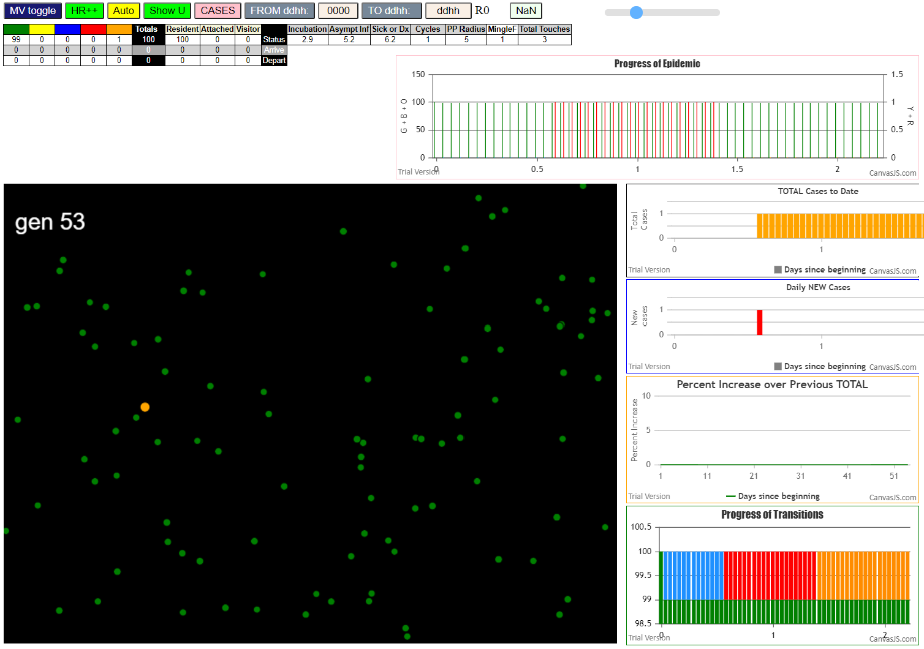

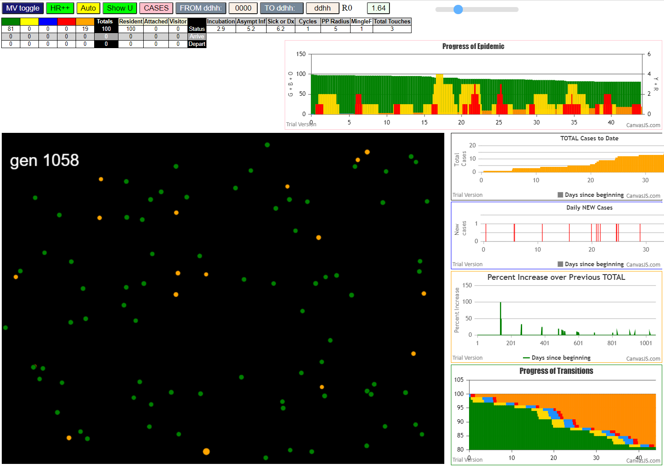
 | File {name: "VL1.csv", lastModified: 1608081530000, lastModifiedDate: Tue Dec 15 2020 17:18:50 GMT-0800 (Pacific Standard Time), webkitRelativePath: "", size: 65, …}
 | contactSimulation.js:2000 1I j:famKey 10:-1 infected by red i:famKey 5:-1 at gen 12 in Univ0
 | contactSimulation.js:2000 2I j:famKey 16:-1 infected by red i:famKey 5:-1 at gen 22 in Univ0
 | contactSimulation.js:2000 3I j:famKey 29:-1 infected by red i:famKey 10:-1 at gen 143 in Univ0
 | contactSimulation.js:2000 4I j:famKey 69:-1 infected by blue i:famKey 29:-1 at gen 260 in Univ0
 | contactSimulation.js:2016 5I i:famKey 36:-1 infected by blue j:famKey 69:-1 at gen 356 in U0
 | contactSimulation.js:2016 6I i:famKey 54:-1 infected by red j:famKey 69:-1 at gen 387 in U0
 | contactSimulation.js:2000 7I j:famKey 88:-1 infected by red i:famKey 69:-1 at gen 389 in Univ0
 | contactSimulation.js:2000 8I j:famKey 97:-1 infected by red i:famKey 69:-1 at gen 397 in Univ0
 | contactSimulation.js:2000 9I j:famKey 77:-1 infected by blue i:famKey 36:-1 at gen 471 in Univ0
 | contactSimulation.js:2000 9I j:famKey 79:-1 infected by blue i:famKey 36:-1 at gen 472 in Univ0
 | contactSimulation.js:2016 11I i:famKey 50:-1 infected by blue j:famKey 97:-1 at gen 478 in U0
 | contactSimulation.js:2000 12I j:famKey 80:-1 infected by blue i:famKey 79:-1 at gen 576 in Univ0
 | contactSimulation.js:2016 13I i:famKey 52:-1 infected by blue j:famKey 80:-1 at gen 686 in U0
 | contactSimulation.js:2016 14I i:famKey 76:-1 infected by red j:famKey 80:-1 at gen 711 in U0
 | contactSimulation.js:2016 15I i:famKey 17:-1 infected by blue j:famKey 76:-1 at gen 784 in U0
 | contactSimulation.js:2000 16I j:famKey 53:-1 infected by red i:famKey 52:-1 at gen 813 in Univ0
 | contactSimulation.js:2000 17I j:famKey 93:-1 infected by blue i:famKey 76:-1 at gen 820 in Univ0
 | contactSimulation.js:2016 18I i:famKey 13:-1 infected by blue j:famKey 53:-1 at gen 909 in U0

 |  | Dx 5.8 | zero

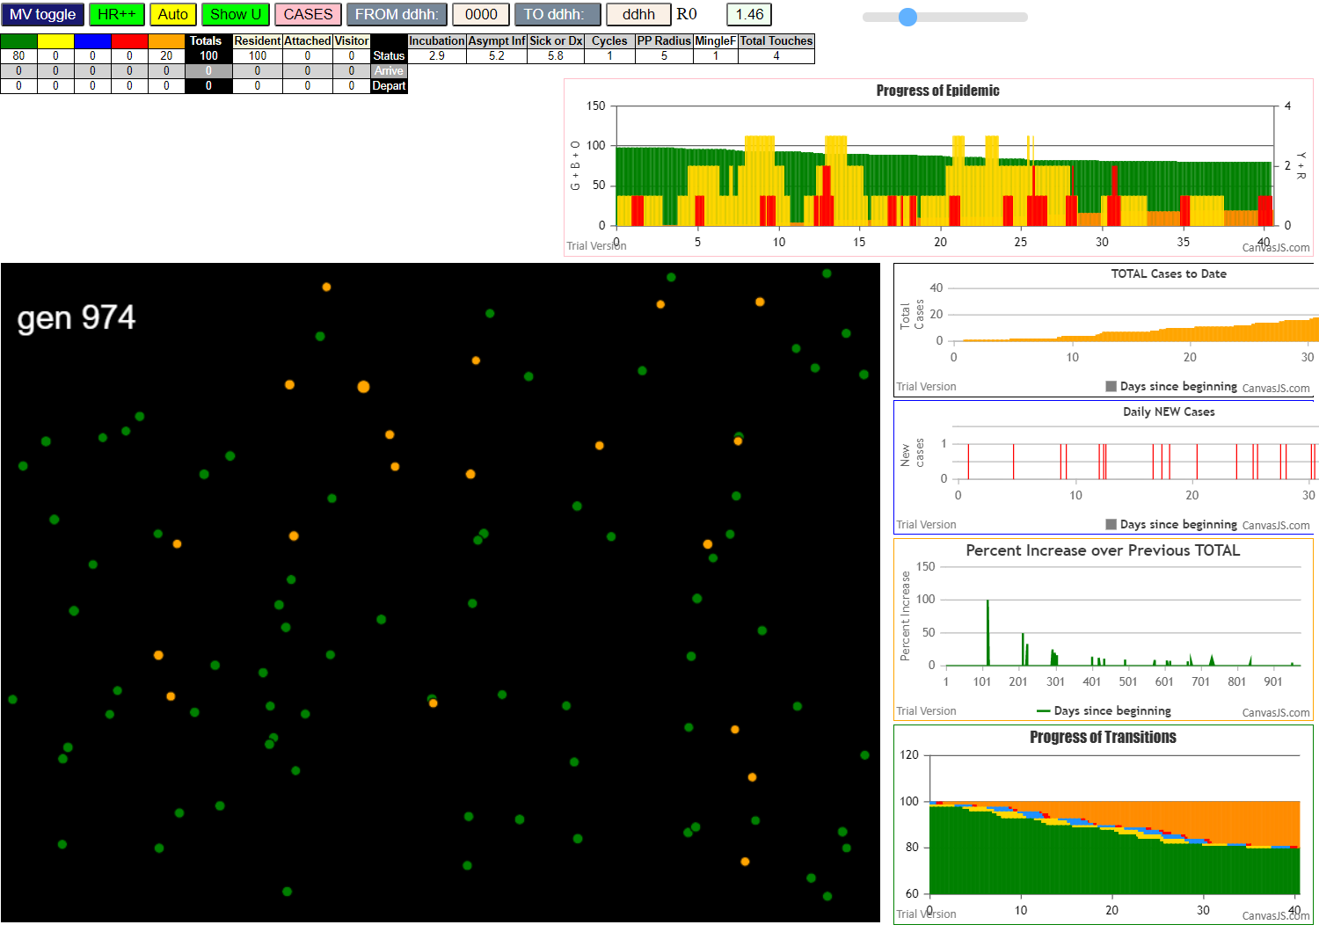

 | File {name: "VL1.csv", lastModified: 1608081530000, lastModifiedDate: Tue Dec 15 2020 17:18:50 GMT-0800 (Pacific Standard Time), webkitRelativePath: "", size: 65, …}
 | contactSimulation.js:2000 0I j:famKey 14:-1 infected by green i:famKey 5:-1 at gen 0 in Univ0
 | contactSimulation.js:2000 2I j:famKey 54:-1 infected by blue i:famKey 14:-1 at gen 89 in Univ0
 | contactSimulation.js:2000 3I j:famKey 78:-1 infected by blue i:famKey 14:-1 at gen 105 in Univ0
 | contactSimulation.js:2000 4I j:famKey 82:-1 infected by blue i:famKey 54:-1 at gen 166 in Univ0
 | contactSimulation.js:2000 5I j:famKey 83:-1 infected by blue i:famKey 54:-1 at gen 179 in Univ0
 | contactSimulation.js:2016 6I i:famKey 38:-1 infected by blue j:famKey 54:-1 at gen 190 in U0
 | contactSimulation.js:2016 7I i:famKey 17:-1 infected by blue j:famKey 38:-1 at gen 277 in U0
 | contactSimulation.js:2016 8I i:famKey 41:-1 infected by red j:famKey 82:-1 at gen 295 in U0
 | contactSimulation.js:2016 9I i:famKey 55:-1 infected by red j:famKey 83:-1 at gen 309 in U0
 | contactSimulation.js:2000 10I j:famKey 64:-1 infected by blue i:famKey 41:-1 at gen 377 in Univ0
 | contactSimulation.js:2000 11I j:famKey 76:-1 infected by blue i:famKey 64:-1 at gen 450 in Univ0
 | contactSimulation.js:2016 12I i:famKey 21:-1 infected by blue j:famKey 64:-1 at gen 487 in U0
 | contactSimulation.js:2016 13I i:famKey 46:-1 infected by red j:famKey 64:-1 at gen 498 in U0
 | contactSimulation.js:2016 14I i:famKey 63:-1 infected by blue j:famKey 76:-1 at gen 546 in U0
 | contactSimulation.js:2016 15I i:famKey 65:-1 infected by blue j:famKey 76:-1 at gen 550 in U0
 | contactSimulation.js:2016 16I i:famKey 12:-1 infected by red j:famKey 21:-1 at gen 608 in U0
 | contactSimulation.js:2000 17I j:famKey 81:-1 infected by red i:famKey 46:-1 at gen 616 in Univ0
 | contactSimulation.js:2000 18I j:famKey 91:-1 infected by blue i:famKey 12:-1 at gen 718 in Univ0
 | contactSimulation.js:2016 19I i:famKey 66:-1 infected by red j:famKey 91:-1 at gen 835 in U0

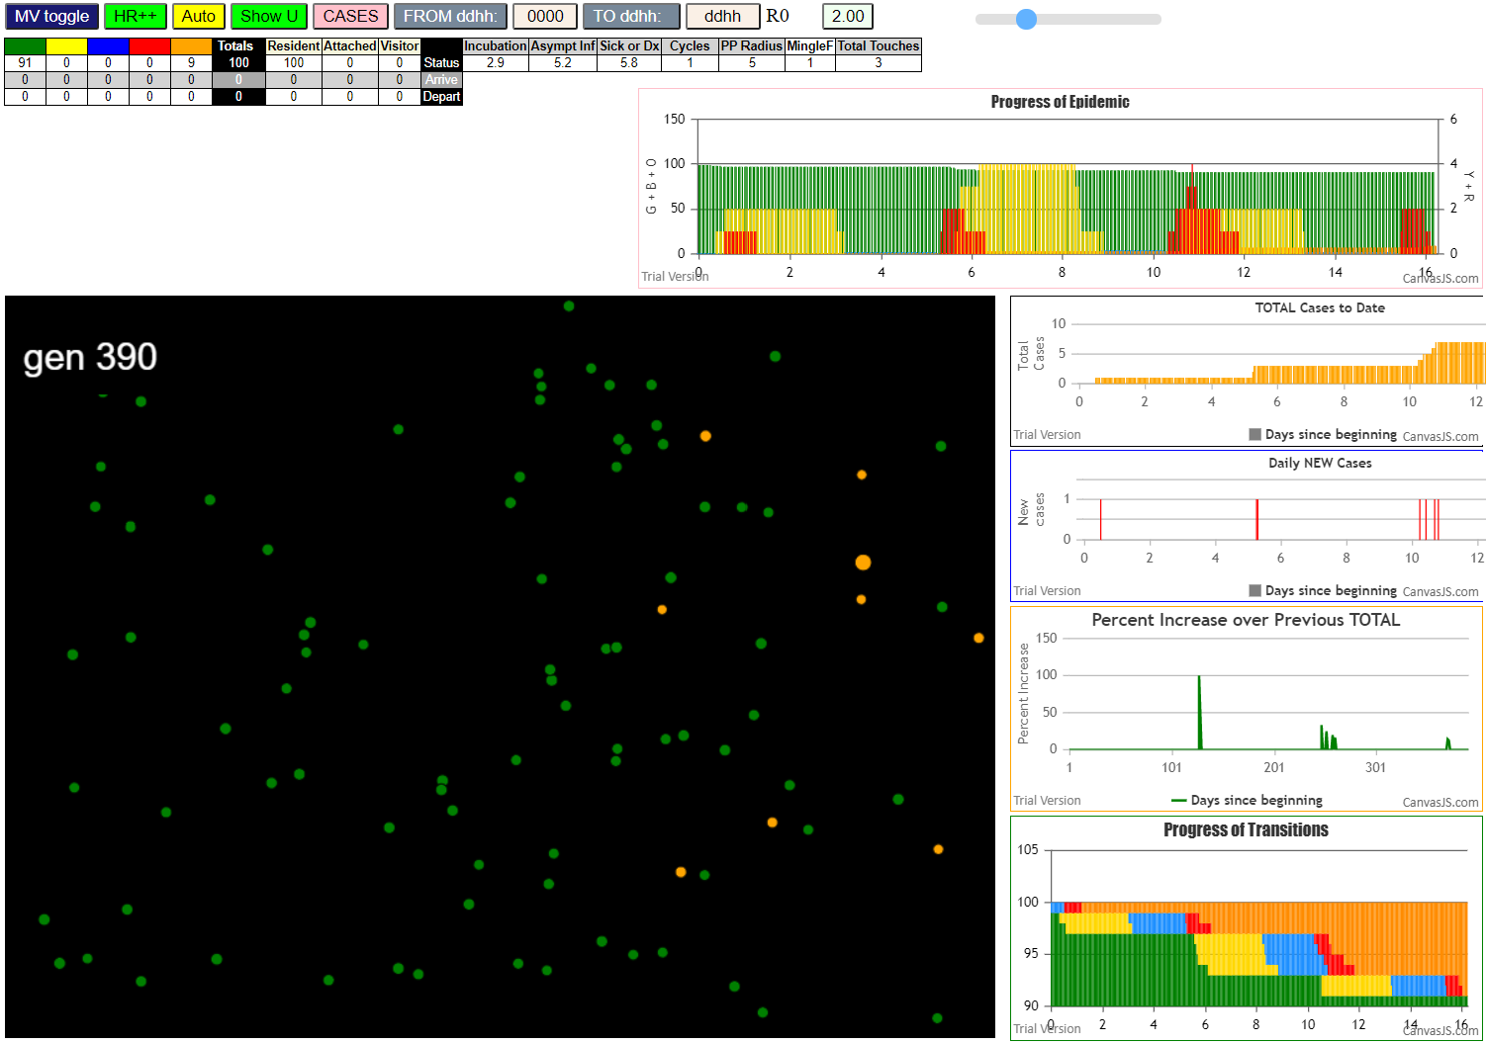

 | File {name: "VL1.csv", lastModified: 1608081530000, lastModifiedDate: Tue Dec 15 2020 17:18:50 GMT-0800 (Pacific Standard Time), webkitRelativePath: "", size: 65, …}
 | contactSimulation.js:2000 1I j:famKey 79:-1 infected by blue i:famKey 5:-1 at gen 8 in Univ0
 | contactSimulation.js:2000 2I j:famKey 65:-1 infected by red i:famKey 5:-1 at gen 13 in Univ0
 | contactSimulation.js:2016 3I i:famKey 77:-1 infected by red j:famKey 79:-1 at gen 134 in U0
 | contactSimulation.js:2016 4I i:famKey 1:-1 infected by red j:famKey 65:-1 at gen 136 in U0
 | contactSimulation.js:2016 4I i:famKey 9:-1 infected by red j:famKey 65:-1 at gen 137 in U0
 | contactSimulation.js:2016 6I i:famKey 29:-1 infected by red j:famKey 65:-1 at gen 147 in U0
 | contactSimulation.js:2000 7I j:famKey 17:-1 infected by blue i:famKey 9:-1 at gen 253 in Univ0
 | contactSimulation.js:2000 7I j:famKey 64:-1 infected by blue i:famKey 9:-1 at gen 253 in Univ0

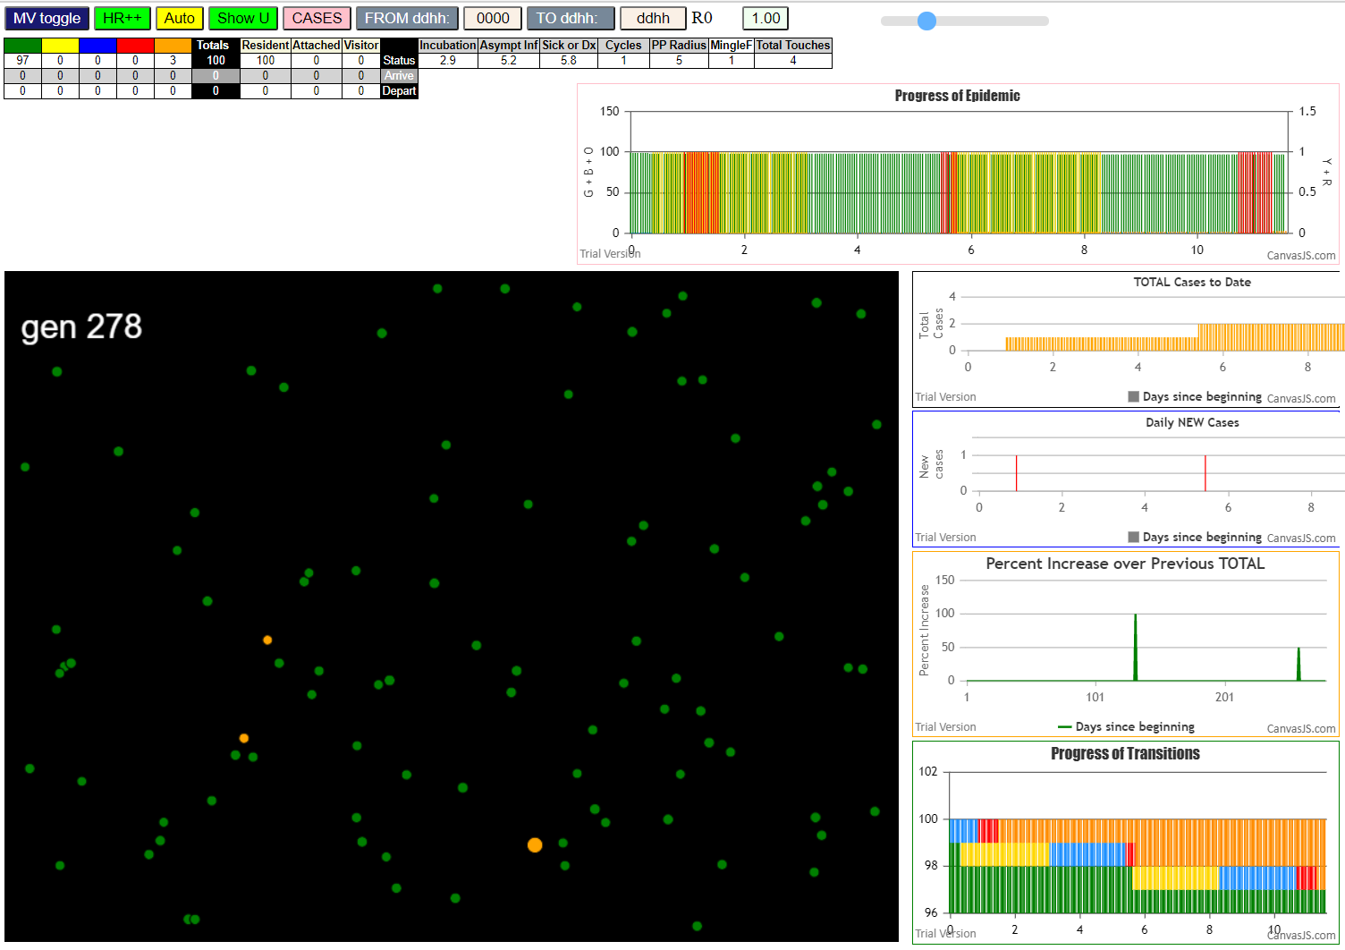
 | File {name: "VL1.csv", lastModified: 1608081530000, lastModifiedDate: Tue Dec 15 2020 17:18:50 GMT-0800 (Pacific Standard Time), webkitRelativePath: "", size: 65, …}
 | contactSimulation.js:2000 1I j:famKey 47:-1 infected by blue i:famKey 5:-1 at gen 8 in Univ0
 | contactSimulation.js:2016 2I i:famKey 1:-1 infected by red j:famKey 47:-1 at gen 135 in U0

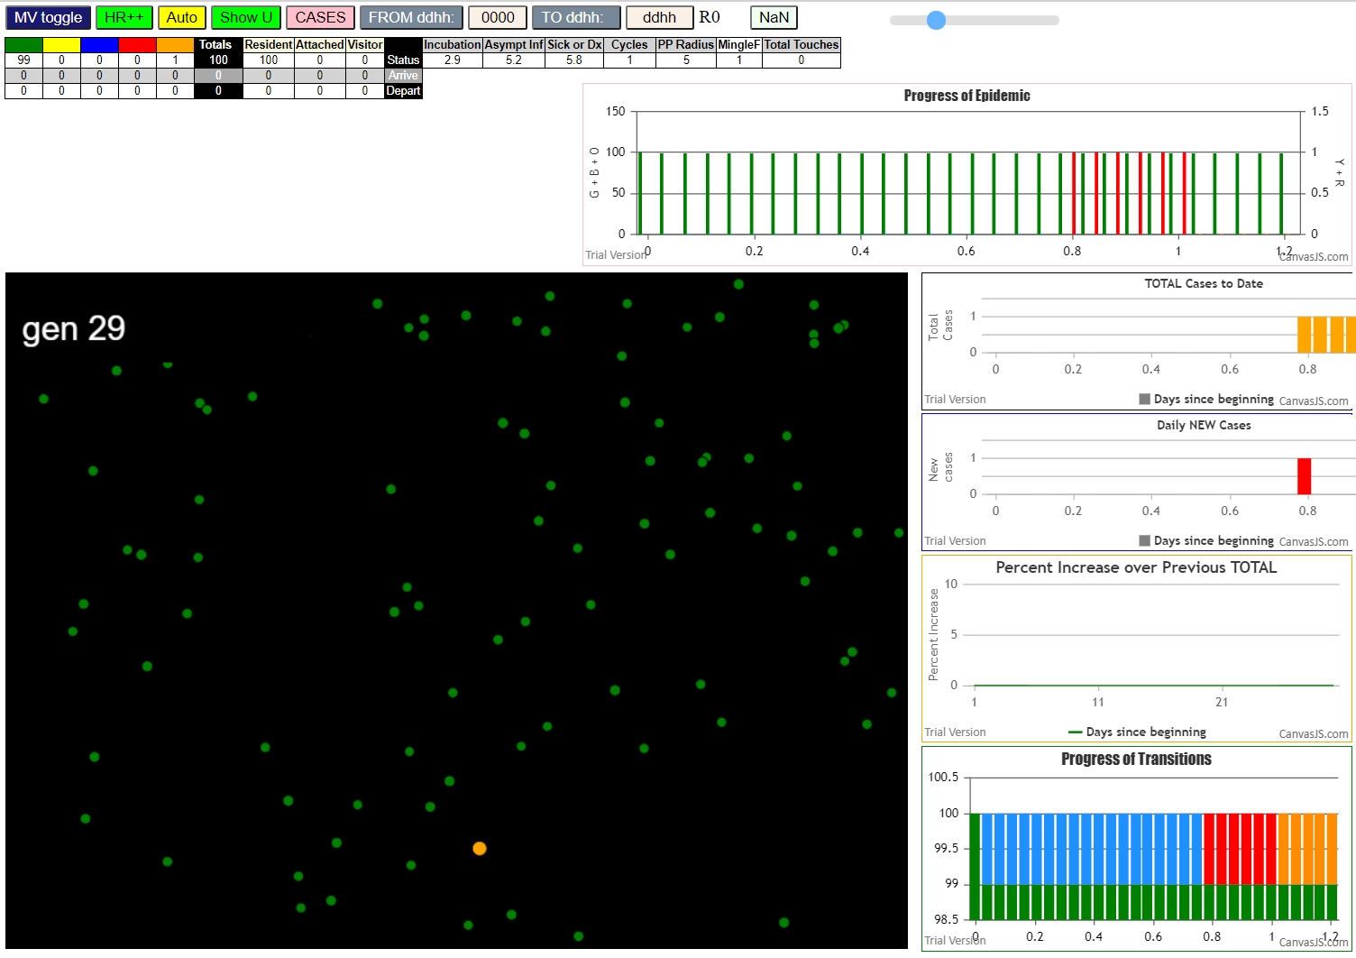

 |  | zero

tInert8
contactSimulation.js:4160 exit covidSim
contactSimulation.js:23 getAsText File {name: "HundredAgentsU0mF1.csv", lastModified: 1608077990000, lastModifiedDate: Tue Dec 15 2020 16:19:50 GMT-0800 (Pacific Standard Time), webkitRelativePath: "", size: 2140, …}
contactSimulation.js:32 File {name: "HundredAgentsU0mF1.csv", lastModified: 1608077990000, lastModifiedDate: Tue Dec 15 2020 16:19:50 GMT-0800 (Pacific Standard Time), webkitRelativePath: "", size: 2140, …}
contactSimulation.js:23 getAsText File {name: "VL1.csv", lastModified: 1608081530000, lastModifiedDate: Tue Dec 15 2020 17:18:50 GMT-0800 (Pacific Standard Time), webkitRelativePath: "", size: 65, …}
contactSimulation.js:32 File {name: "VL1.csv", lastModified: 1608081530000, lastModifiedDate: Tue Dec 15 2020 17:18:50 GMT-0800 (Pacific Standard Time), webkitRelativePath: "", size: 65, …}
contactSimulation.js:2000 1I j:famKey 31:-1 infected by blue i:famKey 5:-1 at gen 7 in Univ0
contactSimulation.js:2000 2I j:famKey 75:-1 infected by red i:famKey 5:-1 at gen 39 in Univ0
contactSimulation.js:2000 3I j:famKey 47:-1 infected by red i:famKey 5:-1 at gen 56 in Univ0
contactSimulation.js:2000 4I j:famKey 24:-1 infected by red i:famKey 5:-1 at gen 59 in Univ0
contactSimulation.js:2000 5I j:famKey 48:-1 infected by red i:famKey 5:-1 at gen 72 in Univ0
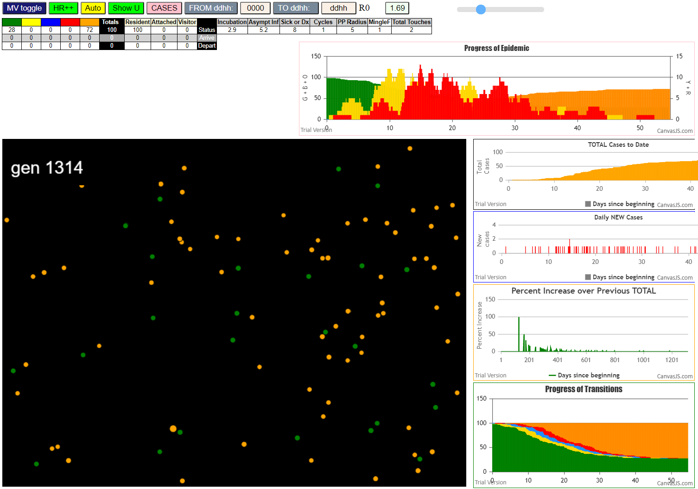
contactSimulation.js:2000 6I j:famKey 28:-1 infected by red i:famKey 5:-1 at gen 83 in Univ0
contactSimulation.js:2000 7I j:famKey 46:-1 infected by blue i:famKey 31:-1 at gen 122 in Univ0
contactSimulation.js:2016 8I i:famKey 22:-1 infected by blue j:famKey 24:-1 at gen 156 in U0
contactSimulation.js:2000 9I j:famKey 41:-1 infected by blue i:famKey 24:-1 at gen 165 in Univ0
contactSimulation.js:2016 10I i:famKey 27:-1 infected by red j:famKey 75:-1 at gen 170 in U0
contactSimulation.js:2016 10I i:famKey 53:-1 infected by red j:famKey 75:-1 at gen 170 in U0
contactSimulation.js:2016 12I i:famKey 42:-1 infected by red j:famKey 47:-1 at gen 177 in U0
contactSimulation.js:2016 12I i:famKey 14:-1 infected by blue j:famKey 48:-1 at gen 178 in U0
contactSimulation.js:2000 14I j:famKey 88:-1 infected by red i:famKey 31:-1 at gen 180 in Univ0
contactSimulation.js:2000 15I j:famKey 55:-1 infected by blue i:famKey 28:-1 at gen 192 in Univ0
contactSimulation.js:2000 16I j:famKey 77:-1 infected by red i:famKey 48:-1 at gen 205 in Univ0
contactSimulation.js:2000 17I j:famKey 70:-1 infected by red i:famKey 48:-1 at gen 221 in Univ0
contactSimulation.js:2000 18I j:famKey 54:-1 infected by red i:famKey 48:-1 at gen 226 in Univ0
contactSimulation.js:2000 19I j:famKey 89:-1 infected by red i:famKey 28:-1 at gen 229 in Univ0
contactSimulation.js:2000 19I j:famKey 80:-1 infected by red i:famKey 48:-1 at gen 229 in Univ0
contactSimulation.js:2000 21I j:famKey 67:-1 infected by red i:famKey 48:-1 at gen 232 in Univ0
contactSimulation.js:2000 21I j:famKey 66:-1 infected by red i:famKey 48:-1 at gen 233 in Univ0
contactSimulation.js:2000 22I j:famKey 59:-1 infected by blue i:famKey 46:-1 at gen 234 in Univ0
contactSimulation.js:2000 24I j:famKey 79:-1 infected by blue i:famKey 53:-1 at gen 251 in Univ0
contactSimulation.js:2016 25I i:famKey 3:-1 infected by blue j:famKey 22:-1 at gen 260 in U0
contactSimulation.js:2000 26I j:famKey 61:-1 infected by blue i:famKey 22:-1 at gen 267 in Univ0
contactSimulation.js:2000 27I j:famKey 51:-1 infected by blue i:famKey 41:-1 at gen 271 in Univ0
contactSimulation.js:2000 28I j:famKey 58:-1 infected by red i:famKey 46:-1 at gen 273 in Univ0
contactSimulation.js:2016 29I i:famKey 16:-1 infected by blue j:famKey 88:-1 at gen 292 in U0
contactSimulation.js:2000 30I j:famKey 97:-1 infected by red i:famKey 27:-1 at gen 302 in Univ0
contactSimulation.js:2000 31I j:famKey 95:-1 infected by red i:famKey 88:-1 at gen 308 in Univ0
contactSimulation.js:2000 32I j:famKey 98:-1 infected by red i:famKey 22:-1 at gen 317 in Univ0
contactSimulation.js:2016 32I i:famKey 30:-1 infected by red j:famKey 53:-1 at gen 318 in U0
contactSimulation.js:2016 34I i:famKey 20:-1 infected by red j:famKey 53:-1 at gen 323 in U0
contactSimulation.js:2016 34I i:famKey 23:-1 infected by red j:famKey 77:-1 at gen 324 in U0
contactSimulation.js:2000 36I j:famKey 74:-1 infected by blue i:famKey 66:-1 at gen 338 in Univ0
contactSimulation.js:2000 37I j:famKey 49:-1 infected by red i:famKey 42:-1 at gen 342 in Univ0
contactSimulation.js:2000 38I j:famKey 15:-1 infected by blue i:famKey 3:-1 at gen 360 in Univ0
contactSimulation.js:2000 39I j:famKey 78:-1 infected by blue i:famKey 61:-1 at gen 372 in Univ0
contactSimulation.js:2016 40I i:famKey 39:-1 infected by red j:famKey 79:-1 at gen 374 in U0
contactSimulation.js:2000 41I j:famKey 86:-1 infected by red i:famKey 3:-1 at gen 407 in Univ0
contactSimulation.js:2016 42I i:famKey 44:-1 infected by red j:famKey 66:-1 at gen 411 in U0
contactSimulation.js:2000 43I j:famKey 99:-1 infected by red i:famKey 97:-1 at gen 429 in Univ0
contactSimulation.js:2016 44I i:famKey 85:-1 infected by red j:famKey 95:-1 at gen 431 in U0
contactSimulation.js:2000 45I j:famKey 68:-1 infected by blue i:famKey 49:-1 at gen 439 in Univ0
contactSimulation.js:2000 46I j:famKey 81:-1 infected by red i:famKey 30:-1 at gen 457 in Univ0
contactSimulation.js:2000 47I j:famKey 92:-1 infected by red i:famKey 23:-1 at gen 483 in Univ0
contactSimulation.js:2000 47I j:famKey 40:-1 infected by red i:famKey 20:-1 at gen 484 in Univ0
contactSimulation.js:2000 49I j:famKey 93:-1 infected by blue i:famKey 86:-1 at gen 488 in Univ0
contactSimulation.js:2000 50I j:famKey 45:-1 infected by red i:famKey 39:-1 at gen 499 in Univ0
contactSimulation.js:2000 51I j:famKey 94:-1 infected by red i:famKey 78:-1 at gen 503 in Univ0
contactSimulation.js:2016 52I i:famKey 25:-1 infected by red j:famKey 78:-1 at gen 509 in U0
contactSimulation.js:2016 53I i:famKey 36:-1 infected by blue j:famKey 86:-1 at gen 514 in U0
contactSimulation.js:2000 54I j:famKey 18:-1 infected by red i:famKey 15:-1 at gen 527 in Univ0
contactSimulation.js:2016 55I i:famKey 32:-1 infected by red j:famKey 86:-1 at gen 538 in U0
contactSimulation.js:2016 56I i:famKey 19:-1 infected by red j:famKey 86:-1 at gen 544 in U0
contactSimulation.js:2000 57I j:famKey 87:-1 infected by red i:famKey 44:-1 at gen 557 in Univ0
contactSimulation.js:2000 58I j:famKey 37:-1 infected by blue i:famKey 36:-1 at gen 586 in Univ0
contactSimulation.js:2016 59I i:famKey 17:-1 infected by red j:famKey 81:-1 at gen 593 in U0
contactSimulation.js:2016 60I i:famKey 26:-1 infected by blue j:famKey 45:-1 at gen 598 in U0
contactSimulation.js:2000 61I j:famKey 76:-1 infected by blue i:famKey 36:-1 at gen 616 in Univ0
contactSimulation.js:2016 62I i:famKey 1:-1 infected by red j:famKey 68:-1 at gen 619 in U0
contactSimulation.js:2000 63I j:famKey 50:-1 infected by red i:famKey 18:-1 at gen 677 in Univ0
contactSimulation.js:2000 64I j:famKey 33:-1 infected by red i:famKey 25:-1 at gen 689 in Univ0
contactSimulation.js:2000 65I j:famKey 34:-1 infected by blue i:famKey 26:-1 at gen 709 in Univ0
contactSimulation.js:2000 66I j:famKey 57:-1 infected by red i:famKey 1:-1 at gen 772 in Univ0
contactSimulation.js:2016 67I i:famKey 60:-1 infected by red j:famKey 76:-1 at gen 787 in U0
contactSimulation.js:2016 68I i:famKey 7:-1 infected by blue j:famKey 57:-1 at gen 847 in U0
contactSimulation.js:2016 69I i:famKey 4:-1 infected by blue j:famKey 57:-1 at gen 873 in U0
contactSimulation.js:2016 70I i:famKey 21:-1 infected by blue j:famKey 60:-1 at gen 883 in U0
contactSimulation.js:2000 71I j:famKey 52:-1 infected by red i:famKey 21:-1 at gen 1067 in Univ0

tInert7
contactSimulation.js:4160 exit covidSim
contactSimulation.js:23 getAsText File {name: "HundredAgentsU0mF1.csv", lastModified: 1608077990000, lastModifiedDate: Tue Dec 15 2020 16:19:50 GMT-0800 (Pacific Standard Time), webkitRelativePath: "", size: 2140, …}
contactSimulation.js:32 File {name: "HundredAgentsU0mF1.csv", lastModified: 1608077990000, lastModifiedDate: Tue Dec 15 2020 16:19:50 GMT-0800 (Pacific Standard Time), webkitRelativePath: "", size: 2140, …}
contactSimulation.js:23 getAsText File {name: "VL1.csv", lastModified: 1608081530000, lastModifiedDate: Tue Dec 15 2020 17:18:50 GMT-0800 (Pacific Standard Time), webkitRelativePath: "", size: 65, …}
contactSimulation.js:32 File {name: "VL1.csv", lastModified: 1608081530000, lastModifiedDate: Tue Dec 15 2020 17:18:50 GMT-0800 (Pacific Standard Time), webkitRelativePath: "", size: 65, …}
contactSimulation.js:2000 1I j:famKey 31:-1 infected by blue i:famKey 5:-1 at gen 7 in Univ0
contactSimulation.js:2000 2I j:famKey 75:-1 infected by red i:famKey 5:-1 at gen 39 in Univ0
contactSimulation.js:2000 3I j:famKey 47:-1 infected by red i:famKey 5:-1 at gen 56 in Univ0
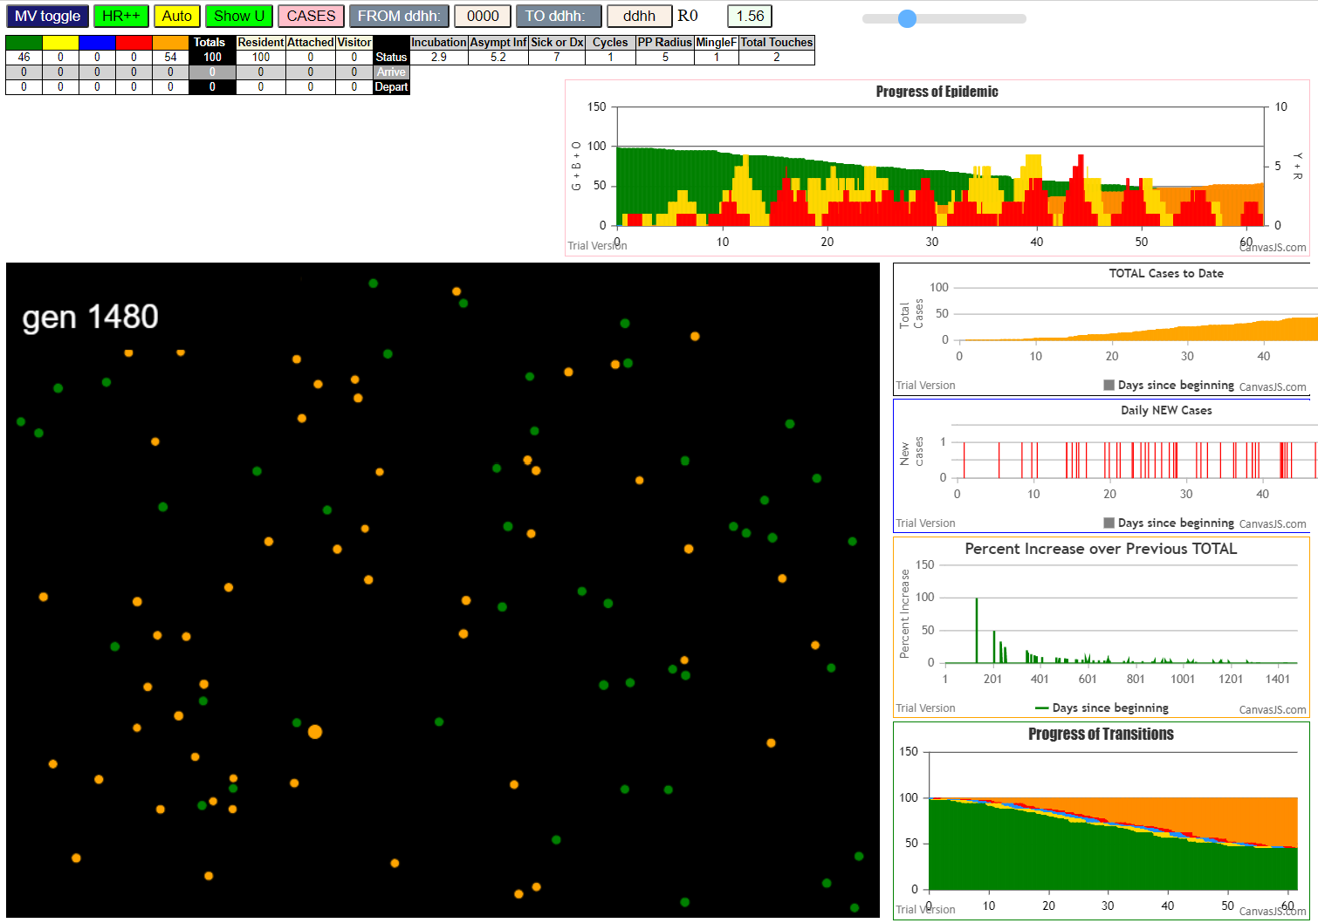
contactSimulation.js:2000 4I j:famKey 24:-1 infected by red i:famKey 5:-1 at gen 59 in Univ0
contactSimulation.js:2000 5I j:famKey 48:-1 infected by red i:famKey 5:-1 at gen 72 in Univ0
contactSimulation.js:2000 6I j:famKey 28:-1 infected by red i:famKey 5:-1 at gen 83 in Univ0
contactSimulation.js:2000 7I j:famKey 46:-1 infected by blue i:famKey 31:-1 at gen 122 in Univ0
contactSimulation.js:2016 8I i:famKey 22:-1 infected by blue j:famKey 24:-1 at gen 156 in U0
contactSimulation.js:2000 9I j:famKey 41:-1 infected by blue i:famKey 24:-1 at gen 165 in Univ0
contactSimulation.js:2016 10I i:famKey 27:-1 infected by red j:famKey 75:-1 at gen 170 in U0
contactSimulation.js:2016 10I i:famKey 53:-1 infected by red j:famKey 75:-1 at gen 170 in U0
contactSimulation.js:2016 12I i:famKey 42:-1 infected by red j:famKey 47:-1 at gen 177 in U0
contactSimulation.js:2016 12I i:famKey 14:-1 infected by blue j:famKey 48:-1 at gen 178 in U0
contactSimulation.js:2000 14I j:famKey 88:-1 infected by red i:famKey 31:-1 at gen 180 in Univ0
contactSimulation.js:2000 15I j:famKey 55:-1 infected by blue i:famKey 28:-1 at gen 192 in Univ0
contactSimulation.js:2000 16I j:famKey 77:-1 infected by red i:famKey 48:-1 at gen 205 in Univ0
contactSimulation.js:2000 17I j:famKey 70:-1 infected by red i:famKey 48:-1 at gen 221 in Univ0
contactSimulation.js:2000 18I j:famKey 54:-1 infected by red i:famKey 48:-1 at gen 226 in Univ0
contactSimulation.js:2000 19I j:famKey 89:-1 infected by red i:famKey 28:-1 at gen 229 in Univ0
contactSimulation.js:2000 19I j:famKey 80:-1 infected by red i:famKey 48:-1 at gen 229 in Univ0
contactSimulation.js:2000 21I j:famKey 67:-1 infected by red i:famKey 48:-1 at gen 232 in Univ0
contactSimulation.js:2000 21I j:famKey 66:-1 infected by red i:famKey 48:-1 at gen 233 in Univ0
contactSimulation.js:2000 22I j:famKey 59:-1 infected by blue i:famKey 46:-1 at gen 234 in Univ0
contactSimulation.js:2000 24I j:famKey 79:-1 infected by blue i:famKey 53:-1 at gen 251 in Univ0
contactSimulation.js:2016 25I i:famKey 3:-1 infected by blue j:famKey 22:-1 at gen 260 in U0
contactSimulation.js:2000 26I j:famKey 61:-1 infected by blue i:famKey 22:-1 at gen 267 in Univ0
contactSimulation.js:2000 27I j:famKey 51:-1 infected by blue i:famKey 41:-1 at gen 271 in Univ0
contactSimulation.js:2000 28I j:famKey 58:-1 infected by red i:famKey 46:-1 at gen 273 in Univ0
contactSimulation.js:2016 29I i:famKey 16:-1 infected by blue j:famKey 88:-1 at gen 292 in U0
contactSimulation.js:2000 30I j:famKey 97:-1 infected by red i:famKey 27:-1 at gen 302 in Univ0
contactSimulation.js:2000 31I j:famKey 95:-1 infected by red i:famKey 88:-1 at gen 308 in Univ0
contactSimulation.js:2000 32I j:famKey 98:-1 infected by red i:famKey 22:-1 at gen 317 in Univ0
contactSimulation.js:2016 32I i:famKey 30:-1 infected by red j:famKey 53:-1 at gen 318 in U0
contactSimulation.js:2016 34I i:famKey 20:-1 infected by red j:famKey 53:-1 at gen 323 in U0
contactSimulation.js:2016 34I i:famKey 23:-1 infected by red j:famKey 77:-1 at gen 324 in U0
contactSimulation.js:2000 36I j:famKey 74:-1 infected by blue i:famKey 66:-1 at gen 338 in Univ0
contactSimulation.js:2000 37I j:famKey 49:-1 infected by red i:famKey 42:-1 at gen 342 in Univ0
contactSimulation.js:2000 38I j:famKey 15:-1 infected by blue i:famKey 3:-1 at gen 360 in Univ0
contactSimulation.js:2000 39I j:famKey 78:-1 infected by blue i:famKey 61:-1 at gen 372 in Univ0
contactSimulation.js:2016 40I i:famKey 39:-1 infected by red j:famKey 79:-1 at gen 374 in U0
contactSimulation.js:2000 41I j:famKey 86:-1 infected by red i:famKey 3:-1 at gen 407 in Univ0
contactSimulation.js:2016 42I i:famKey 44:-1 infected by red j:famKey 66:-1 at gen 411 in U0
contactSimulation.js:2000 43I j:famKey 99:-1 infected by red i:famKey 97:-1 at gen 429 in Univ0
contactSimulation.js:2016 44I i:famKey 85:-1 infected by red j:famKey 95:-1 at gen 431 in U0
contactSimulation.js:2000 45I j:famKey 68:-1 infected by blue i:famKey 49:-1 at gen 439 in Univ0
contactSimulation.js:2000 46I j:famKey 81:-1 infected by red i:famKey 30:-1 at gen 457 in Univ0
contactSimulation.js:2000 47I j:famKey 92:-1 infected by red i:famKey 23:-1 at gen 483 in Univ0
contactSimulation.js:2000 47I j:famKey 40:-1 infected by red i:famKey 20:-1 at gen 484 in Univ0
contactSimulation.js:2000 49I j:famKey 93:-1 infected by blue i:famKey 86:-1 at gen 488 in Univ0
contactSimulation.js:2000 50I j:famKey 45:-1 infected by red i:famKey 39:-1 at gen 499 in Univ0
contactSimulation.js:2000 51I j:famKey 94:-1 infected by red i:famKey 78:-1 at gen 503 in Univ0
contactSimulation.js:2016 52I i:famKey 25:-1 infected by red j:famKey 78:-1 at gen 509 in U0
contactSimulation.js:2016 53I i:famKey 36:-1 infected by blue j:famKey 86:-1 at gen 514 in U0
contactSimulation.js:2000 54I j:famKey 18:-1 infected by red i:famKey 15:-1 at gen 527 in Univ0
contactSimulation.js:2016 55I i:famKey 32:-1 infected by red j:famKey 86:-1 at gen 538 in U0
contactSimulation.js:2016 56I i:famKey 19:-1 infected by red j:famKey 86:-1 at gen 544 in U0
contactSimulation.js:2000 57I j:famKey 87:-1 infected by red i:famKey 44:-1 at gen 557 in Univ0
contactSimulation.js:2000 58I j:famKey 37:-1 infected by blue i:famKey 36:-1 at gen 586 in Univ0
contactSimulation.js:2016 59I i:famKey 17:-1 infected by red j:famKey 81:-1 at gen 593 in U0
contactSimulation.js:2016 60I i:famKey 26:-1 infected by blue j:famKey 45:-1 at gen 598 in U0
contactSimulation.js:2000 61I j:famKey 76:-1 infected by blue i:famKey 36:-1 at gen 616 in Univ0
contactSimulation.js:2016 62I i:famKey 1:-1 infected by red j:famKey 68:-1 at gen 619 in U0
contactSimulation.js:2000 63I j:famKey 50:-1 infected by red i:famKey 18:-1 at gen 677 in Univ0
contactSimulation.js:2000 64I j:famKey 33:-1 infected by red i:famKey 25:-1 at gen 689 in Univ0
contactSimulation.js:2000 65I j:famKey 34:-1 infected by blue i:famKey 26:-1 at gen 709 in Univ0
contactSimulation.js:2000 66I j:famKey 57:-1 infected by red i:famKey 1:-1 at gen 772 in Univ0
contactSimulation.js:2016 67I i:famKey 60:-1 infected by red j:famKey 76:-1 at gen 787 in U0
contactSimulation.js:2016 68I i:famKey 7:-1 infected by blue j:famKey 57:-1 at gen 847 in U0
contactSimulation.js:2016 69I i:famKey 4:-1 infected by blue j:famKey 57:-1 at gen 873 in U0
contactSimulation.js:2016 70I i:famKey 21:-1 infected by blue j:famKey 60:-1 at gen 883 in U0
contactSimulation.js:2000 71I j:famKey 52:-1 infected by red i:famKey 21:-1 at gen 1067 in Univ0

tInert6.2
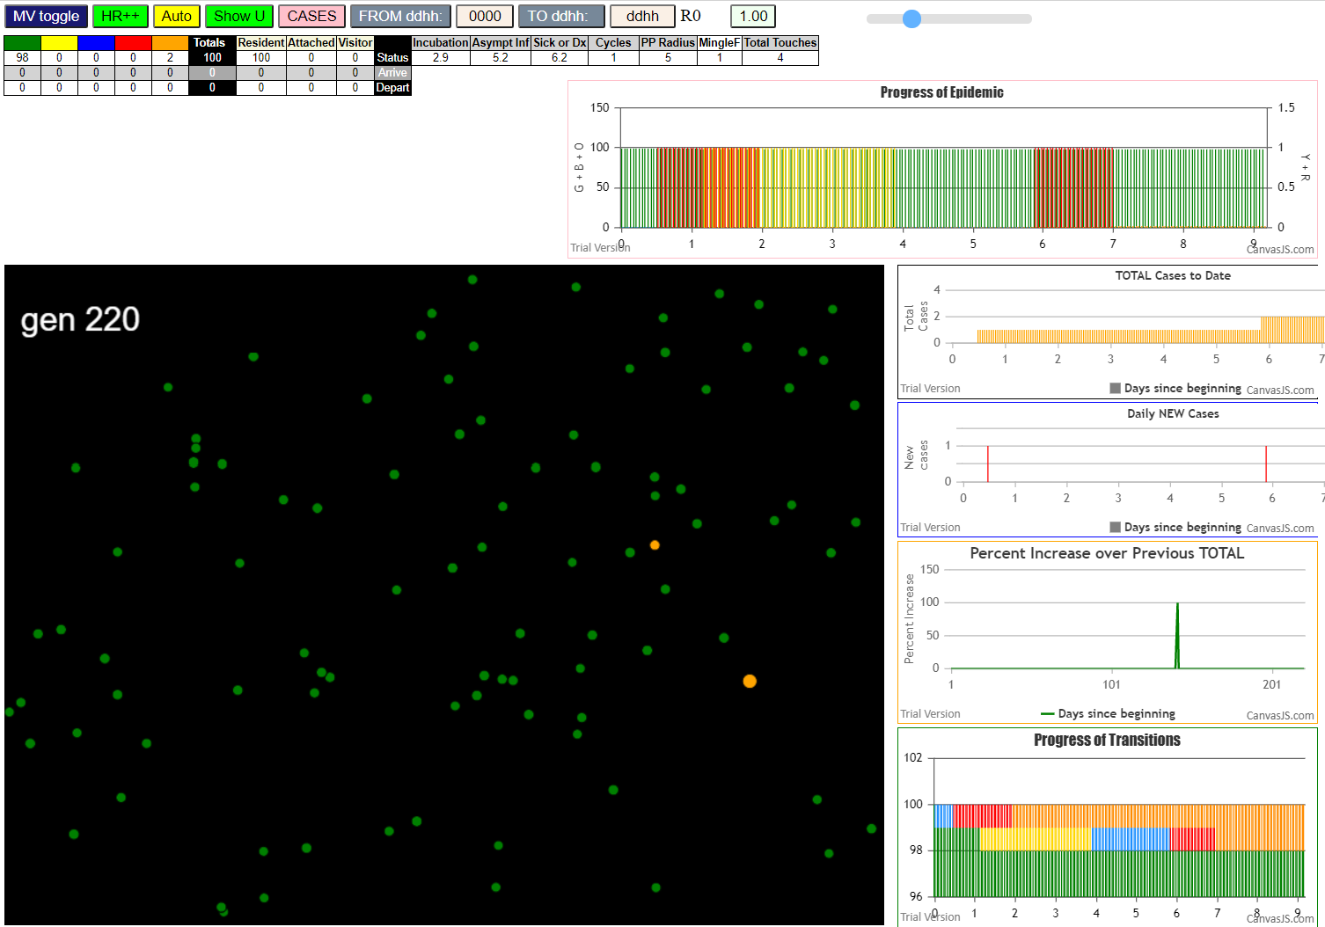
 |  | none

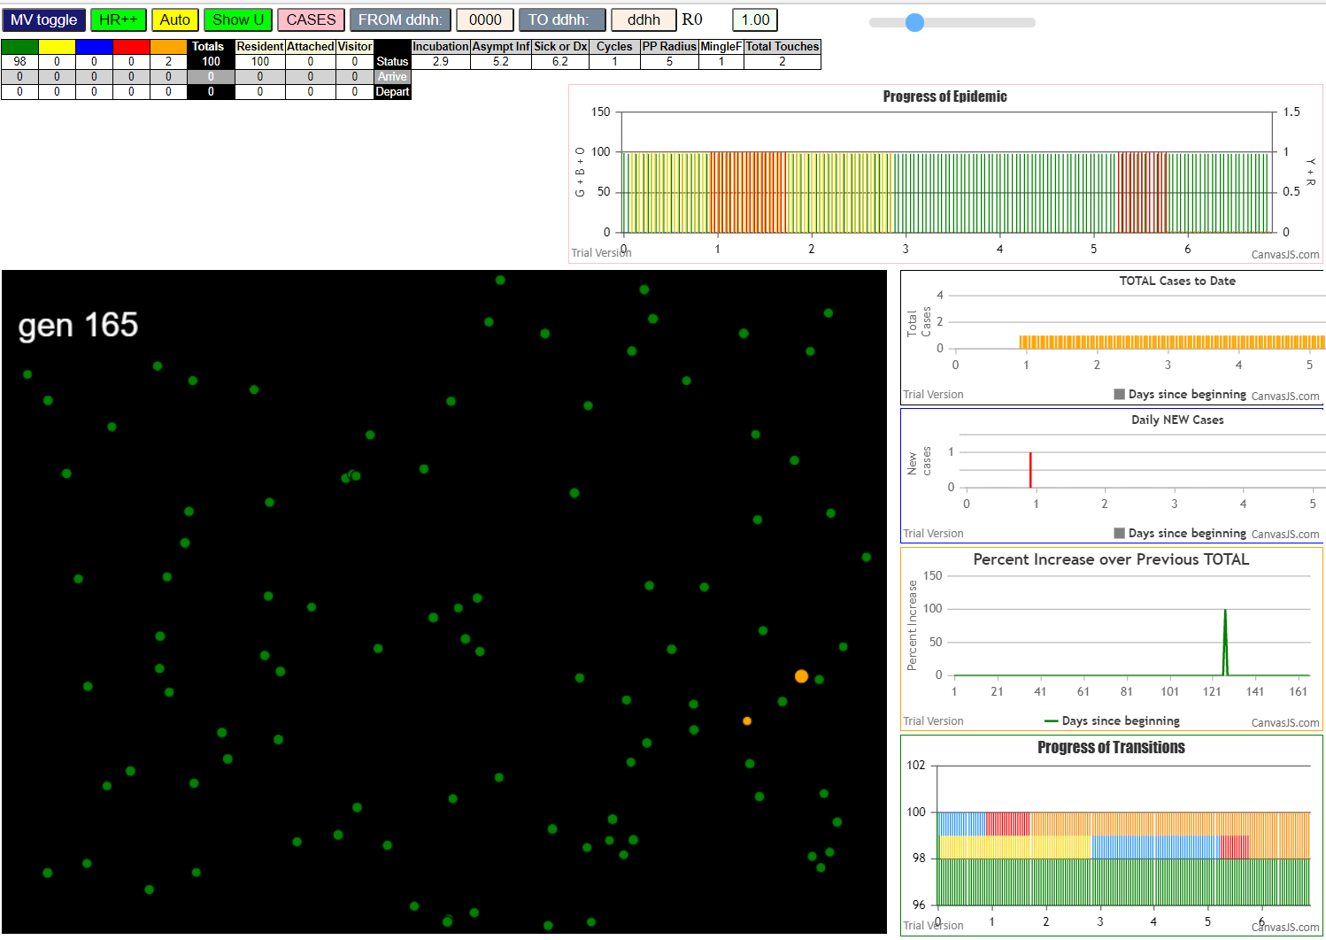
 |  | zero

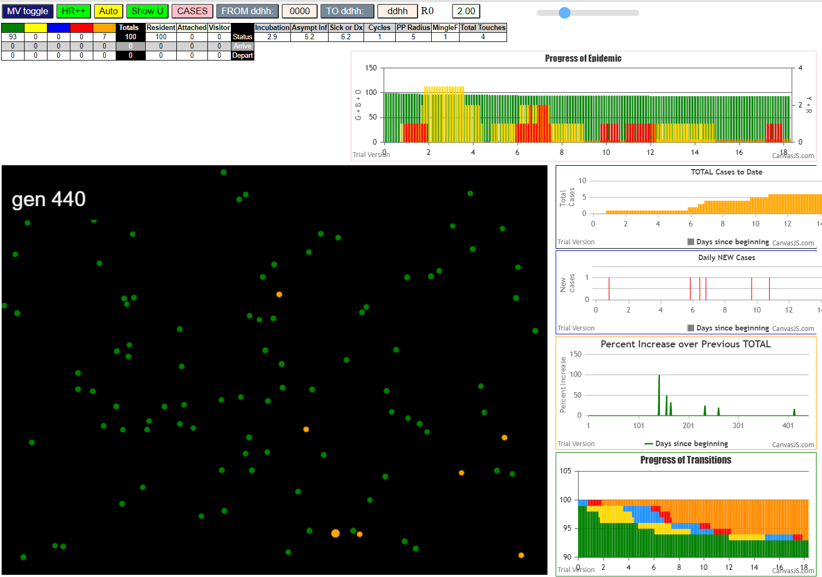
File {name: "VL1.csv", lastModified: 1608081530000, lastModifiedDate: Tue Dec 15 2020 17:18:50 GMT-0800 (Pacific Standard Time), webkitRelativePath: "", size: 65, …}
contactSimulation.js:2000 1I j:famKey 76:-1 infected by blue i:famKey 5:-1 at gen 17 in Univ0
contactSimulation.js:2016 2I i:famKey 1:-1 infected by red j:famKey 5:-1 at gen 39 in U0
contactSimulation.js:2000 3I j:famKey 78:-1 infected by red i:famKey 5:-1 at gen 42 in Univ0
contactSimulation.js:2016 4I i:famKey 35:-1 infected by blue j:famKey 76:-1 at gen 114 in U0
contactSimulation.js:2016 5I i:famKey 22:-1 infected by red j:famKey 76:-1 at gen 146 in U0
contactSimulation.js:2000 6I j:famKey 96:-1 infected by red i:famKey 22:-1 at gen 288 in Univ0

 | althogh 5 infected 3, 76 infected 2 and 22 infected 1 the
 | average is 6 by 3 transmitters, so the average is 2.0
 | BUT the dynamics are so sparse that the epidemic self-extinguished
 | in 440 generations or less than 20 days

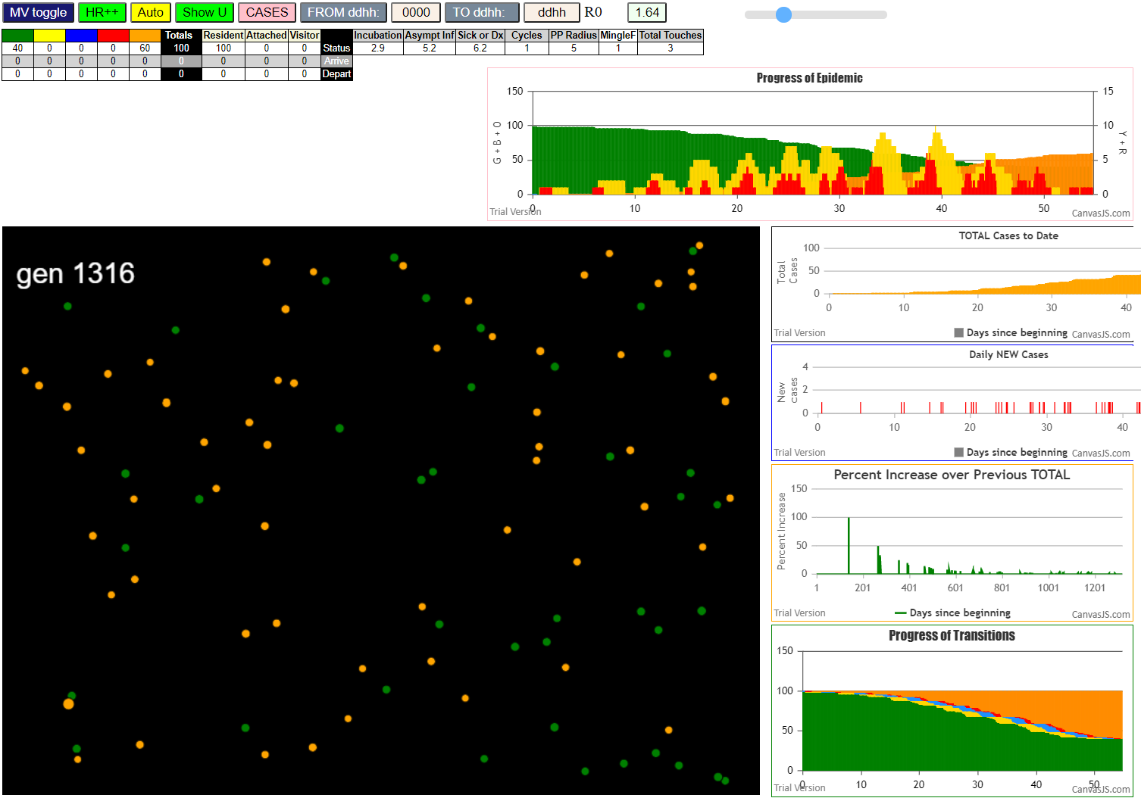
contactSimulation.js:4160 exit covidSim
contactSimulation.js:23 getAsText File {name: "HundredAgentsU0mF1.csv", lastModified: 1608077990000, lastModifiedDate: Tue Dec 15 2020 16:19:50 GMT-0800 (Pacific Standard Time), webkitRelativePath: "", size: 2140, …}
contactSimulation.js:32 File {name: "HundredAgentsU0mF1.csv", lastModified: 1608077990000, lastModifiedDate: Tue Dec 15 2020 16:19:50 GMT-0800 (Pacific Standard Time), webkitRelativePath: "", size: 2140, …}
contactSimulation.js:23 getAsText File {name: "VL1.csv", lastModified: 1608081530000, lastModifiedDate: Tue Dec 15 2020 17:18:50 GMT-0800 (Pacific Standard Time), webkitRelativePath: "", size: 65, …}
contactSimulation.js:32 File {name: "VL1.csv", lastModified: 1608081530000, lastModifiedDate: Tue Dec 15 2020 17:18:50 GMT-0800 (Pacific Standard Time), webkitRelativePath: "", size: 65, …}
contactSimulation.js:2000 1I j:famKey 64:-1 infected by red i:famKey 5:-1 at gen 15 in Univ0
contactSimulation.js:2000 2I j:famKey 94:-1 infected by red i:famKey 64:-1 at gen 150 in Univ0
contactSimulation.js:2016 2I i:famKey 38:-1 infected by red j:famKey 64:-1 at gen 151 in U0
contactSimulation.js:2016 4I i:famKey 12:-1 infected by blue j:famKey 38:-1 at gen 236 in U0
contactSimulation.js:2016 5I i:famKey 62:-1 infected by red j:famKey 94:-1 at gen 267 in U0
contactSimulation.js:2016 6I i:famKey 15:-1 infected by red j:famKey 38:-1 at gen 276 in U0
contactSimulation.js:2016 7I i:famKey 2:-1 infected by blue j:famKey 62:-1 at gen 352 in U0
contactSimulation.js:2000 8I j:famKey 86:-1 infected by blue i:famKey 62:-1 at gen 364 in Univ0
contactSimulation.js:2000 9I j:famKey 93:-1 infected by red i:famKey 12:-1 at gen 368 in Univ0
contactSimulation.js:2016 9I i:famKey 37:-1 infected by blue j:famKey 62:-1 at gen 368 in U0
contactSimulation.js:2016 11I i:famKey 51:-1 infected by blue j:famKey 62:-1 at gen 376 in U0
contactSimulation.js:2000 12I j:famKey 13:-1 infected by blue i:famKey 2:-1 at gen 448 in Univ0
contactSimulation.js:2016 13I i:famKey 0:-1 infected by blue j:famKey 2:-1 at gen 453 in U0
contactSimulation.js:2016 14I i:famKey 16:-1 infected by blue j:famKey 37:-1 at gen 466 in U0
contactSimulation.js:2016 15I i:famKey 8:-1 infected by blue j:famKey 51:-1 at gen 478 in U0
contactSimulation.js:2016 16I i:famKey 83:-1 infected by blue j:famKey 86:-1 at gen 482 in U0
contactSimulation.js:2000 17I j:famKey 81:-1 infected by blue i:famKey 51:-1 at gen 499 in Univ0
contactSimulation.js:2000 18I j:famKey 28:-1 infected by blue i:famKey 0:-1 at gen 552 in Univ0
contactSimulation.js:2000 19I j:famKey 4:-1 infected by blue i:famKey 0:-1 at gen 555 in Univ0
contactSimulation.js:2000 19I j:famKey 50:-1 infected by blue i:famKey 13:-1 at gen 556 in Univ0
contactSimulation.js:2000 21I j:famKey 34:-1 infected by red i:famKey 13:-1 at gen 583 in Univ0
contactSimulation.js:2016 21I i:famKey 79:-1 infected by blue j:famKey 83:-1 at gen 583 in U0
contactSimulation.js:2000 23I j:famKey 41:-1 infected by red i:famKey 0:-1 at gen 588 in Univ0
contactSimulation.js:2016 24I i:famKey 6:-1 infected by red j:famKey 16:-1 at gen 593 in U0
contactSimulation.js:2000 25I j:famKey 27:-1 infected by blue i:famKey 4:-1 at gen 631 in Univ0
contactSimulation.js:2000 26I j:famKey 80:-1 infected by blue i:famKey 79:-1 at gen 656 in Univ0
contactSimulation.js:2000 27I j:famKey 87:-1 infected by blue i:famKey 28:-1 at gen 660 in Univ0
contactSimulation.js:2000 28I j:famKey 45:-1 infected by blue i:famKey 34:-1 at gen 668 in Univ0
contactSimulation.js:2000 29I j:famKey 52:-1 infected by red i:famKey 28:-1 at gen 673 in Univ0
contactSimulation.js:2000 29I j:famKey 53:-1 infected by red i:famKey 28:-1 at gen 673 in Univ0
contactSimulation.js:2016 31I i:famKey 39:-1 infected by blue j:famKey 41:-1 at gen 677 in U0
contactSimulation.js:2000 32I j:famKey 72:-1 infected by red i:famKey 27:-1 at gen 762 in Univ0
contactSimulation.js:2016 33I i:famKey 19:-1 infected by blue j:famKey 53:-1 at gen 774 in U0
contactSimulation.js:2000 34I j:famKey 76:-1 infected by blue i:famKey 45:-1 at gen 785 in Univ0
contactSimulation.js:2000 35I j:famKey 67:-1 infected by red i:famKey 52:-1 at gen 794 in Univ0
contactSimulation.js:2016 36I i:famKey 1:-1 infected by red j:famKey 52:-1 at gen 796 in U0
contactSimulation.js:2000 36I j:famKey 88:-1 infected by red i:famKey 53:-1 at gen 797 in Univ0
contactSimulation.js:2000 38I j:famKey 99:-1 infected by red i:famKey 52:-1 at gen 802 in Univ0
contactSimulation.js:2016 39I i:famKey 23:-1 infected by red j:famKey 53:-1 at gen 805 in U0
contactSimulation.js:2016 40I i:famKey 14:-1 infected by red j:famKey 45:-1 at gen 814 in U0
contactSimulation.js:2016 41I i:famKey 36:-1 infected by blue j:famKey 76:-1 at gen 881 in U0
contactSimulation.js:2016 42I i:famKey 43:-1 infected by red j:famKey 72:-1 at gen 892 in U0
contactSimulation.js:2016 42I i:famKey 55:-1 infected by blue j:famKey 67:-1 at gen 892 in U0
contactSimulation.js:2016 44I i:famKey 18:-1 infected by blue j:famKey 23:-1 at gen 908 in U0
contactSimulation.js:2016 45I i:famKey 11:-1 infected by red j:famKey 99:-1 at gen 922 in U0
contactSimulation.js:2000 45I j:famKey 90:-1 infected by blue i:famKey 14:-1 at gen 923 in Univ0
contactSimulation.js:2016 47I i:famKey 29:-1 infected by red j:famKey 88:-1 at gen 929 in U0
contactSimulation.js:2000 48I j:famKey 57:-1 infected by red i:famKey 14:-1 at gen 938 in Univ0
contactSimulation.js:2000 48I j:famKey 20:-1 infected by red i:famKey 14:-1 at gen 939 in Univ0
contactSimulation.js:2016 50I i:famKey 77:-1 infected by red j:famKey 99:-1 at gen 943 in U0
contactSimulation.js:2016 51I i:famKey 22:-1 infected by blue j:famKey 55:-1 at gen 999 in U0
contactSimulation.js:2000 52I j:famKey 61:-1 infected by blue i:famKey 11:-1 at gen 1019 in Univ0
contactSimulation.js:2016 52I i:famKey 7:-1 infected by blue j:famKey 90:-1 at gen 1020 in U0
contactSimulation.js:2016 54I i:famKey 82:-1 infected by blue j:famKey 90:-1 at gen 1039 in U0
contactSimulation.js:2016 55I i:famKey 21:-1 infected by red j:famKey 90:-1 at gen 1059 in U0
contactSimulation.js:2016 56I i:famKey 49:-1 infected by blue j:famKey 77:-1 at gen 1061 in U0
contactSimulation.js:2000 57I j:famKey 96:-1 infected by red i:famKey 77:-1 at gen 1067 in Univ0
contactSimulation.js:2000 58I j:famKey 65:-1 infected by red i:famKey 7:-1 at gen 1137 in Univ0
contactSimulation.js:2000 59I j:famKey 92:-1 infected by blue i:famKey 21:-1 at gen 1171 in Univ0

tInert5.8HzR10
contactSimulation.js:4160 exit covidSim
contactSimulation.js:23 getAsText File {name: "HundredAgentsU0mF1.csv", lastModified: 1608077990000, lastModifiedDate: Tue Dec 15 2020 16:19:50 GMT-0800 (Pacific Standard Time), webkitRelativePath: "", size: 2140, …}
contactSimulation.js:32 File {name: "HundredAgentsU0mF1.csv", lastModified: 1608077990000, lastModifiedDate: Tue Dec 15 2020 16:19:50 GMT-0800 (Pacific Standard Time), webkitRelativePath: "", size: 2140, …}
contactSimulation.js:23 getAsText File {name: "VL1.csv", lastModified: 1608081530000, lastModifiedDate: Tue Dec 15 2020 17:18:50 GMT-0800 (Pacific Standard Time), webkitRelativePath: "", size: 65, …}
contactSimulation.js:32 File {name: "VL1.csv", lastModified: 1608081530000, lastModifiedDate: Tue Dec 15 2020 17:18:50 GMT-0800 (Pacific Standard Time), webkitRelativePath: "", size: 65, …}
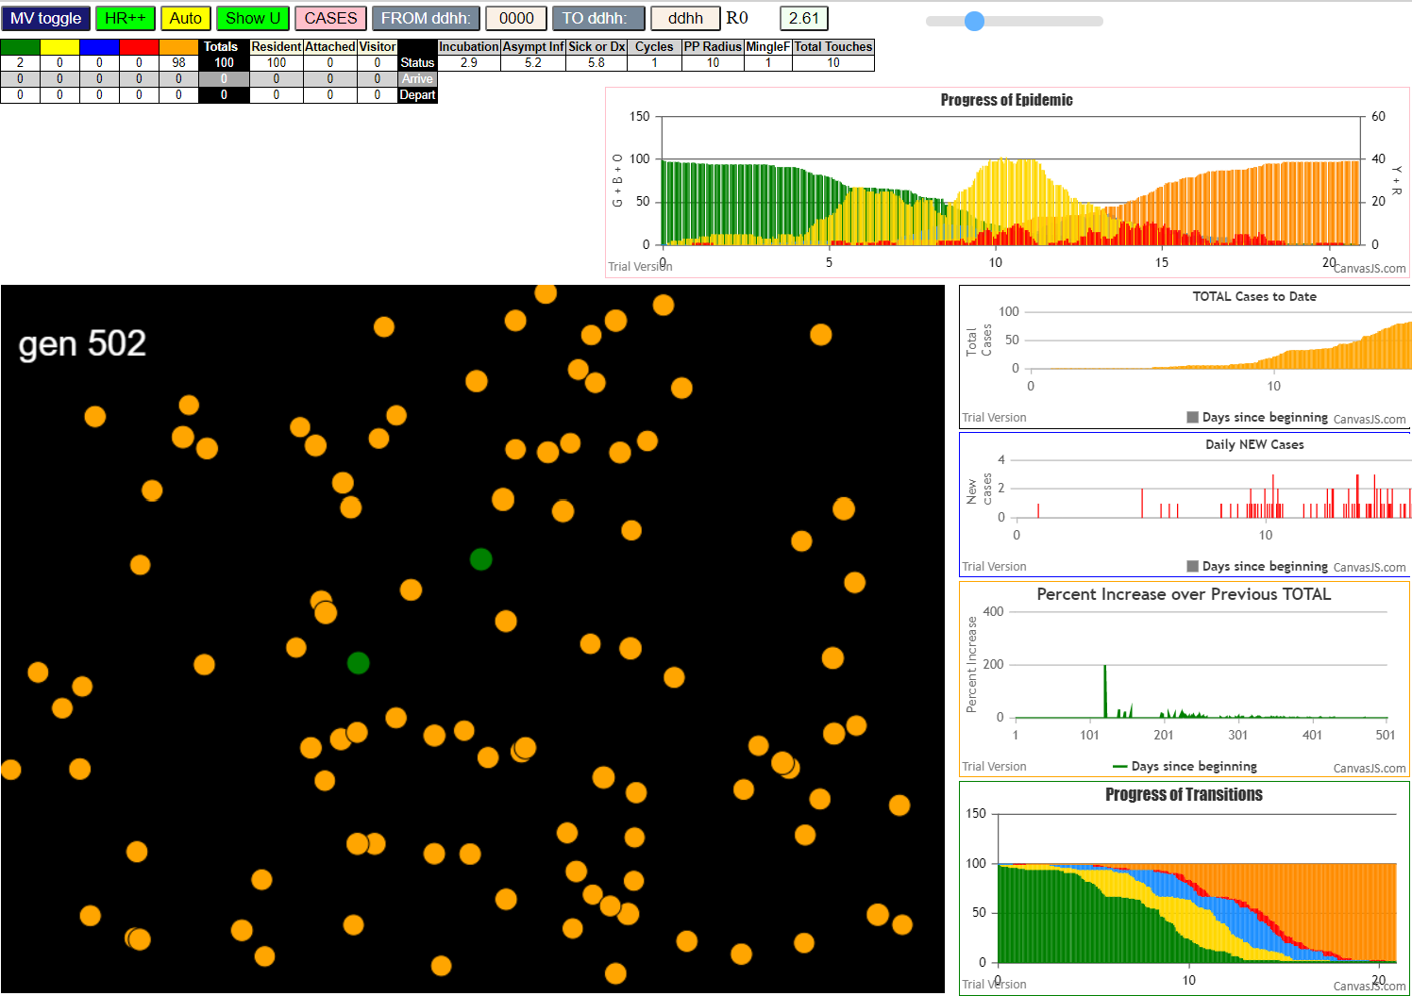
contactSimulation.js:2000 1I j:famKey 13:-1 infected by blue i:famKey 5:-1 at gen 3 in Univ0
contactSimulation.js:2000 2I j:famKey 77:-1 infected by blue i:famKey 5:-1 at gen 5 in Univ0
contactSimulation.js:2000 3I j:famKey 81:-1 infected by blue i:famKey 5:-1 at gen 14 in Univ0
contactSimulation.js:2000 4I j:famKey 35:-1 infected by red i:famKey 5:-1 at gen 26 in Univ0
contactSimulation.js:2000 5I j:famKey 10:-1 infected by red i:famKey 5:-1 at gen 34 in Univ0
contactSimulation.js:2000 6I j:famKey 45:-1 infected by blue i:famKey 13:-1 at gen 78 in Univ0
contactSimulation.js:2016 7I i:famKey 4:-1 infected by blue j:famKey 13:-1 at gen 83 in U0
contactSimulation.js:2000 7I j:famKey 64:-1 infected by blue i:famKey 13:-1 at gen 83 in Univ0
contactSimulation.js:2000 9I j:famKey 78:-1 infected by blue i:famKey 13:-1 at gen 98 in Univ0
contactSimulation.js:2000 10I j:famKey 44:-1 infected by blue i:famKey 13:-1 at gen 101 in Univ0
contactSimulation.js:2016 11I i:famKey 6:-1 infected by blue j:famKey 13:-1 at gen 103 in U0
contactSimulation.js:2016 12I i:famKey 23:-1 infected by blue j:famKey 77:-1 at gen 105 in U0
contactSimulation.js:2000 12I j:famKey 86:-1 infected by blue i:famKey 77:-1 at gen 105 in Univ0
contactSimulation.js:2000 12I j:famKey 97:-1 infected by blue i:famKey 13:-1 at gen 106 in Univ0
contactSimulation.js:2000 15I j:famKey 27:-1 infected by yellow i:famKey 4:-1 at gen 108 in Univ0
contactSimulation.js:2000 15I j:famKey 27:-1 infected by blue i:famKey 13:-1 at gen 108 in Univ0
contactSimulation.js:2016 16I i:famKey 63:-1 infected by blue j:famKey 81:-1 at gen 110 in U0
contactSimulation.js:2000 16I j:famKey 82:-1 infected by blue i:famKey 81:-1 at gen 110 in Univ0
contactSimulation.js:2016 18I i:famKey 14:-1 infected by blue j:famKey 77:-1 at gen 117 in U0
contactSimulation.js:2016 19I i:famKey 47:-1 infected by blue j:famKey 77:-1 at gen 119 in U0
contactSimulation.js:2000 20I j:famKey 94:-1 infected by blue i:famKey 35:-1 at gen 122 in Univ0
contactSimulation.js:2000 21I j:famKey 61:-1 infected by blue i:famKey 35:-1 at gen 124 in Univ0
contactSimulation.js:2000 21I j:famKey 75:-1 infected by blue i:famKey 35:-1 at gen 124 in Univ0
contactSimulation.js:2000 23I j:famKey 93:-1 infected by blue i:famKey 35:-1 at gen 126 in Univ0
contactSimulation.js:2016 23I i:famKey 53:-1 infected by red j:famKey 77:-1 at gen 126 in U0
contactSimulation.js:2000 25I j:famKey 56:-1 infected by blue i:famKey 35:-1 at gen 129 in Univ0
contactSimulation.js:2000 25I j:famKey 39:-1 infected by blue i:famKey 35:-1 at gen 130 in Univ0
contactSimulation.js:2000 26I j:famKey 95:-1 infected by blue i:famKey 10:-1 at gen 131 in Univ0
contactSimulation.js:2016 26I i:famKey 68:-1 infected by red j:famKey 77:-1 at gen 131 in U0
contactSimulation.js:2016 27I i:famKey 31:-1 infected by red j:famKey 77:-1 at gen 132 in U0
contactSimulation.js:2000 30I j:famKey 88:-1 infected by red i:famKey 77:-1 at gen 134 in Univ0
contactSimulation.js:2000 31I j:famKey 24:-1 infected by blue i:famKey 10:-1 at gen 136 in Univ0
contactSimulation.js:2016 31I i:famKey 34:-1 infected by blue j:famKey 35:-1 at gen 136 in U0
contactSimulation.js:2016 33I i:famKey 33:-1 infected by red j:famKey 35:-1 at gen 156 in U0
contactSimulation.js:2000 34I j:famKey 26:-1 infected by blue i:famKey 4:-1 at gen 165 in Univ0
contactSimulation.js:2016 35I i:famKey 30:-1 infected by blue j:famKey 78:-1 at gen 173 in U0
contactSimulation.js:2000 36I j:famKey 83:-1 infected by blue i:famKey 45:-1 at gen 180 in Univ0
contactSimulation.js:2016 36I i:famKey 49:-1 infected by blue j:famKey 64:-1 at gen 181 in U0
contactSimulation.js:2000 36I j:famKey 76:-1 infected by blue i:famKey 64:-1 at gen 181 in Univ0
contactSimulation.js:2000 37I j:famKey 67:-1 infected by blue i:famKey 6:-1 at gen 182 in Univ0
contactSimulation.js:2016 40I i:famKey 91:-1 infected by blue j:famKey 97:-1 at gen 185 in U0
contactSimulation.js:2016 40I i:famKey 15:-1 infected by blue j:famKey 64:-1 at gen 186 in U0
contactSimulation.js:2016 40I i:famKey 43:-1 infected by blue j:famKey 64:-1 at gen 186 in U0
contactSimulation.js:2000 43I j:famKey 87:-1 infected by blue i:famKey 63:-1 at gen 188 in Univ0
contactSimulation.js:2000 44I j:famKey 66:-1 infected by blue i:famKey 45:-1 at gen 192 in Univ0
contactSimulation.js:2000 45I j:famKey 98:-1 infected by blue i:famKey 97:-1 at gen 199 in Univ0
contactSimulation.js:2016 46I i:famKey 8:-1 infected by red j:famKey 45:-1 at gen 204 in U0
contactSimulation.js:2016 46I i:famKey 9:-1 infected by blue j:famKey 44:-1 at gen 204 in U0
contactSimulation.js:2016 46I i:famKey 18:-1 infected by blue j:famKey 31:-1 at gen 204 in U0
contactSimulation.js:2000 46I j:famKey 69:-1 infected by blue i:famKey 27:-1 at gen 204 in Univ0
contactSimulation.js:2000 46I j:famKey 54:-1 infected by blue i:famKey 31:-1 at gen 204 in Univ0
contactSimulation.js:2016 46I i:famKey 69:-1 infected by blue j:famKey 97:-1 at gen 204 in U0
contactSimulation.js:2016 46I i:famKey 37:-1 infected by blue j:famKey 61:-1 at gen 205 in U0
contactSimulation.js:2000 46I j:famKey 65:-1 infected by red i:famKey 45:-1 at gen 205 in Univ0
contactSimulation.js:2016 46I i:famKey 65:-1 infected by blue j:famKey 78:-1 at gen 205 in U0
contactSimulation.js:2000 53I j:famKey 58:-1 infected by blue i:famKey 39:-1 at gen 209 in Univ0
contactSimulation.js:2000 54I j:famKey 48:-1 infected by blue i:famKey 27:-1 at gen 211 in Univ0
contactSimulation.js:2016 54I i:famKey 25:-1 infected by blue j:famKey 86:-1 at gen 212 in U0
contactSimulation.js:2016 54I i:famKey 28:-1 infected by blue j:famKey 34:-1 at gen 212 in U0
contactSimulation.js:2000 55I j:famKey 55:-1 infected by blue i:famKey 53:-1 at gen 213 in Univ0
contactSimulation.js:2016 58I i:famKey 1:-1 infected by blue j:famKey 47:-1 at gen 216 in U0
contactSimulation.js:2016 59I i:famKey 0:-1 infected by blue j:famKey 27:-1 at gen 219 in U0
contactSimulation.js:2016 60I i:famKey 17:-1 infected by blue j:famKey 56:-1 at gen 221 in U0
contactSimulation.js:2016 60I i:famKey 22:-1 infected by blue j:famKey 75:-1 at gen 222 in U0
contactSimulation.js:2016 61I i:famKey 41:-1 infected by blue j:famKey 47:-1 at gen 223 in U0
contactSimulation.js:2000 61I j:famKey 73:-1 infected by blue i:famKey 63:-1 at gen 223 in Univ0
contactSimulation.js:2016 62I i:famKey 38:-1 infected by blue j:famKey 61:-1 at gen 224 in U0
contactSimulation.js:2016 64I i:famKey 40:-1 infected by blue j:famKey 93:-1 at gen 225 in U0
contactSimulation.js:2000 64I j:famKey 52:-1 infected by red i:famKey 44:-1 at gen 225 in Univ0
contactSimulation.js:2016 64I i:famKey 60:-1 infected by blue j:famKey 63:-1 at gen 225 in U0
contactSimulation.js:2000 68I j:famKey 79:-1 infected by blue i:famKey 61:-1 at gen 227 in Univ0
contactSimulation.js:2000 68I j:famKey 70:-1 infected by blue i:famKey 61:-1 at gen 228 in Univ0
contactSimulation.js:2016 70I i:famKey 20:-1 infected by blue j:famKey 53:-1 at gen 230 in U0
contactSimulation.js:2000 70I j:famKey 99:-1 infected by red i:famKey 78:-1 at gen 230 in Univ0
contactSimulation.js:2016 72I i:famKey 29:-1 infected by blue j:famKey 39:-1 at gen 234 in U0
contactSimulation.js:2000 72I j:famKey 90:-1 infected by blue i:famKey 39:-1 at gen 234 in Univ0
contactSimulation.js:2000 72I j:famKey 51:-1 infected by blue i:famKey 33:-1 at gen 235 in Univ0
contactSimulation.js:2016 75I i:famKey 62:-1 infected by red j:famKey 63:-1 at gen 241 in U0
contactSimulation.js:2016 75I i:famKey 11:-1 infected by blue j:famKey 24:-1 at gen 242 in U0
contactSimulation.js:2000 77I j:famKey 96:-1 infected by blue i:famKey 30:-1 at gen 246 in Univ0
contactSimulation.js:2016 77I i:famKey 72:-1 infected by blue j:famKey 95:-1 at gen 246 in U0
contactSimulation.js:2000 77I j:famKey 85:-1 infected by blue i:famKey 56:-1 at gen 247 in Univ0
contactSimulation.js:2000 80I j:famKey 42:-1 infected by blue i:famKey 15:-1 at gen 250 in Univ0
contactSimulation.js:2000 80I j:famKey 42:-1 infected by blue i:famKey 24:-1 at gen 250 in Univ0
contactSimulation.js:2000 81I j:famKey 84:-1 infected by red i:famKey 34:-1 at gen 253 in Univ0
contactSimulation.js:2016 81I i:famKey 16:-1 infected by red j:famKey 88:-1 at gen 254 in U0
contactSimulation.js:2000 82I j:famKey 80:-1 infected by red i:famKey 56:-1 at gen 255 in Univ0
contactSimulation.js:2016 84I i:famKey 12:-1 infected by red j:famKey 24:-1 at gen 259 in U0
contactSimulation.js:2000 85I j:famKey 74:-1 infected by red i:famKey 24:-1 at gen 262 in Univ0
contactSimulation.js:2016 86I i:famKey 57:-1 infected by blue j:famKey 66:-1 at gen 270 in U0
contactSimulation.js:2016 87I i:famKey 19:-1 infected by blue j:famKey 33:-1 at gen 274 in U0
contactSimulation.js:2016 88I i:famKey 50:-1 infected by blue j:famKey 87:-1 at gen 287 in U0
contactSimulation.js:2000 89I j:famKey 59:-1 infected by red i:famKey 33:-1 at gen 290 in Univ0
contactSimulation.js:2016 90I i:famKey 2:-1 infected by blue j:famKey 9:-1 at gen 295 in U0
contactSimulation.js:2016 90I i:famKey 3:-1 infected by blue j:famKey 9:-1 at gen 295 in U0
contactSimulation.js:2000 90I j:famKey 89:-1 infected by blue i:famKey 15:-1 at gen 295 in Univ0
contactSimulation.js:2000 93I j:famKey 92:-1 infected by red i:famKey 91:-1 at gen 304 in Univ0
contactSimulation.js:2000 93I j:famKey 32:-1 infected by blue i:famKey 0:-1 at gen 305 in Univ0
contactSimulation.js:2000 95I j:famKey 46:-1 infected by blue i:famKey 25:-1 at gen 309 in Univ0
contactSimulation.js:2000 95I j:famKey 21:-1 infected by red i:famKey 15:-1 at gen 310 in Univ0
contactSimulation.js:2016 97I i:famKey 36:-1 infected by blue j:famKey 74:-1 at gen 356 in U0

tIn5.8HzR7
contactSimulation.js:4160 exit covidSim
contactSimulation.js:23 getAsText File {name: "HundredAgentsU0mF1.csv", lastModified: 1608077990000, lastModifiedDate: Tue Dec 15 2020 16:19:50 GMT-0800 (Pacific Standard Time), webkitRelativePath: "", size: 2140, …}
contactSimulation.js:32 File {name: "HundredAgentsU0mF1.csv", lastModified: 1608077990000, lastModifiedDate: Tue Dec 15 2020 16:19:50 GMT-0800 (Pacific Standard Time), webkitRelativePath: "", size: 2140, …}
contactSimulation.js:23 getAsText File {name: "VL1.csv", lastModified: 1608081530000, lastModifiedDate: Tue Dec 15 2020 17:18:50 GMT-0800 (Pacific Standard Time), webkitRelativePath: "", size: 65, …}
contactSimulation.js:32 File {name: "VL1.csv", lastModified: 1608081530000, lastModifiedDate: Tue Dec 15 2020 17:18:50 GMT-0800 (Pacific Standard Time), webkitRelativePath: "", size: 65, …}
contactSimulation.js:2000 0I j:famKey 46:-1 infected by blue i:famKey 5:-1 at gen 1 in Univ0
contactSimulation.js:2000 1I j:famKey 56:-1 infected by blue i:famKey 5:-1 at gen 2 in Univ0
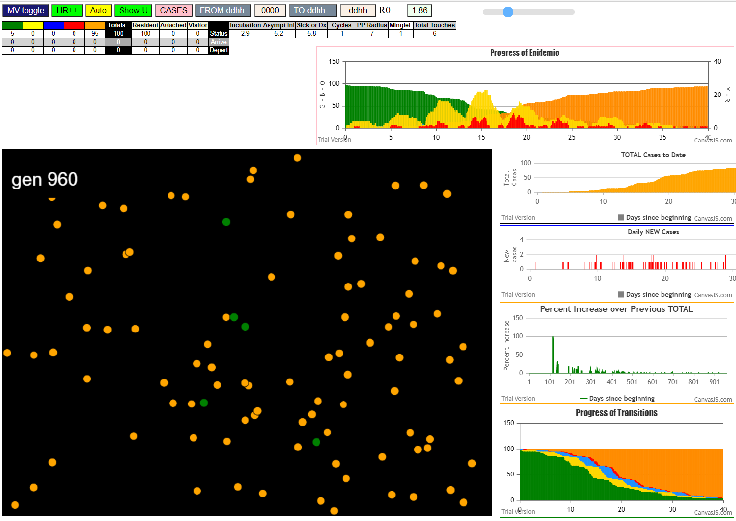
contactSimulation.js:2000 3I j:famKey 62:-1 infected by blue i:famKey 5:-1 at gen 11 in Univ0
contactSimulation.js:2000 4I j:famKey 97:-1 infected by blue i:famKey 5:-1 at gen 17 in Univ0
contactSimulation.js:2000 5I j:famKey 76:-1 infected by blue i:famKey 46:-1 at gen 77 in Univ0
contactSimulation.js:2016 6I i:famKey 8:-1 infected by blue j:famKey 97:-1 at gen 97 in U0
contactSimulation.js:2016 7I i:famKey 42:-1 infected by blue j:famKey 46:-1 at gen 102 in U0
contactSimulation.js:2016 8I i:famKey 38:-1 infected by blue j:famKey 62:-1 at gen 114 in U0
contactSimulation.js:2016 9I i:famKey 24:-1 infected by blue j:famKey 62:-1 at gen 117 in U0
contactSimulation.js:2016 10I i:famKey 20:-1 infected by blue j:famKey 97:-1 at gen 121 in U0
contactSimulation.js:2016 11I i:famKey 95:-1 infected by blue j:famKey 97:-1 at gen 126 in U0
contactSimulation.js:2000 12I j:famKey 68:-1 infected by red i:famKey 46:-1 at gen 131 in Univ0
contactSimulation.js:2000 13I j:famKey 64:-1 infected by red i:famKey 62:-1 at gen 135 in Univ0
contactSimulation.js:2016 14I i:famKey 0:-1 infected by blue j:famKey 42:-1 at gen 174 in U0
contactSimulation.js:2016 15I i:famKey 4:-1 infected by blue j:famKey 76:-1 at gen 181 in U0
contactSimulation.js:2016 16I i:famKey 30:-1 infected by blue j:famKey 42:-1 at gen 210 in U0
contactSimulation.js:2000 16I j:famKey 54:-1 infected by blue i:famKey 20:-1 at gen 211 in Univ0
contactSimulation.js:2000 18I j:famKey 47:-1 infected by red i:famKey 8:-1 at gen 213 in Univ0
contactSimulation.js:2016 18I i:famKey 10:-1 infected by blue j:famKey 20:-1 at gen 213 in U0
contactSimulation.js:2016 18I i:famKey 67:-1 infected by red j:famKey 76:-1 at gen 213 in U0
contactSimulation.js:2016 18I i:famKey 26:-1 infected by blue j:famKey 38:-1 at gen 214 in U0
contactSimulation.js:2016 22I i:famKey 2:-1 infected by red j:famKey 8:-1 at gen 218 in U0
contactSimulation.js:2016 23I i:famKey 84:-1 infected by blue j:famKey 95:-1 at gen 222 in U0
contactSimulation.js:2016 24I i:famKey 36:-1 infected by blue j:famKey 95:-1 at gen 232 in U0
contactSimulation.js:2000 24I j:famKey 28:-1 infected by blue i:famKey 20:-1 at gen 233 in Univ0
contactSimulation.js:2016 26I i:famKey 12:-1 infected by blue j:famKey 95:-1 at gen 238 in U0
contactSimulation.js:2016 26I i:famKey 79:-1 infected by red j:famKey 95:-1 at gen 239 in U0
contactSimulation.js:2000 28I j:famKey 27:-1 infected by red i:famKey 24:-1 at gen 241 in Univ0
contactSimulation.js:2000 28I j:famKey 75:-1 infected by red i:famKey 24:-1 at gen 241 in Univ0
contactSimulation.js:2016 30I i:famKey 14:-1 infected by red j:famKey 24:-1 at gen 243 in U0
contactSimulation.js:2000 31I j:famKey 55:-1 infected by red i:famKey 20:-1 at gen 245 in Univ0
contactSimulation.js:2000 32I j:famKey 87:-1 infected by blue i:famKey 4:-1 at gen 279 in Univ0
contactSimulation.js:2000 33I j:famKey 15:-1 infected by blue i:famKey 4:-1 at gen 281 in Univ0
contactSimulation.js:2016 34I i:famKey 16:-1 infected by blue j:famKey 26:-1 at gen 290 in U0
contactSimulation.js:2000 35I j:famKey 48:-1 infected by blue i:famKey 30:-1 at gen 306 in Univ0
contactSimulation.js:2000 35I j:famKey 61:-1 infected by blue i:famKey 54:-1 at gen 306 in Univ0
contactSimulation.js:2016 37I i:famKey 50:-1 infected by blue j:famKey 54:-1 at gen 309 in U0
contactSimulation.js:2000 38I j:famKey 80:-1 infected by blue i:famKey 54:-1 at gen 317 in Univ0
contactSimulation.js:2000 39I j:famKey 72:-1 infected by blue i:famKey 14:-1 at gen 320 in Univ0
contactSimulation.js:2000 39I j:famKey 49:-1 infected by blue i:famKey 30:-1 at gen 320 in Univ0
contactSimulation.js:2000 39I j:famKey 93:-1 infected by yellow i:famKey 16:-1 at gen 321 in Univ0
contactSimulation.js:2016 42I i:famKey 3:-1 infected by blue j:famKey 84:-1 at gen 324 in U0
contactSimulation.js:2016 42I i:famKey 58:-1 infected by blue j:famKey 67:-1 at gen 324 in U0
contactSimulation.js:2000 44I j:famKey 17:-1 infected by blue i:famKey 14:-1 at gen 326 in Univ0
contactSimulation.js:2000 45I j:famKey 91:-1 infected by blue i:famKey 26:-1 at gen 328 in Univ0
contactSimulation.js:2016 46I i:famKey 6:-1 infected by blue j:famKey 28:-1 at gen 331 in U0
contactSimulation.js:2000 46I j:famKey 73:-1 infected by blue i:famKey 26:-1 at gen 332 in Univ0
contactSimulation.js:2000 48I j:famKey 96:-1 infected by red i:famKey 10:-1 at gen 335 in Univ0
contactSimulation.js:2000 49I j:famKey 44:-1 infected by red i:famKey 10:-1 at gen 337 in Univ0
contactSimulation.js:2000 50I j:famKey 53:-1 infected by blue i:famKey 27:-1 at gen 340 in Univ0
contactSimulation.js:2016 50I i:famKey 18:-1 infected by blue j:famKey 36:-1 at gen 341 in U0
contactSimulation.js:2000 51I j:famKey 66:-1 infected by blue i:famKey 14:-1 at gen 342 in Univ0
contactSimulation.js:2000 53I j:famKey 52:-1 infected by red i:famKey 47:-1 at gen 345 in Univ0
contactSimulation.js:2000 53I j:famKey 81:-1 infected by blue i:famKey 12:-1 at gen 346 in Univ0
contactSimulation.js:2000 54I j:famKey 63:-1 infected by blue i:famKey 55:-1 at gen 347 in Univ0
contactSimulation.js:2000 56I j:famKey 98:-1 infected by red i:famKey 12:-1 at gen 362 in Univ0
contactSimulation.js:2016 57I i:famKey 25:-1 infected by red j:famKey 36:-1 at gen 366 in U0
contactSimulation.js:2000 58I j:famKey 86:-1 infected by blue i:famKey 16:-1 at gen 396 in Univ0
contactSimulation.js:2016 58I i:famKey 85:-1 infected by blue j:famKey 87:-1 at gen 397 in U0
contactSimulation.js:2016 60I i:famKey 35:-1 infected by blue j:famKey 87:-1 at gen 401 in U0
contactSimulation.js:2016 61I i:famKey 40:-1 infected by blue j:famKey 58:-1 at gen 420 in U0
contactSimulation.js:2016 62I i:famKey 1:-1 infected by blue j:famKey 81:-1 at gen 423 in U0
contactSimulation.js:2000 62I j:famKey 39:-1 infected by blue i:famKey 3:-1 at gen 423 in Univ0
contactSimulation.js:2016 64I i:famKey 32:-1 infected by blue j:famKey 52:-1 at gen 429 in U0
contactSimulation.js:2000 65I j:famKey 90:-1 infected by blue i:famKey 6:-1 at gen 433 in Univ0
contactSimulation.js:2000 65I j:famKey 99:-1 infected by blue i:famKey 93:-1 at gen 434 in Univ0
contactSimulation.js:2000 67I j:famKey 45:-1 infected by blue i:famKey 3:-1 at gen 438 in Univ0
contactSimulation.js:2000 67I j:famKey 88:-1 infected by red i:famKey 61:-1 at gen 438 in Univ0
contactSimulation.js:2016 69I i:famKey 19:-1 infected by blue j:famKey 66:-1 at gen 440 in U0
contactSimulation.js:2016 70I i:famKey 9:-1 infected by blue j:famKey 44:-1 at gen 452 in U0
contactSimulation.js:2000 71I j:famKey 74:-1 infected by red i:famKey 44:-1 at gen 458 in Univ0
contactSimulation.js:2016 72I i:famKey 21:-1 infected by blue j:famKey 25:-1 at gen 460 in U0
contactSimulation.js:2016 72I i:famKey 78:-1 infected by blue j:famKey 98:-1 at gen 460 in U0
contactSimulation.js:2000 74I j:famKey 29:-1 infected by red i:famKey 25:-1 at gen 492 in Univ0
contactSimulation.js:2016 75I i:famKey 23:-1 infected by blue j:famKey 40:-1 at gen 516 in U0
contactSimulation.js:2000 76I j:famKey 43:-1 infected by blue i:famKey 35:-1 at gen 518 in Univ0
contactSimulation.js:2000 77I j:famKey 89:-1 infected by blue i:famKey 88:-1 at gen 527 in Univ0
contactSimulation.js:2000 78I j:famKey 77:-1 infected by blue i:famKey 39:-1 at gen 541 in Univ0
contactSimulation.js:2000 79I j:famKey 65:-1 infected by blue i:famKey 21:-1 at gen 556 in Univ0
contactSimulation.js:2016 80I i:famKey 51:-1 infected by red j:famKey 99:-1 at gen 566 in U0
contactSimulation.js:2016 81I i:famKey 37:-1 infected by red j:famKey 99:-1 at gen 570 in U0
contactSimulation.js:2000 82I j:famKey 71:-1 infected by blue i:famKey 21:-1 at gen 573 in Univ0
contactSimulation.js:2016 83I i:famKey 11:-1 infected by red j:famKey 29:-1 at gen 620 in U0
contactSimulation.js:2000 84I j:famKey 92:-1 infected by blue i:famKey 65:-1 at gen 652 in Univ0
contactSimulation.js:2016 84I i:famKey 69:-1 infected by blue j:famKey 77:-1 at gen 653 in U0
contactSimulation.js:2016 86I i:famKey 34:-1 infected by blue j:famKey 65:-1 at gen 668 in U0
contactSimulation.js:2000 86I j:famKey 70:-1 infected by red i:famKey 65:-1 at gen 669 in Univ0
contactSimulation.js:2016 88I i:famKey 59:-1 infected by red j:famKey 65:-1 at gen 671 in U0
contactSimulation.js:2016 89I i:famKey 57:-1 infected by red j:famKey 65:-1 at gen 674 in U0
contactSimulation.js:2000 90I j:famKey 60:-1 infected by blue i:famKey 11:-1 at gen 708 in Univ0
contactSimulation.js:2016 91I i:famKey 7:-1 infected by blue j:famKey 59:-1 at gen 744 in U0
contactSimulation.js:2016 92I i:famKey 41:-1 infected by blue j:famKey 59:-1 at gen 768 in U0
contactSimulation.js:2000 93I j:famKey 94:-1 infected by blue i:famKey 60:-1 at gen 800 in Univ0
contactSimulation.js:2016 94I i:famKey 22:-1 infected by blue j:famKey 60:-1 at gen 816 in U0

tIn5.8HzR6
contactSimulation.js:23 getAsText File {name: "HundredAgentsU0mF1.csv", lastModified: 1608077990000, lastModifiedDate: Tue Dec 15 2020 16:19:50 GMT-0800 (Pacific Standard Time), webkitRelativePath: "", size: 2140, …}
contactSimulation.js:32 File {name: "HundredAgentsU0mF1.csv", lastModified: 1608077990000, lastModifiedDate: Tue Dec 15 2020 16:19:50 GMT-0800 (Pacific Standard Time), webkitRelativePath: "", size: 2140, …}
contactSimulation.js:23 getAsText File {name: "VL1.csv", lastModified: 1608081530000, lastModifiedDate: Tue Dec 15 2020 17:18:50 GMT-0800 (Pacific Standard Time), webkitRelativePath: "", size: 65, …}
contactSimulation.js:32 File {name: "VL1.csv", lastModified: 1608081530000, lastModifiedDate: Tue Dec 15 2020 17:18:50 GMT-0800 (Pacific Standard Time), webkitRelativePath: "", size: 65, …}
contactSimulation.js:2000 1I j:famKey 11:-1 infected by red i:famKey 5:-1 at gen 22 in Univ0
contactSimulation.js:2016 2I i:famKey 1:-1 infected by blue j:famKey 11:-1 at gen 107 in U0
contactSimulation.js:2000 3I j:famKey 87:-1 infected by blue i:famKey 11:-1 at gen 123 in Univ0
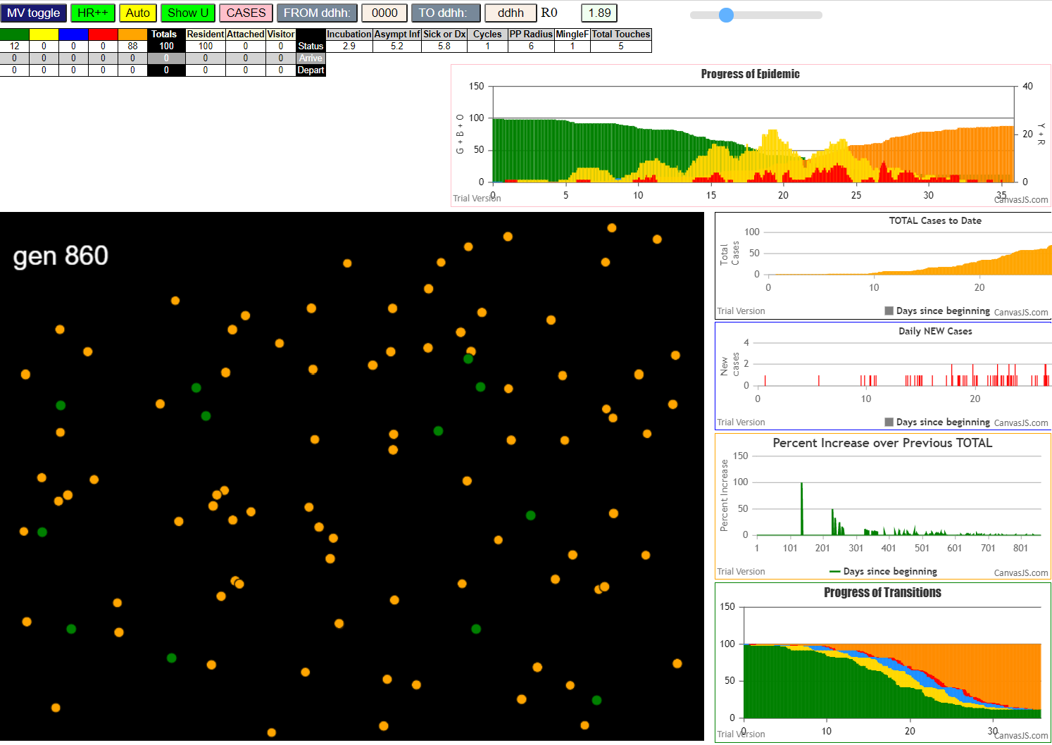
contactSimulation.js:2000 4I j:famKey 62:-1 infected by blue i:famKey 11:-1 at gen 127 in Univ0
contactSimulation.js:2000 5I j:famKey 66:-1 infected by blue i:famKey 11:-1 at gen 129 in Univ0
contactSimulation.js:2000 6I j:famKey 93:-1 infected by red i:famKey 11:-1 at gen 137 in Univ0
contactSimulation.js:2000 6I j:famKey 61:-1 infected by red i:famKey 11:-1 at gen 138 in Univ0
contactSimulation.js:2000 8I j:famKey 44:-1 infected by blue i:famKey 1:-1 at gen 206 in Univ0
contactSimulation.js:2000 9I j:famKey 91:-1 infected by blue i:famKey 61:-1 at gen 211 in Univ0
contactSimulation.js:2000 10I j:famKey 16:-1 infected by blue i:famKey 1:-1 at gen 217 in Univ0
contactSimulation.js:2016 11I i:famKey 7:-1 infected by blue j:famKey 66:-1 at gen 227 in U0
contactSimulation.js:2016 12I i:famKey 28:-1 infected by blue j:famKey 87:-1 at gen 237 in U0
contactSimulation.js:2000 12I j:famKey 35:-1 infected by red i:famKey 1:-1 at gen 238 in Univ0
contactSimulation.js:2016 14I i:famKey 40:-1 infected by blue j:famKey 93:-1 at gen 241 in U0
contactSimulation.js:2000 14I j:famKey 86:-1 infected by blue i:famKey 61:-1 at gen 241 in Univ0
contactSimulation.js:2016 16I i:famKey 55:-1 infected by blue j:famKey 93:-1 at gen 250 in U0
contactSimulation.js:2016 17I i:famKey 22:-1 infected by red j:famKey 62:-1 at gen 266 in U0
contactSimulation.js:2016 18I i:famKey 13:-1 infected by blue j:famKey 44:-1 at gen 302 in U0
contactSimulation.js:2016 19I i:famKey 42:-1 infected by blue j:famKey 44:-1 at gen 307 in U0
contactSimulation.js:2016 20I i:famKey 72:-1 infected by blue j:famKey 91:-1 at gen 316 in U0
contactSimulation.js:2016 21I i:famKey 21:-1 infected by blue j:famKey 86:-1 at gen 318 in U0
contactSimulation.js:2016 22I i:famKey 19:-1 infected by blue j:famKey 28:-1 at gen 321 in U0
contactSimulation.js:2000 23I j:famKey 53:-1 infected by blue i:famKey 16:-1 at gen 325 in Univ0
contactSimulation.js:2016 24I i:famKey 20:-1 infected by blue j:famKey 44:-1 at gen 327 in U0
contactSimulation.js:2000 24I j:famKey 65:-1 infected by blue i:famKey 16:-1 at gen 328 in Univ0
contactSimulation.js:2000 26I j:famKey 97:-1 infected by blue i:famKey 35:-1 at gen 334 in Univ0
contactSimulation.js:2016 26I i:famKey 56:-1 infected by red j:famKey 91:-1 at gen 335 in U0
contactSimulation.js:2016 28I i:famKey 15:-1 infected by blue j:famKey 86:-1 at gen 338 in U0
contactSimulation.js:2016 29I i:famKey 26:-1 infected by blue j:famKey 40:-1 at gen 354 in U0
contactSimulation.js:2000 29I j:famKey 76:-1 infected by red i:famKey 28:-1 at gen 354 in Univ0
contactSimulation.js:2000 29I j:famKey 82:-1 infected by red i:famKey 7:-1 at gen 355 in Univ0
contactSimulation.js:2000 32I j:famKey 85:-1 infected by blue i:famKey 55:-1 at gen 360 in Univ0
contactSimulation.js:2000 32I j:famKey 67:-1 infected by red i:famKey 40:-1 at gen 361 in Univ0
contactSimulation.js:2000 34I j:famKey 52:-1 infected by red i:famKey 40:-1 at gen 371 in Univ0
contactSimulation.js:2000 35I j:famKey 58:-1 infected by blue i:famKey 22:-1 at gen 385 in Univ0
contactSimulation.js:2016 36I i:famKey 70:-1 infected by blue j:famKey 72:-1 at gen 399 in U0
contactSimulation.js:2000 37I j:famKey 54:-1 infected by blue i:famKey 20:-1 at gen 402 in Univ0
contactSimulation.js:2000 38I j:famKey 17:-1 infected by blue i:famKey 13:-1 at gen 406 in Univ0
contactSimulation.js:2016 38I i:famKey 39:-1 infected by blue j:famKey 42:-1 at gen 406 in U0
contactSimulation.js:2000 40I j:famKey 71:-1 infected by blue i:famKey 20:-1 at gen 409 in Univ0
contactSimulation.js:2016 41I i:famKey 25:-1 infected by blue j:famKey 72:-1 at gen 415 in U0
contactSimulation.js:2016 42I i:famKey 14:-1 infected by blue j:famKey 72:-1 at gen 418 in U0
contactSimulation.js:2016 42I i:famKey 29:-1 infected by blue j:famKey 42:-1 at gen 418 in U0
contactSimulation.js:2016 42I i:famKey 46:-1 infected by blue j:famKey 72:-1 at gen 418 in U0
contactSimulation.js:2016 45I i:famKey 24:-1 infected by blue j:famKey 42:-1 at gen 428 in U0
contactSimulation.js:2016 45I i:famKey 6:-1 infected by blue j:famKey 21:-1 at gen 429 in U0
contactSimulation.js:2000 47I j:famKey 84:-1 infected by blue i:famKey 56:-1 at gen 433 in Univ0
contactSimulation.js:2000 48I j:famKey 78:-1 infected by red i:famKey 13:-1 at gen 436 in Univ0
contactSimulation.js:2016 49I i:famKey 38:-1 infected by red j:famKey 72:-1 at gen 438 in U0
contactSimulation.js:2016 50I i:famKey 9:-1 infected by red j:famKey 21:-1 at gen 443 in U0
contactSimulation.js:2016 50I i:famKey 23:-1 infected by blue j:famKey 97:-1 at gen 443 in U0
contactSimulation.js:2016 50I i:famKey 32:-1 infected by blue j:famKey 97:-1 at gen 443 in U0
contactSimulation.js:2016 50I i:famKey 47:-1 infected by blue j:famKey 56:-1 at gen 443 in U0
contactSimulation.js:2016 50I i:famKey 64:-1 infected by blue j:famKey 97:-1 at gen 444 in U0
contactSimulation.js:2016 55I i:famKey 68:-1 infected by blue j:famKey 76:-1 at gen 451 in U0
contactSimulation.js:2016 56I i:famKey 69:-1 infected by blue j:famKey 97:-1 at gen 453 in U0
contactSimulation.js:2000 56I j:famKey 79:-1 infected by red i:famKey 20:-1 at gen 454 in Univ0
contactSimulation.js:2016 58I i:famKey 49:-1 infected by blue j:famKey 70:-1 at gen 484 in U0
contactSimulation.js:2016 59I i:famKey 3:-1 infected by red j:famKey 52:-1 at gen 495 in U0
contactSimulation.js:2000 60I j:famKey 83:-1 infected by blue i:famKey 70:-1 at gen 499 in Univ0
contactSimulation.js:2016 61I i:famKey 8:-1 infected by blue j:famKey 17:-1 at gen 518 in U0
contactSimulation.js:2000 61I j:famKey 81:-1 infected by blue i:famKey 17:-1 at gen 518 in Univ0
contactSimulation.js:2000 61I j:famKey 96:-1 infected by blue i:famKey 17:-1 at gen 518 in Univ0
contactSimulation.js:2000 61I j:famKey 73:-1 infected by blue i:famKey 29:-1 at gen 518 in Univ0
contactSimulation.js:2000 65I j:famKey 89:-1 infected by blue i:famKey 14:-1 at gen 520 in Univ0
contactSimulation.js:2016 66I i:famKey 2:-1 infected by blue j:famKey 68:-1 at gen 523 in U0
contactSimulation.js:2000 66I j:famKey 90:-1 infected by blue i:famKey 68:-1 at gen 523 in Univ0
contactSimulation.js:2000 68I j:famKey 27:-1 infected by blue i:famKey 6:-1 at gen 525 in Univ0
contactSimulation.js:2000 68I j:famKey 98:-1 infected by blue i:famKey 71:-1 at gen 526 in Univ0
contactSimulation.js:2016 70I i:famKey 31:-1 infected by blue j:famKey 84:-1 at gen 534 in U0
contactSimulation.js:2000 71I j:famKey 88:-1 infected by blue i:famKey 68:-1 at gen 547 in Univ0
contactSimulation.js:2016 71I i:famKey 12:-1 infected by blue j:famKey 47:-1 at gen 548 in U0
contactSimulation.js:2016 73I i:famKey 30:-1 infected by blue j:famKey 64:-1 at gen 554 in U0
contactSimulation.js:2000 73I j:famKey 48:-1 infected by blue i:famKey 47:-1 at gen 555 in Univ0
contactSimulation.js:2000 73I j:famKey 95:-1 infected by red i:famKey 78:-1 at gen 555 in Univ0
contactSimulation.js:2000 76I j:famKey 74:-1 infected by blue i:famKey 68:-1 at gen 562 in Univ0
contactSimulation.js:2016 77I i:famKey 41:-1 infected by red j:famKey 47:-1 at gen 567 in U0
contactSimulation.js:2016 78I i:famKey 0:-1 infected by red j:famKey 68:-1 at gen 572 in U0
contactSimulation.js:2000 79I j:famKey 59:-1 infected by blue i:famKey 3:-1 at gen 592 in Univ0
contactSimulation.js:2016 80I i:famKey 36:-1 infected by red j:famKey 49:-1 at gen 607 in U0
contactSimulation.js:2016 81I i:famKey 45:-1 infected by blue j:famKey 89:-1 at gen 613 in U0
contactSimulation.js:2016 82I i:famKey 60:-1 infected by blue j:famKey 73:-1 at gen 630 in U0
contactSimulation.js:2016 83I i:famKey 50:-1 infected by blue j:famKey 96:-1 at gen 632 in U0
contactSimulation.js:2016 84I i:famKey 92:-1 infected by red j:famKey 96:-1 at gen 640 in U0
contactSimulation.js:2016 85I i:famKey 4:-1 infected by blue j:famKey 95:-1 at gen 663 in U0
contactSimulation.js:2000 86I j:famKey 99:-1 infected by red i:famKey 41:-1 at gen 698 in Univ0
contactSimulation.js:2000 87I j:famKey 63:-1 infected by blue i:famKey 45:-1 at gen 713 in Univ0

tIn5.8HzR5.5
contactSimulation.js:4160 exit covidSim
contactSimulation.js:23 getAsText File {name: "HundredAgentsU0mF1.csv", lastModified: 1608077990000, lastModifiedDate: Tue Dec 15 2020 16:19:50 GMT-0800 (Pacific Standard Time), webkitRelativePath: "", size: 2140, …}
contactSimulation.js:32 File {name: "HundredAgentsU0mF1.csv", lastModified: 1608077990000, lastModifiedDate: Tue Dec 15 2020 16:19:50 GMT-0800 (Pacific Standard Time), webkitRelativePath: "", size: 2140, …}
contactSimulation.js:23 getAsText File {name: "VL1.csv", lastModified: 1608081530000, lastModifiedDate: Tue Dec 15 2020 17:18:50 GMT-0800 (Pacific Standard Time), webkitRelativePath: "", size: 65, …}
contactSimulation.js:32 File {name: "VL1.csv", lastModified: 1608081530000, lastModifiedDate: Tue Dec 15 2020 17:18:50 GMT-0800 (Pacific Standard Time), webkitRelativePath: "", size: 65, …}
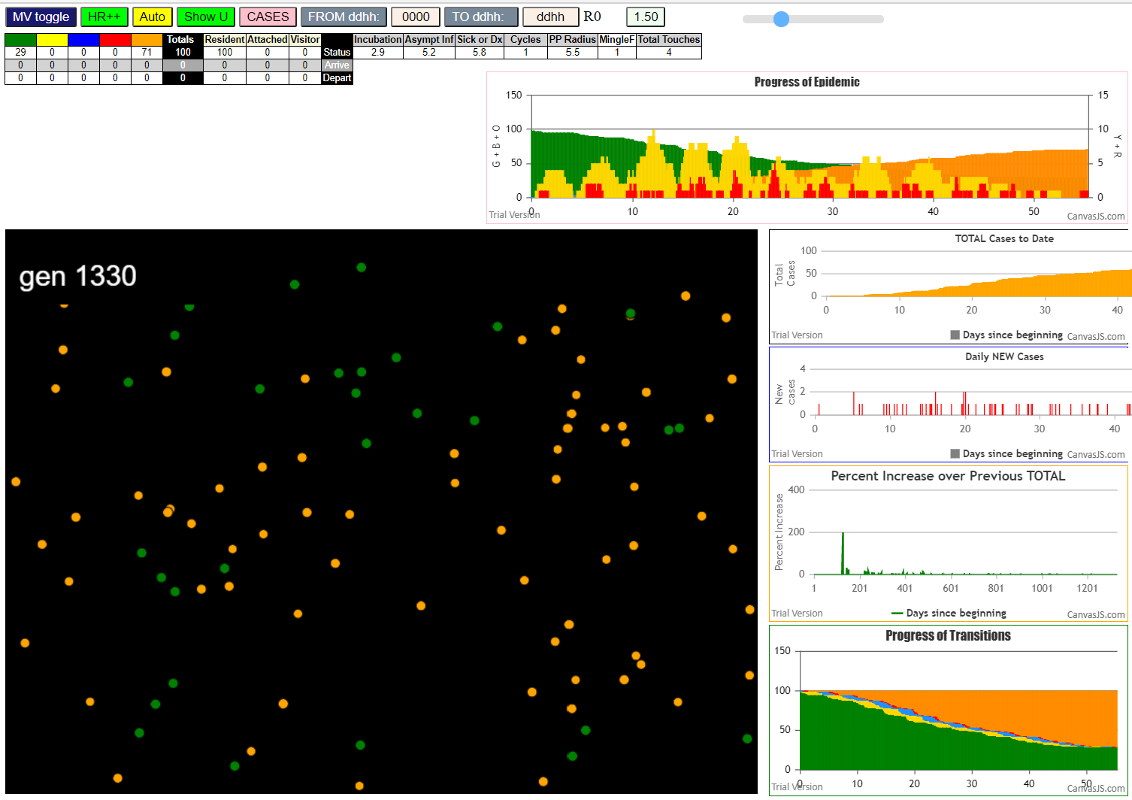
contactSimulation.js:2000 1I j:famKey 76:-1 infected by blue i:famKey 5:-1 at gen 7 in Univ0
contactSimulation.js:2000 2I j:famKey 83:-1 infected by blue i:famKey 5:-1 at gen 13 in Univ0
contactSimulation.js:2000 3I j:famKey 74:-1 infected by red i:famKey 5:-1 at gen 28 in Univ0
contactSimulation.js:2016 4I i:famKey 4:-1 infected by red j:famKey 5:-1 at gen 32 in U0
contactSimulation.js:2016 5I i:famKey 64:-1 infected by blue j:famKey 74:-1 at gen 105 in U0
contactSimulation.js:2016 6I i:famKey 79:-1 infected by blue j:famKey 83:-1 at gen 116 in U0
contactSimulation.js:2016 7I i:famKey 1:-1 infected by blue j:famKey 76:-1 at gen 119 in U0
contactSimulation.js:2000 8I j:famKey 62:-1 infected by blue i:famKey 4:-1 at gen 131 in Univ0
contactSimulation.js:2016 9I i:famKey 43:-1 infected by red j:famKey 76:-1 at gen 140 in U0
contactSimulation.js:2000 10I j:famKey 46:-1 infected by red i:famKey 4:-1 at gen 163 in Univ0
contactSimulation.js:2016 11I i:famKey 16:-1 infected by blue j:famKey 64:-1 at gen 177 in U0
contactSimulation.js:2000 12I j:famKey 29:-1 infected by blue i:famKey 1:-1 at gen 225 in Univ0
contactSimulation.js:2000 13I j:famKey 92:-1 infected by blue i:famKey 79:-1 at gen 227 in Univ0
contactSimulation.js:2000 14I j:famKey 36:-1 infected by blue i:famKey 1:-1 at gen 238 in Univ0
contactSimulation.js:2016 15I i:famKey 13:-1 infected by blue j:famKey 62:-1 at gen 248 in U0
contactSimulation.js:2000 15I j:famKey 88:-1 infected by blue i:famKey 43:-1 at gen 249 in Univ0
contactSimulation.js:2000 17I j:famKey 91:-1 infected by blue i:famKey 43:-1 at gen 257 in Univ0
contactSimulation.js:2000 18I j:famKey 89:-1 infected by blue i:famKey 46:-1 at gen 271 in Univ0
contactSimulation.js:2000 19I j:famKey 59:-1 infected by blue i:famKey 16:-1 at gen 273 in Univ0
contactSimulation.js:2016 20I i:famKey 10:-1 infected by blue j:famKey 46:-1 at gen 276 in U0
contactSimulation.js:2016 21I i:famKey 37:-1 infected by red j:famKey 46:-1 at gen 287 in U0
contactSimulation.js:2016 22I i:famKey 39:-1 infected by blue j:famKey 92:-1 at gen 323 in U0
contactSimulation.js:2016 23I i:famKey 0:-1 infected by blue j:famKey 13:-1 at gen 349 in U0
contactSimulation.js:2000 24I j:famKey 72:-1 infected by blue i:famKey 36:-1 at gen 353 in Univ0
contactSimulation.js:2016 24I i:famKey 22:-1 infected by yellow j:famKey 39:-1 at gen 354 in U0
contactSimulation.js:2016 25I i:famKey 63:-1 infected by blue j:famKey 91:-1 at gen 355 in U0
contactSimulation.js:2016 27I i:famKey 3:-1 infected by blue j:famKey 10:-1 at gen 361 in U0
contactSimulation.js:2000 27I j:famKey 60:-1 infected by blue i:famKey 59:-1 at gen 362 in Univ0
contactSimulation.js:2016 29I i:famKey 78:-1 infected by blue j:famKey 88:-1 at gen 373 in U0
contactSimulation.js:2016 30I i:famKey 35:-1 infected by red j:famKey 59:-1 at gen 395 in U0
contactSimulation.js:2016 31I i:famKey 9:-1 infected by blue j:famKey 39:-1 at gen 426 in U0
contactSimulation.js:2016 32I i:famKey 30:-1 infected by red j:famKey 39:-1 at gen 447 in U0
contactSimulation.js:2000 33I j:famKey 2:-1 infected by blue i:famKey 0:-1 at gen 449 in Univ0
contactSimulation.js:2000 33I j:famKey 52:-1 infected by blue i:famKey 22:-1 at gen 450 in Univ0
contactSimulation.js:2016 35I i:famKey 25:-1 infected by red j:famKey 39:-1 at gen 452 in U0
contactSimulation.js:2000 36I j:famKey 85:-1 infected by blue i:famKey 3:-1 at gen 455 in Univ0
contactSimulation.js:2000 37I j:famKey 26:-1 infected by blue i:famKey 22:-1 at gen 460 in Univ0
contactSimulation.js:2000 38I j:famKey 40:-1 infected by blue i:famKey 22:-1 at gen 478 in Univ0
contactSimulation.js:2016 39I i:famKey 28:-1 infected by blue j:famKey 78:-1 at gen 484 in U0
contactSimulation.js:2000 40I j:famKey 47:-1 infected by blue i:famKey 26:-1 at gen 532 in Univ0
contactSimulation.js:2000 41I j:famKey 81:-1 infected by blue i:famKey 9:-1 at gen 539 in Univ0
contactSimulation.js:2000 42I j:famKey 67:-1 infected by blue i:famKey 25:-1 at gen 559 in Univ0
contactSimulation.js:2000 43I j:famKey 68:-1 infected by red i:famKey 30:-1 at gen 565 in Univ0
contactSimulation.js:2000 44I j:famKey 17:-1 infected by red i:famKey 2:-1 at gen 572 in Univ0
contactSimulation.js:2016 45I i:famKey 23:-1 infected by red j:famKey 25:-1 at gen 582 in U0
contactSimulation.js:2016 46I i:famKey 15:-1 infected by blue j:famKey 47:-1 at gen 639 in U0
contactSimulation.js:2016 46I i:famKey 54:-1 infected by blue j:famKey 68:-1 at gen 639 in U0
contactSimulation.js:2000 48I j:famKey 87:-1 infected by blue i:famKey 81:-1 at gen 655 in Univ0
contactSimulation.js:2000 49I j:famKey 94:-1 infected by blue i:famKey 68:-1 at gen 669 in Univ0
contactSimulation.js:2016 50I i:famKey 14:-1 infected by red j:famKey 23:-1 at gen 708 in U0
contactSimulation.js:2016 51I i:famKey 32:-1 infected by blue j:famKey 87:-1 at gen 739 in U0
contactSimulation.js:2016 52I i:famKey 42:-1 infected by blue j:famKey 94:-1 at gen 768 in U0
contactSimulation.js:2016 52I i:famKey 27:-1 infected by red j:famKey 54:-1 at gen 769 in U0
contactSimulation.js:2016 54I i:famKey 33:-1 infected by blue j:famKey 94:-1 at gen 781 in U0
contactSimulation.js:2016 55I i:famKey 7:-1 infected by blue j:famKey 14:-1 at gen 784 in U0
contactSimulation.js:2016 56I i:famKey 82:-1 infected by red j:famKey 94:-1 at gen 789 in U0
contactSimulation.js:2000 57I j:famKey 24:-1 infected by red i:famKey 14:-1 at gen 824 in Univ0
contactSimulation.js:2000 58I j:famKey 84:-1 infected by blue i:famKey 7:-1 at gen 884 in Univ0
contactSimulation.js:2016 59I i:famKey 61:-1 infected by blue j:famKey 82:-1 at gen 888 in U0
contactSimulation.js:2000 60I j:famKey 48:-1 infected by blue i:famKey 7:-1 at gen 894 in Univ0
contactSimulation.js:2000 61I j:famKey 66:-1 infected by red i:famKey 7:-1 at gen 907 in Univ0
contactSimulation.js:2000 62I j:famKey 49:-1 infected by red i:famKey 7:-1 at gen 916 in Univ0
contactSimulation.js:2000 63I j:famKey 99:-1 infected by red i:famKey 24:-1 at gen 947 in Univ0
contactSimulation.js:2016 64I i:famKey 11:-1 infected by red j:famKey 24:-1 at gen 954 in U0
contactSimulation.js:2016 65I i:famKey 20:-1 infected by blue j:famKey 84:-1 at gen 998 in U0
contactSimulation.js:2016 66I i:famKey 19:-1 infected by red j:famKey 48:-1 at gen 1023 in U0
contactSimulation.js:2016 66I i:famKey 53:-1 infected by blue j:famKey 66:-1 at gen 1023 in U0
contactSimulation.js:2016 68I i:famKey 6:-1 infected by blue j:famKey 11:-1 at gen 1067 in U0
contactSimulation.js:2000 69I j:famKey 75:-1 infected by blue i:famKey 19:-1 at gen 1099 in Univ0
contactSimulation.js:2000 70I j:famKey 69:-1 infected by red i:famKey 6:-1 at gen 1194 in Univ0

tIn5.8HzR5.2
File {name: "VL1.csv", lastModified: 1608081530000, lastModifiedDate: Tue Dec 15 2020 17:18:50 GMT-0800 (Pacific Standard Time), webkitRelativePath: "", size: 65, …}
contactSimulation.js:2016 1I i:famKey 0:-1 infected by red j:famKey 5:-1 at gen 21 in U0
contactSimulation.js:2000 2I j:famKey 4:-1 infected by red i:famKey 0:-1 at gen 148 in Univ0
contactSimulation.js:2000 3I j:famKey 43:-1 infected by blue i:famKey 4:-1 at gen 246 in Univ0
contactSimulation.js:2016 4I i:famKey 6:-1 infected by blue j:famKey 43:-1 at gen 343 in U0
contactSimulation.js:2016 5I i:famKey 11:-1 infected by blue j:famKey 43:-1 at gen 357 in U0
contactSimulation.js:2000 6I j:famKey 94:-1 infected by blue i:famKey 6:-1 at gen 442 in Univ0
contactSimulation.js:2000 7I j:famKey 89:-1 infected by blue i:famKey 11:-1 at gen 456 in Univ0
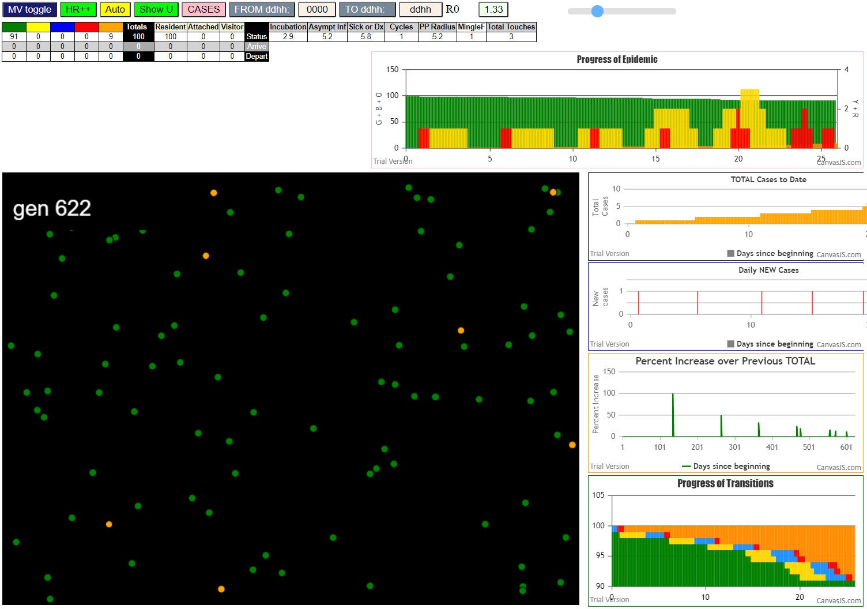
contactSimulation.js:2000 8I j:famKey 20:-1 infected by red i:famKey 11:-1 at gen 482 in Univ0

